NFX1 _multivariate
Reported by Tex Li-Hsing Chi. tex@gate.sinica.edu.tw 2019-08-17

Table 2. The clinicopathological features of HNSCC cohort and NFX1 expression. (Chi square test)
Cutoff at -0.21 (50.0%)
 |  | NFX1 expression |  | NFX1 expression |  | (Optimised)
 | Features | Low | (%) | High | (%) | Case no | P-value | Remark | Matthews
Gender | Female | 161 | 38.8 | 145 | 34.9 | 415 | 0.0792 | 0 | 0
2 | Male | 46 | 11.1 | 63 | 15.2
Age at diagnosis | <=65y | 141 | 34 | 133 | 32 | 415 | 0.4272 | 0 | 0
4 | >65y | 66 | 15.9 | 75 | 18.1
Clinical T Status | T1+T2 | 67 | 16.1 | 82 | 19.8 | 415 | 0.1628 | 0 | 0
6 | T3+T4 | 140 | 33.7 | 126 | 30.4
Clinical N Status | N0 | 107 | 25.8 | 109 | 26.3 | 415 | 0.9624 | 0 | 0
8 | N1-3 | 100 | 24.1 | 99 | 23.9
Clinical M Status | M0 | 205 | 49.4 | 207 | 49.9 | 415 | 0.6232 | 0 | 0
10 | M1 | 2 | 0.5 | 1 | 0.2
Clinical Stage | Stage I+II | 48 | 11.6 | 54 | 13 | 415 | 0.5878 | 0 | 0
12 | Stage III+IV | 159 | 38.3 | 154 | 37.1
Surgical Margin status | Negative | 157 | 37.8 | 161 | 38.8 | 415 | 0.729 | 0 | 0
14 | Positive | 50 | 12 | 47 | 11.3
Tobacco Exposure | Low | 68 | 16.4 | 93 | 22.4 | 415 | 0.0156 | 1 | 0
16 | High | 139 | 33.5 | 115 | 27.7

Table 3. Univariate/Multivariate Cox's proportional hazards regression analyses on OS time of NFX1 gene expression in HNSCC

 |  | Univariate |  |  |  | Multivariate
 | Features | HR | CI95%(L) | CI95%(H) | P-value | HR | CI95%(L) | CI95%(H) | P-value
1 | Female | 1 |  |  |  | 1
Gender | Male | 1.157 | 0.843 | 1.587 | 0.367 | 1.202 | 0.861 | 1.68 | 0.28
11 | <=65y | 1 |  |  |  | 1
Age at diagnosis | >65y | 1.329 | 0.99 | 1.784 | 0.058 | 1.386 | 1.02 | 1.884 | 0.037
12 | T1+T2 | 1 |  |  |  | 1
Clinical T Status | T3+T4 | 1.409 | 1.028 | 1.931 | 0.033 | 2.282 | 1.204 | 4.325 | 0.011
13 | N0 | 1 |  |  |  | 1
Clinical N Status | N1-3 | 1.185 | 0.89 | 1.577 | 0.246 | 1.244 | 0.872 | 1.775 | 0.229
14 | M0 | 1 |  |  |  | 1
Clinical M Status | M1 | 4.097 | 1.009 | 16.644 | 0.049 | 9.896 | 2.153 | 45.482 | 0.003
15 | Stage I+II | 1 |  |  |  | 1
Clinical Stage | Stage III+IV | 1.245 | 0.882 | 1.759 | 0.213 | 0.491 | 0.228 | 1.054 | 0.068
16 | Negative | 1 |  |  |  | 1
Surgical Margin status | Positive | 1.591 | 1.155 | 2.191 | 0.004 | 1.678 | 1.214 | 2.32 | 0.002
17 | Low | 1 |  |  |  | 1
Tobacco Exposure | High | 1.364 | 1.008 | 1.844 | 0.044 | 1.495 | 1.08 | 2.068 | 0.015
18 | Low | 1 |  |  |  | 1
RNAseq(z-score) | High | 1.089 | 0.818 | 1.451 | 0.56 | 1.192 | 0.889 | 1.598 | 0.241

Table 4. Univariate/Multivariate Cox's proportional hazards regression analyses on RFS time of NFX1 gene expression in HNSCC

 |  | Univariate |  |  |  | Multivariate
 | Features | HR | CI95%(L) | CI95%(H) | P-value | HR | CI95%(L) | CI95%(H) | P-value
1 | Female | 1 |  |  |  | 1
Gender | Male | 1.157 | 0.843 | 1.587 | 0.367 | 1.202 | 0.861 | 1.68 | 0.28
11 | <=65y | 1 |  |  |  | 1
Age at diagnosis | >65y | 1.329 | 0.99 | 1.784 | 0.058 | 1.386 | 1.02 | 1.884 | 0.037
12 | T1+T2 | 1 |  |  |  | 1
Clinical T Status | T3+T4 | 1.409 | 1.028 | 1.931 | 0.033 | 2.282 | 1.204 | 4.325 | 0.011
13 | N0 | 1 |  |  |  | 1
Clinical N Status | N1-3 | 1.185 | 0.89 | 1.577 | 0.246 | 1.244 | 0.872 | 1.775 | 0.229
14 | M0 | 1 |  |  |  | 1
Clinical M Status | M1 | 4.097 | 1.009 | 16.644 | 0.049 | 9.896 | 2.153 | 45.482 | 0.003
15 | Stage I+II | 1 |  |  |  | 1
Clinical Stage | Stage III+IV | 1.245 | 0.882 | 1.759 | 0.213 | 0.491 | 0.228 | 1.054 | 0.068
16 | Negative | 1 |  |  |  | 1
Surgical Margin status | Positive | 1.591 | 1.155 | 2.191 | 0.004 | 1.678 | 1.214 | 2.32 | 0.002
17 | Low | 1 |  |  |  | 1
Tobacco Exposure | High | 1.364 | 1.008 | 1.844 | 0.044 | 1.495 | 1.08 | 2.068 | 0.015
18 | Low | 1 |  |  |  | 1
RNAseq(z-score) | High | 1.089 | 0.818 | 1.451 | 0.56 | 1.192 | 0.889 | 1.598 | 0.241

Kaplan-Meier survival estimate: Cutoff at -0.21 (50.0%)



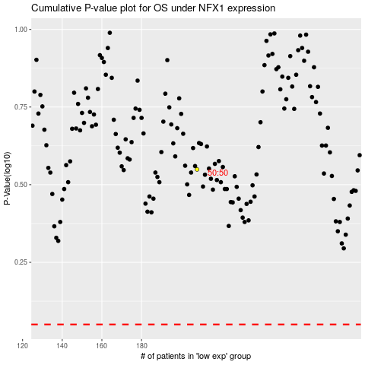

 |  |  |  |  |  | cases_OS | p_OS | rank | exp
 |  |  |  |  |  |  | cases_RFS | p_RFS | rank | exp

