NFYA _multivariate
Reported by Tex Li-Hsing Chi. tex@gate.sinica.edu.tw 2019-08-17

Table 2. The clinicopathological features of HNSCC cohort and NFYA expression. (Chi square test)
Cutoff at 0.27 (69.8%)
 |  | NFYA expression |  | NFYA expression |  | (Optimised)
 | Features | Low | (%) | High | (%) | Case no | P-value | Remark | Matthews
Gender | Female | 207 | 49.9 | 99 | 23.9 | 415 | 0.1237 | 0 | 0
2 | Male | 83 | 20 | 26 | 6.3
Age at diagnosis | <=65y | 185 | 44.6 | 89 | 21.4 | 415 | 0.1774 | 0 | 0
4 | >65y | 105 | 25.3 | 36 | 8.7
Clinical T Status | T1+T2 | 99 | 23.9 | 50 | 12 | 415 | 0.3027 | 0 | 0
6 | T3+T4 | 191 | 46 | 75 | 18.1
Clinical N Status | N0 | 150 | 36.1 | 66 | 15.9 | 415 | 0.925 | 0 | 0
8 | N1-3 | 140 | 33.7 | 59 | 14.2
Clinical M Status | M0 | 287 | 69.2 | 125 | 30.1 | 415 | 0.5571 | 0 | 0
10 | M1 | 3 | 0.7 | 0 | 0
Clinical Stage | Stage I+II | 66 | 15.9 | 36 | 8.7 | 415 | 0.2352 | 0 | 0
12 | Stage III+IV | 224 | 54 | 89 | 21.4
Surgical Margin status | Negative | 221 | 53.3 | 97 | 23.4 | 415 | 0.8014 | 0 | 0
14 | Positive | 69 | 16.6 | 28 | 6.7
Tobacco Exposure | Low | 115 | 27.7 | 46 | 11.1 | 415 | 0.6607 | 0 | 0
16 | High | 175 | 42.2 | 79 | 19

Table 3. Univariate/Multivariate Cox's proportional hazards regression analyses on OS time of NFYA gene expression in HNSCC

 |  | Univariate |  |  |  | Multivariate
 | Features | HR | CI95%(L) | CI95%(H) | P-value | HR | CI95%(L) | CI95%(H) | P-value
1 | Female | 1 |  |  |  | 1
Gender | Male | 1.157 | 0.843 | 1.587 | 0.367 | 1.169 | 0.834 | 1.638 | 0.364
11 | <=65y | 1 |  |  |  | 1
Age at diagnosis | >65y | 1.329 | 0.99 | 1.784 | 0.058 | 1.384 | 1.018 | 1.883 | 0.038
12 | T1+T2 | 1 |  |  |  | 1
Clinical T Status | T3+T4 | 1.409 | 1.028 | 1.931 | 0.033 | 2.143 | 1.133 | 4.054 | 0.019
13 | N0 | 1 |  |  |  | 1
Clinical N Status | N1-3 | 1.185 | 0.89 | 1.577 | 0.246 | 1.242 | 0.871 | 1.771 | 0.232
14 | M0 | 1 |  |  |  | 1
Clinical M Status | M1 | 4.097 | 1.009 | 16.644 | 0.049 | 8.418 | 1.829 | 38.739 | 0.006
15 | Stage I+II | 1 |  |  |  | 1
Clinical Stage | Stage III+IV | 1.245 | 0.882 | 1.759 | 0.213 | 0.511 | 0.238 | 1.097 | 0.085
16 | Negative | 1 |  |  |  | 1
Surgical Margin status | Positive | 1.591 | 1.155 | 2.191 | 0.004 | 1.652 | 1.196 | 2.282 | 0.002
17 | Low | 1 |  |  |  | 1
Tobacco Exposure | High | 1.364 | 1.008 | 1.844 | 0.044 | 1.444 | 1.047 | 1.993 | 0.025
18 | Low | 1 |  |  |  | 1
RNAseq(z-score) | High | 0.695 | 0.499 | 0.968 | 0.031 | 0.755 | 0.541 | 1.054 | 0.099

Table 4. Univariate/Multivariate Cox's proportional hazards regression analyses on RFS time of NFYA gene expression in HNSCC

 |  | Univariate |  |  |  | Multivariate
 | Features | HR | CI95%(L) | CI95%(H) | P-value | HR | CI95%(L) | CI95%(H) | P-value
1 | Female | 1 |  |  |  | 1
Gender | Male | 1.157 | 0.843 | 1.587 | 0.367 | 1.169 | 0.834 | 1.638 | 0.364
11 | <=65y | 1 |  |  |  | 1
Age at diagnosis | >65y | 1.329 | 0.99 | 1.784 | 0.058 | 1.384 | 1.018 | 1.883 | 0.038
12 | T1+T2 | 1 |  |  |  | 1
Clinical T Status | T3+T4 | 1.409 | 1.028 | 1.931 | 0.033 | 2.143 | 1.133 | 4.054 | 0.019
13 | N0 | 1 |  |  |  | 1
Clinical N Status | N1-3 | 1.185 | 0.89 | 1.577 | 0.246 | 1.242 | 0.871 | 1.771 | 0.232
14 | M0 | 1 |  |  |  | 1
Clinical M Status | M1 | 4.097 | 1.009 | 16.644 | 0.049 | 8.418 | 1.829 | 38.739 | 0.006
15 | Stage I+II | 1 |  |  |  | 1
Clinical Stage | Stage III+IV | 1.245 | 0.882 | 1.759 | 0.213 | 0.511 | 0.238 | 1.097 | 0.085
16 | Negative | 1 |  |  |  | 1
Surgical Margin status | Positive | 1.591 | 1.155 | 2.191 | 0.004 | 1.652 | 1.196 | 2.282 | 0.002
17 | Low | 1 |  |  |  | 1
Tobacco Exposure | High | 1.364 | 1.008 | 1.844 | 0.044 | 1.444 | 1.047 | 1.993 | 0.025
18 | Low | 1 |  |  |  | 1
RNAseq(z-score) | High | 0.695 | 0.499 | 0.968 | 0.031 | 0.755 | 0.541 | 1.054 | 0.099

Kaplan-Meier survival estimate: Cutoff at 0.27 (69.8%)



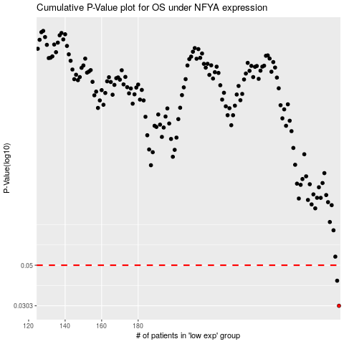

 |  |  |  |  |  | cases_OS | p_OS | rank | exp
 |  |  |  |  |  | 290 | 0.0303 | 41 | 0.26972830317
 |  |  |  |  |  | 289 | 0.0413 | 221 | 0.2651877598
 |  |  |  |  |  |  | cases_RFS | p_RFS | rank | exp
 |  |  |  |  |  |  | 289 | 0.0303 | 221 | 0.2651877598
 |  |  |  |  |  |  | 288 | 0.0413 | 69 | 0.26500833627

