NFYB _multivariate
Reported by Tex Li-Hsing Chi. tex@gate.sinica.edu.tw 2019-08-17

Table 2. The clinicopathological features of HNSCC cohort and NFYB expression. (Chi square test)
Cutoff at -0.313 (49.8%)
 |  | NFYB expression |  | NFYB expression |  | (Optimised)
 | Features | Low | (%) | High | (%) | Case no | P-value | Remark | Matthews
Gender | Female | 143 | 34.5 | 163 | 39.3 | 415 | 0.0416 | 1 | 0
2 | Male | 64 | 15.4 | 45 | 10.8
Age at diagnosis | <=65y | 132 | 31.8 | 142 | 34.2 | 415 | 0.3874 | 0 | 0
4 | >65y | 75 | 18.1 | 66 | 15.9
Clinical T Status | T1+T2 | 65 | 15.7 | 84 | 20.2 | 415 | 0.0711 | 0 | 0
6 | T3+T4 | 142 | 34.2 | 124 | 29.9
Clinical N Status | N0 | 106 | 25.5 | 110 | 26.5 | 415 | 0.8075 | 0 | 0
8 | N1-3 | 101 | 24.3 | 98 | 23.6
Clinical M Status | M0 | 206 | 49.6 | 206 | 49.6 | 415 | 1 | 0 | 0
10 | M1 | 1 | 0.2 | 2 | 0.5
Clinical Stage | Stage I+II | 49 | 11.8 | 53 | 12.8 | 415 | 0.7535 | 0 | 0
12 | Stage III+IV | 158 | 38.1 | 155 | 37.3
Surgical Margin status | Negative | 166 | 40 | 152 | 36.6 | 415 | 0.1042 | 0 | 0
14 | Positive | 41 | 9.9 | 56 | 13.5
Tobacco Exposure | Low | 92 | 22.2 | 69 | 16.6 | 415 | 0.0206 | 1 | 0
16 | High | 115 | 27.7 | 139 | 33.5

Table 3. Univariate/Multivariate Cox's proportional hazards regression analyses on OS time of NFYB gene expression in HNSCC

 |  | Univariate |  |  |  | Multivariate
 | Features | HR | CI95%(L) | CI95%(H) | P-value | HR | CI95%(L) | CI95%(H) | P-value
1 | Female | 1 |  |  |  | 1
Gender | Male | 1.157 | 0.843 | 1.587 | 0.367 | 1.184 | 0.846 | 1.657 | 0.326
11 | <=65y | 1 |  |  |  | 1
Age at diagnosis | >65y | 1.329 | 0.99 | 1.784 | 0.058 | 1.404 | 1.031 | 1.91 | 0.031
12 | T1+T2 | 1 |  |  |  | 1
Clinical T Status | T3+T4 | 1.409 | 1.028 | 1.931 | 0.033 | 2.132 | 1.123 | 4.046 | 0.021
13 | N0 | 1 |  |  |  | 1
Clinical N Status | N1-3 | 1.185 | 0.89 | 1.577 | 0.246 | 1.233 | 0.864 | 1.76 | 0.248
14 | M0 | 1 |  |  |  | 1
Clinical M Status | M1 | 4.097 | 1.009 | 16.644 | 0.049 | 9.254 | 2.018 | 42.433 | 0.004
15 | Stage I+II | 1 |  |  |  | 1
Clinical Stage | Stage III+IV | 1.245 | 0.882 | 1.759 | 0.213 | 0.524 | 0.243 | 1.13 | 0.099
16 | Negative | 1 |  |  |  | 1
Surgical Margin status | Positive | 1.591 | 1.155 | 2.191 | 0.004 | 1.686 | 1.22 | 2.33 | 0.002
17 | Low | 1 |  |  |  | 1
Tobacco Exposure | High | 1.364 | 1.008 | 1.844 | 0.044 | 1.486 | 1.074 | 2.057 | 0.017
18 | Low | 1 |  |  |  | 1
RNAseq(z-score) | High | 0.89 | 0.668 | 1.185 | 0.425 | 0.874 | 0.65 | 1.175 | 0.373

Table 4. Univariate/Multivariate Cox's proportional hazards regression analyses on RFS time of NFYB gene expression in HNSCC

 |  | Univariate |  |  |  | Multivariate
 | Features | HR | CI95%(L) | CI95%(H) | P-value | HR | CI95%(L) | CI95%(H) | P-value
1 | Female | 1 |  |  |  | 1
Gender | Male | 1.157 | 0.843 | 1.587 | 0.367 | 1.184 | 0.846 | 1.657 | 0.326
11 | <=65y | 1 |  |  |  | 1
Age at diagnosis | >65y | 1.329 | 0.99 | 1.784 | 0.058 | 1.404 | 1.031 | 1.91 | 0.031
12 | T1+T2 | 1 |  |  |  | 1
Clinical T Status | T3+T4 | 1.409 | 1.028 | 1.931 | 0.033 | 2.132 | 1.123 | 4.046 | 0.021
13 | N0 | 1 |  |  |  | 1
Clinical N Status | N1-3 | 1.185 | 0.89 | 1.577 | 0.246 | 1.233 | 0.864 | 1.76 | 0.248
14 | M0 | 1 |  |  |  | 1
Clinical M Status | M1 | 4.097 | 1.009 | 16.644 | 0.049 | 9.254 | 2.018 | 42.433 | 0.004
15 | Stage I+II | 1 |  |  |  | 1
Clinical Stage | Stage III+IV | 1.245 | 0.882 | 1.759 | 0.213 | 0.524 | 0.243 | 1.13 | 0.099
16 | Negative | 1 |  |  |  | 1
Surgical Margin status | Positive | 1.591 | 1.155 | 2.191 | 0.004 | 1.686 | 1.22 | 2.33 | 0.002
17 | Low | 1 |  |  |  | 1
Tobacco Exposure | High | 1.364 | 1.008 | 1.844 | 0.044 | 1.486 | 1.074 | 2.057 | 0.017
18 | Low | 1 |  |  |  | 1
RNAseq(z-score) | High | 0.89 | 0.668 | 1.185 | 0.425 | 0.874 | 0.65 | 1.175 | 0.373

Kaplan-Meier survival estimate: Cutoff at -0.313 (49.8%)



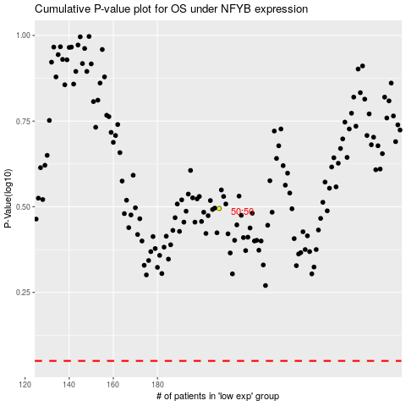

 |  |  |  |  |  | cases_OS | p_OS | rank | exp
 |  |  |  |  |  |  | cases_RFS | p_RFS | rank | exp

