NFYC _multivariate
Reported by Tex Li-Hsing Chi. tex@gate.sinica.edu.tw 2019-08-17

Table 2. The clinicopathological features of HNSCC cohort and NFYC expression. (Chi square test)
Cutoff at -0.262 (49.8%)
 |  | NFYC expression |  | NFYC expression |  | (Optimised)
 | Features | Low | (%) | High | (%) | Case no | P-value | Remark | Matthews
Gender | Female | 158 | 38.1 | 148 | 35.7 | 415 | 0.2774 | 0 | 0
2 | Male | 49 | 11.8 | 60 | 14.5
Age at diagnosis | <=65y | 131 | 31.6 | 143 | 34.5 | 415 | 0.2839 | 0 | 0
4 | >65y | 76 | 18.3 | 65 | 15.7
Clinical T Status | T1+T2 | 60 | 14.5 | 89 | 21.4 | 415 | 0.0047 | 1 | 0
6 | T3+T4 | 147 | 35.4 | 119 | 28.7
Clinical N Status | N0 | 98 | 23.6 | 118 | 28.4 | 415 | 0.0694 | 0 | 0
8 | N1-3 | 109 | 26.3 | 90 | 21.7
Clinical M Status | M0 | 206 | 49.6 | 206 | 49.6 | 415 | 1 | 0 | 0
10 | M1 | 1 | 0.2 | 2 | 0.5
Clinical Stage | Stage I+II | 44 | 10.6 | 58 | 14 | 415 | 0.1459 | 0 | 0
12 | Stage III+IV | 163 | 39.3 | 150 | 36.1
Surgical Margin status | Negative | 157 | 37.8 | 161 | 38.8 | 415 | 0.729 | 0 | 0
14 | Positive | 50 | 12 | 47 | 11.3
Tobacco Exposure | Low | 69 | 16.6 | 92 | 22.2 | 415 | 0.0266 | 1 | 0
16 | High | 138 | 33.3 | 116 | 28

Table 3. Univariate/Multivariate Cox's proportional hazards regression analyses on OS time of NFYC gene expression in HNSCC

 |  | Univariate |  |  |  | Multivariate
 | Features | HR | CI95%(L) | CI95%(H) | P-value | HR | CI95%(L) | CI95%(H) | P-value
1 | Female | 1 |  |  |  | 1
Gender | Male | 1.157 | 0.843 | 1.587 | 0.367 | 1.202 | 0.859 | 1.681 | 0.284
11 | <=65y | 1 |  |  |  | 1
Age at diagnosis | >65y | 1.329 | 0.99 | 1.784 | 0.058 | 1.392 | 1.021 | 1.898 | 0.037
12 | T1+T2 | 1 |  |  |  | 1
Clinical T Status | T3+T4 | 1.409 | 1.028 | 1.931 | 0.033 | 2.203 | 1.159 | 4.187 | 0.016
13 | N0 | 1 |  |  |  | 1
Clinical N Status | N1-3 | 1.185 | 0.89 | 1.577 | 0.246 | 1.241 | 0.866 | 1.779 | 0.24
14 | M0 | 1 |  |  |  | 1
Clinical M Status | M1 | 4.097 | 1.009 | 16.644 | 0.049 | 9.405 | 2.05 | 43.141 | 0.004
15 | Stage I+II | 1 |  |  |  | 1
Clinical Stage | Stage III+IV | 1.245 | 0.882 | 1.759 | 0.213 | 0.504 | 0.233 | 1.09 | 0.082
16 | Negative | 1 |  |  |  | 1
Surgical Margin status | Positive | 1.591 | 1.155 | 2.191 | 0.004 | 1.671 | 1.209 | 2.311 | 0.002
17 | Low | 1 |  |  |  | 1
Tobacco Exposure | High | 1.364 | 1.008 | 1.844 | 0.044 | 1.453 | 1.054 | 2.003 | 0.022
18 | Low | 1 |  |  |  | 1
RNAseq(z-score) | High | 0.937 | 0.704 | 1.248 | 0.657 | 1.001 | 0.744 | 1.346 | 0.994

Table 4. Univariate/Multivariate Cox's proportional hazards regression analyses on RFS time of NFYC gene expression in HNSCC

 |  | Univariate |  |  |  | Multivariate
 | Features | HR | CI95%(L) | CI95%(H) | P-value | HR | CI95%(L) | CI95%(H) | P-value
1 | Female | 1 |  |  |  | 1
Gender | Male | 1.157 | 0.843 | 1.587 | 0.367 | 1.202 | 0.859 | 1.681 | 0.284
11 | <=65y | 1 |  |  |  | 1
Age at diagnosis | >65y | 1.329 | 0.99 | 1.784 | 0.058 | 1.392 | 1.021 | 1.898 | 0.037
12 | T1+T2 | 1 |  |  |  | 1
Clinical T Status | T3+T4 | 1.409 | 1.028 | 1.931 | 0.033 | 2.203 | 1.159 | 4.187 | 0.016
13 | N0 | 1 |  |  |  | 1
Clinical N Status | N1-3 | 1.185 | 0.89 | 1.577 | 0.246 | 1.241 | 0.866 | 1.779 | 0.24
14 | M0 | 1 |  |  |  | 1
Clinical M Status | M1 | 4.097 | 1.009 | 16.644 | 0.049 | 9.405 | 2.05 | 43.141 | 0.004
15 | Stage I+II | 1 |  |  |  | 1
Clinical Stage | Stage III+IV | 1.245 | 0.882 | 1.759 | 0.213 | 0.504 | 0.233 | 1.09 | 0.082
16 | Negative | 1 |  |  |  | 1
Surgical Margin status | Positive | 1.591 | 1.155 | 2.191 | 0.004 | 1.671 | 1.209 | 2.311 | 0.002
17 | Low | 1 |  |  |  | 1
Tobacco Exposure | High | 1.364 | 1.008 | 1.844 | 0.044 | 1.453 | 1.054 | 2.003 | 0.022
18 | Low | 1 |  |  |  | 1
RNAseq(z-score) | High | 0.937 | 0.704 | 1.248 | 0.657 | 1.001 | 0.744 | 1.346 | 0.994

Kaplan-Meier survival estimate: Cutoff at -0.262 (49.8%)



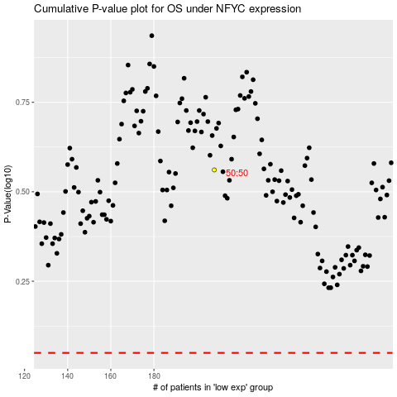

 |  |  |  |  |  | cases_OS | p_OS | rank | exp
 |  |  |  |  |  |  | cases_RFS | p_RFS | rank | exp

