NGB _multivariate
Reported by Tex Li-Hsing Chi. tex@gate.sinica.edu.tw 2019-08-17

Table 2. The clinicopathological features of HNSCC cohort and NGB expression. (Chi square test)
Cutoff at -0.287 (50.0%)
 |  | NGB expression |  | NGB expression |  | (Optimised)
 | Features | Low | (%) | High | (%) | Case no | P-value | Remark | Matthews
Gender | Female | 142 | 34.2 | 164 | 39.5 | 415 | 0.0238 | 1 | 0
2 | Male | 65 | 15.7 | 44 | 10.6
Age at diagnosis | <=65y | 123 | 29.6 | 151 | 36.4 | 415 | 0.0063 | 1 | 0
4 | >65y | 84 | 20.2 | 57 | 13.7
Clinical T Status | T1+T2 | 80 | 19.3 | 69 | 16.6 | 415 | 0.2891 | 0 | 0
6 | T3+T4 | 127 | 30.6 | 139 | 33.5
Clinical N Status | N0 | 104 | 25.1 | 112 | 27 | 415 | 0.5243 | 0 | 0
8 | N1-3 | 103 | 24.8 | 96 | 23.1
Clinical M Status | M0 | 204 | 49.2 | 208 | 50.1 | 415 | 0.1232 | 0 | 0
10 | M1 | 3 | 0.7 | 0 | 0
Clinical Stage | Stage I+II | 51 | 12.3 | 51 | 12.3 | 415 | 1 | 0 | 0
12 | Stage III+IV | 156 | 37.6 | 157 | 37.8
Surgical Margin status | Negative | 159 | 38.3 | 159 | 38.3 | 415 | 1 | 0 | 0
14 | Positive | 48 | 11.6 | 49 | 11.8
Tobacco Exposure | Low | 100 | 24.1 | 61 | 14.7 | 415 | 1e-04 | 1 | 0
16 | High | 107 | 25.8 | 147 | 35.4

Table 3. Univariate/Multivariate Cox's proportional hazards regression analyses on OS time of NGB gene expression in HNSCC

 |  | Univariate |  |  |  | Multivariate
 | Features | HR | CI95%(L) | CI95%(H) | P-value | HR | CI95%(L) | CI95%(H) | P-value
1 | Female | 1 |  |  |  | 1
Gender | Male | 1.157 | 0.843 | 1.587 | 0.367 | 1.187 | 0.848 | 1.66 | 0.317
11 | <=65y | 1 |  |  |  | 1
Age at diagnosis | >65y | 1.329 | 0.99 | 1.784 | 0.058 | 1.376 | 1.011 | 1.873 | 0.043
12 | T1+T2 | 1 |  |  |  | 1
Clinical T Status | T3+T4 | 1.409 | 1.028 | 1.931 | 0.033 | 2.232 | 1.179 | 4.224 | 0.014
13 | N0 | 1 |  |  |  | 1
Clinical N Status | N1-3 | 1.185 | 0.89 | 1.577 | 0.246 | 1.238 | 0.868 | 1.766 | 0.238
14 | M0 | 1 |  |  |  | 1
Clinical M Status | M1 | 4.097 | 1.009 | 16.644 | 0.049 | 8.986 | 1.951 | 41.393 | 0.005
15 | Stage I+II | 1 |  |  |  | 1
Clinical Stage | Stage III+IV | 1.245 | 0.882 | 1.759 | 0.213 | 0.5 | 0.233 | 1.073 | 0.075
16 | Negative | 1 |  |  |  | 1
Surgical Margin status | Positive | 1.591 | 1.155 | 2.191 | 0.004 | 1.671 | 1.209 | 2.308 | 0.002
17 | Low | 1 |  |  |  | 1
Tobacco Exposure | High | 1.364 | 1.008 | 1.844 | 0.044 | 1.489 | 1.073 | 2.066 | 0.017
18 | Low | 1 |  |  |  | 1
RNAseq(z-score) | High | 0.924 | 0.693 | 1.231 | 0.589 | 0.896 | 0.662 | 1.214 | 0.479

Table 4. Univariate/Multivariate Cox's proportional hazards regression analyses on RFS time of NGB gene expression in HNSCC

 |  | Univariate |  |  |  | Multivariate
 | Features | HR | CI95%(L) | CI95%(H) | P-value | HR | CI95%(L) | CI95%(H) | P-value
1 | Female | 1 |  |  |  | 1
Gender | Male | 1.157 | 0.843 | 1.587 | 0.367 | 1.187 | 0.848 | 1.66 | 0.317
11 | <=65y | 1 |  |  |  | 1
Age at diagnosis | >65y | 1.329 | 0.99 | 1.784 | 0.058 | 1.376 | 1.011 | 1.873 | 0.043
12 | T1+T2 | 1 |  |  |  | 1
Clinical T Status | T3+T4 | 1.409 | 1.028 | 1.931 | 0.033 | 2.232 | 1.179 | 4.224 | 0.014
13 | N0 | 1 |  |  |  | 1
Clinical N Status | N1-3 | 1.185 | 0.89 | 1.577 | 0.246 | 1.238 | 0.868 | 1.766 | 0.238
14 | M0 | 1 |  |  |  | 1
Clinical M Status | M1 | 4.097 | 1.009 | 16.644 | 0.049 | 8.986 | 1.951 | 41.393 | 0.005
15 | Stage I+II | 1 |  |  |  | 1
Clinical Stage | Stage III+IV | 1.245 | 0.882 | 1.759 | 0.213 | 0.5 | 0.233 | 1.073 | 0.075
16 | Negative | 1 |  |  |  | 1
Surgical Margin status | Positive | 1.591 | 1.155 | 2.191 | 0.004 | 1.671 | 1.209 | 2.308 | 0.002
17 | Low | 1 |  |  |  | 1
Tobacco Exposure | High | 1.364 | 1.008 | 1.844 | 0.044 | 1.489 | 1.073 | 2.066 | 0.017
18 | Low | 1 |  |  |  | 1
RNAseq(z-score) | High | 0.924 | 0.693 | 1.231 | 0.589 | 0.896 | 0.662 | 1.214 | 0.479

Kaplan-Meier survival estimate: Cutoff at -0.287 (50.0%)



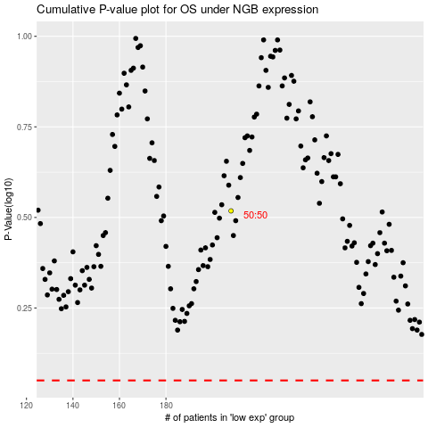

 |  |  |  |  |  | cases_OS | p_OS | rank | exp
 |  |  |  |  |  |  | cases_RFS | p_RFS | rank | exp

