NGDN _multivariate
Reported by Tex Li-Hsing Chi. tex@gate.sinica.edu.tw 2019-08-17

Table 2. The clinicopathological features of HNSCC cohort and NGDN expression. (Chi square test)
Cutoff at -0.554 (32.4%)
 |  | NGDN expression |  | NGDN expression |  | (Optimised)
 | Features | Low | (%) | High | (%) | Case no | P-value | Remark | Matthews
Gender | Female | 99 | 23.9 | 207 | 49.9 | 415 | 1 | 0 | 0
2 | Male | 35 | 8.4 | 74 | 17.8
Age at diagnosis | <=65y | 92 | 22.2 | 182 | 43.9 | 415 | 0.5021 | 0 | 0
4 | >65y | 42 | 10.1 | 99 | 23.9
Clinical T Status | T1+T2 | 49 | 11.8 | 100 | 24.1 | 415 | 0.9321 | 0 | 0
6 | T3+T4 | 85 | 20.5 | 181 | 43.6
Clinical N Status | N0 | 69 | 16.6 | 147 | 35.4 | 415 | 0.959 | 0 | 0
8 | N1-3 | 65 | 15.7 | 134 | 32.3
Clinical M Status | M0 | 134 | 32.3 | 278 | 67 | 415 | 0.5542 | 0 | 0
10 | M1 | 0 | 0 | 3 | 0.7
Clinical Stage | Stage I+II | 32 | 7.7 | 70 | 16.9 | 415 | 0.9155 | 0 | 0
12 | Stage III+IV | 102 | 24.6 | 211 | 50.8
Surgical Margin status | Negative | 109 | 26.3 | 209 | 50.4 | 415 | 0.1368 | 0 | 0
14 | Positive | 25 | 6 | 72 | 17.3
Tobacco Exposure | Low | 56 | 13.5 | 105 | 25.3 | 415 | 0.3911 | 0 | 0
16 | High | 78 | 18.8 | 176 | 42.4

Table 3. Univariate/Multivariate Cox's proportional hazards regression analyses on OS time of NGDN gene expression in HNSCC

 |  | Univariate |  |  |  | Multivariate
 | Features | HR | CI95%(L) | CI95%(H) | P-value | HR | CI95%(L) | CI95%(H) | P-value
1 | Female | 1 |  |  |  | 1
Gender | Male | 1.157 | 0.843 | 1.587 | 0.367 | 1.181 | 0.843 | 1.653 | 0.333
11 | <=65y | 1 |  |  |  | 1
Age at diagnosis | >65y | 1.329 | 0.99 | 1.784 | 0.058 | 1.377 | 1.013 | 1.873 | 0.041
12 | T1+T2 | 1 |  |  |  | 1
Clinical T Status | T3+T4 | 1.409 | 1.028 | 1.931 | 0.033 | 2.132 | 1.126 | 4.038 | 0.02
13 | N0 | 1 |  |  |  | 1
Clinical N Status | N1-3 | 1.185 | 0.89 | 1.577 | 0.246 | 1.233 | 0.863 | 1.76 | 0.25
14 | M0 | 1 |  |  |  | 1
Clinical M Status | M1 | 4.097 | 1.009 | 16.644 | 0.049 | 8.447 | 1.832 | 38.94 | 0.006
15 | Stage I+II | 1 |  |  |  | 1
Clinical Stage | Stage III+IV | 1.245 | 0.882 | 1.759 | 0.213 | 0.52 | 0.242 | 1.116 | 0.093
16 | Negative | 1 |  |  |  | 1
Surgical Margin status | Positive | 1.591 | 1.155 | 2.191 | 0.004 | 1.626 | 1.175 | 2.25 | 0.003
17 | Low | 1 |  |  |  | 1
Tobacco Exposure | High | 1.364 | 1.008 | 1.844 | 0.044 | 1.446 | 1.049 | 1.994 | 0.024
18 | Low | 1 |  |  |  | 1
RNAseq(z-score) | High | 1.441 | 1.049 | 1.979 | 0.024 | 1.28 | 0.928 | 1.765 | 0.132

Table 4. Univariate/Multivariate Cox's proportional hazards regression analyses on RFS time of NGDN gene expression in HNSCC

 |  | Univariate |  |  |  | Multivariate
 | Features | HR | CI95%(L) | CI95%(H) | P-value | HR | CI95%(L) | CI95%(H) | P-value
1 | Female | 1 |  |  |  | 1
Gender | Male | 1.157 | 0.843 | 1.587 | 0.367 | 1.181 | 0.843 | 1.653 | 0.333
11 | <=65y | 1 |  |  |  | 1
Age at diagnosis | >65y | 1.329 | 0.99 | 1.784 | 0.058 | 1.377 | 1.013 | 1.873 | 0.041
12 | T1+T2 | 1 |  |  |  | 1
Clinical T Status | T3+T4 | 1.409 | 1.028 | 1.931 | 0.033 | 2.132 | 1.126 | 4.038 | 0.02
13 | N0 | 1 |  |  |  | 1
Clinical N Status | N1-3 | 1.185 | 0.89 | 1.577 | 0.246 | 1.233 | 0.863 | 1.76 | 0.25
14 | M0 | 1 |  |  |  | 1
Clinical M Status | M1 | 4.097 | 1.009 | 16.644 | 0.049 | 8.447 | 1.832 | 38.94 | 0.006
15 | Stage I+II | 1 |  |  |  | 1
Clinical Stage | Stage III+IV | 1.245 | 0.882 | 1.759 | 0.213 | 0.52 | 0.242 | 1.116 | 0.093
16 | Negative | 1 |  |  |  | 1
Surgical Margin status | Positive | 1.591 | 1.155 | 2.191 | 0.004 | 1.626 | 1.175 | 2.25 | 0.003
17 | Low | 1 |  |  |  | 1
Tobacco Exposure | High | 1.364 | 1.008 | 1.844 | 0.044 | 1.446 | 1.049 | 1.994 | 0.024
18 | Low | 1 |  |  |  | 1
RNAseq(z-score) | High | 1.441 | 1.049 | 1.979 | 0.024 | 1.28 | 0.928 | 1.765 | 0.132

Kaplan-Meier survival estimate: Cutoff at -0.554 (32.4%)

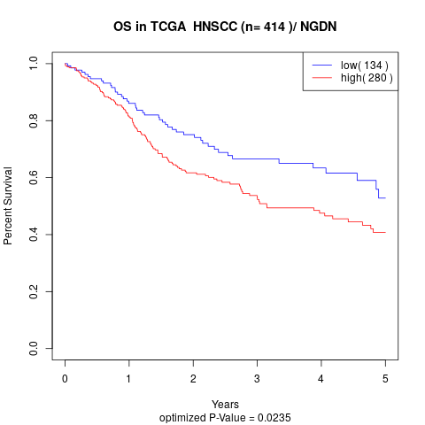

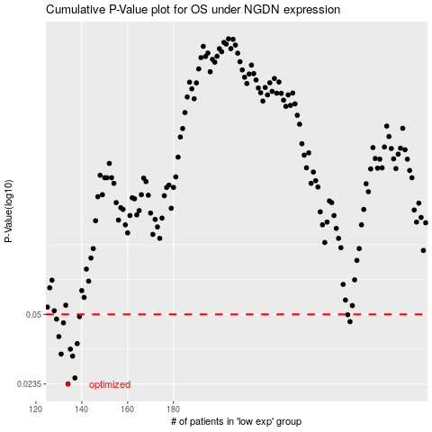

 |  |  |  |  |  | cases_OS | p_OS | rank | exp
 |  |  |  |  |  | 134 | 0.0235 | 198 | -0.55428900053
 |  |  |  |  |  | 137 | 0.0251 | 108 | -0.54486311393
 |  |  |  |  |  | 136 | 0.0318 | 149 | -0.54615324466
 |  |  |  |  |  | 131 | 0.0325 | 191 | -0.56347815081
 |  |  |  |  |  | 135 | 0.0343 | 384 | -0.55062410863
 |  |  |  |  |  | 138 | 0.0364 | 69 | -0.5377347204
 |  |  |  |  |  | 130 | 0.0393 | 164 | -0.56423891283
 |  |  |  |  |  | 132 | 0.0456 | 209 | -0.56284151096
 |  |  |  |  |  | 257 | 0.0462 | 267 | 0.071558798079
 |  |  |  |  |  | 129 | 0.0475 | 83 | -0.56819068311
 |  |  |  |  |  | 139 | 0.0488 | 62 | -0.53652555679
 |  |  |  |  |  | 256 | 0.0498 | 146 | 0.0695543484
 |  |  |  |  |  |  | cases_RFS | p_RFS | rank | exp
 |  |  |  |  |  |  | 133 | 0.0235 | 271 | -0.56259449963
 |  |  |  |  |  |  | 136 | 0.0251 | 149 | -0.54615324466
 |  |  |  |  |  |  | 135 | 0.0318 | 384 | -0.55062410863
 |  |  |  |  |  |  | 130 | 0.0325 | 164 | -0.56423891283
 |  |  |  |  |  |  | 134 | 0.0343 | 198 | -0.55428900053
 |  |  |  |  |  |  | 137 | 0.0364 | 108 | -0.54486311393
 |  |  |  |  |  |  | 129 | 0.0393 | 83 | -0.56819068311
 |  |  |  |  |  |  | 131 | 0.0456 | 191 | -0.56347815081
 |  |  |  |  |  |  | 256 | 0.0462 | 146 | 0.0695543484
 |  |  |  |  |  |  | 128 | 0.0475 | 332 | -0.57119180913
 |  |  |  |  |  |  | 138 | 0.0488 | 69 | -0.5377347204
 |  |  |  |  |  |  | 255 | 0.0498 | 178 | 0.060581795406

