NGF _multivariate
Reported by Tex Li-Hsing Chi. tex@gate.sinica.edu.tw 2019-08-17

Table 2. The clinicopathological features of HNSCC cohort and NGF expression. (Chi square test)
Cutoff at -0.295 (50.0%)
 |  | NGF expression |  | NGF expression |  | (Optimised)
 | Features | Low | (%) | High | (%) | Case no | P-value | Remark | Matthews
Gender | Female | 158 | 38.1 | 148 | 35.7 | 415 | 0.2774 | 0 | 0
2 | Male | 49 | 11.8 | 60 | 14.5
Age at diagnosis | <=65y | 130 | 31.3 | 144 | 34.7 | 415 | 0.2009 | 0 | 0
4 | >65y | 77 | 18.6 | 64 | 15.4
Clinical T Status | T1+T2 | 61 | 14.7 | 88 | 21.2 | 415 | 0.0087 | 1 | 0
6 | T3+T4 | 146 | 35.2 | 120 | 28.9
Clinical N Status | N0 | 101 | 24.3 | 115 | 27.7 | 415 | 0.2201 | 0 | 0
8 | N1-3 | 106 | 25.5 | 93 | 22.4
Clinical M Status | M0 | 206 | 49.6 | 206 | 49.6 | 415 | 1 | 0 | 0
10 | M1 | 1 | 0.2 | 2 | 0.5
Clinical Stage | Stage I+II | 37 | 8.9 | 65 | 15.7 | 415 | 0.0023 | 1 | 0
12 | Stage III+IV | 170 | 41 | 143 | 34.5
Surgical Margin status | Negative | 155 | 37.3 | 163 | 39.3 | 415 | 0.4187 | 0 | 0
14 | Positive | 52 | 12.5 | 45 | 10.8
Tobacco Exposure | Low | 74 | 17.8 | 87 | 21 | 415 | 0.227 | 0 | 0
16 | High | 133 | 32 | 121 | 29.2

Table 3. Univariate/Multivariate Cox's proportional hazards regression analyses on OS time of NGF gene expression in HNSCC

 |  | Univariate |  |  |  | Multivariate
 | Features | HR | CI95%(L) | CI95%(H) | P-value | HR | CI95%(L) | CI95%(H) | P-value
1 | Female | 1 |  |  |  | 1
Gender | Male | 1.157 | 0.843 | 1.587 | 0.367 | 1.195 | 0.854 | 1.673 | 0.298
11 | <=65y | 1 |  |  |  | 1
Age at diagnosis | >65y | 1.329 | 0.99 | 1.784 | 0.058 | 1.397 | 1.027 | 1.901 | 0.033
12 | T1+T2 | 1 |  |  |  | 1
Clinical T Status | T3+T4 | 1.409 | 1.028 | 1.931 | 0.033 | 2.205 | 1.166 | 4.168 | 0.015
13 | N0 | 1 |  |  |  | 1
Clinical N Status | N1-3 | 1.185 | 0.89 | 1.577 | 0.246 | 1.243 | 0.871 | 1.773 | 0.231
14 | M0 | 1 |  |  |  | 1
Clinical M Status | M1 | 4.097 | 1.009 | 16.644 | 0.049 | 9.257 | 2.012 | 42.581 | 0.004
15 | Stage I+II | 1 |  |  |  | 1
Clinical Stage | Stage III+IV | 1.245 | 0.882 | 1.759 | 0.213 | 0.508 | 0.236 | 1.091 | 0.082
16 | Negative | 1 |  |  |  | 1
Surgical Margin status | Positive | 1.591 | 1.155 | 2.191 | 0.004 | 1.671 | 1.209 | 2.309 | 0.002
17 | Low | 1 |  |  |  | 1
Tobacco Exposure | High | 1.364 | 1.008 | 1.844 | 0.044 | 1.455 | 1.056 | 2.005 | 0.022
18 | Low | 1 |  |  |  | 1
RNAseq(z-score) | High | 1.005 | 0.753 | 1.341 | 0.973 | 1.047 | 0.779 | 1.406 | 0.763

Table 4. Univariate/Multivariate Cox's proportional hazards regression analyses on RFS time of NGF gene expression in HNSCC

 |  | Univariate |  |  |  | Multivariate
 | Features | HR | CI95%(L) | CI95%(H) | P-value | HR | CI95%(L) | CI95%(H) | P-value
1 | Female | 1 |  |  |  | 1
Gender | Male | 1.157 | 0.843 | 1.587 | 0.367 | 1.195 | 0.854 | 1.673 | 0.298
11 | <=65y | 1 |  |  |  | 1
Age at diagnosis | >65y | 1.329 | 0.99 | 1.784 | 0.058 | 1.397 | 1.027 | 1.901 | 0.033
12 | T1+T2 | 1 |  |  |  | 1
Clinical T Status | T3+T4 | 1.409 | 1.028 | 1.931 | 0.033 | 2.205 | 1.166 | 4.168 | 0.015
13 | N0 | 1 |  |  |  | 1
Clinical N Status | N1-3 | 1.185 | 0.89 | 1.577 | 0.246 | 1.243 | 0.871 | 1.773 | 0.231
14 | M0 | 1 |  |  |  | 1
Clinical M Status | M1 | 4.097 | 1.009 | 16.644 | 0.049 | 9.257 | 2.012 | 42.581 | 0.004
15 | Stage I+II | 1 |  |  |  | 1
Clinical Stage | Stage III+IV | 1.245 | 0.882 | 1.759 | 0.213 | 0.508 | 0.236 | 1.091 | 0.082
16 | Negative | 1 |  |  |  | 1
Surgical Margin status | Positive | 1.591 | 1.155 | 2.191 | 0.004 | 1.671 | 1.209 | 2.309 | 0.002
17 | Low | 1 |  |  |  | 1
Tobacco Exposure | High | 1.364 | 1.008 | 1.844 | 0.044 | 1.455 | 1.056 | 2.005 | 0.022
18 | Low | 1 |  |  |  | 1
RNAseq(z-score) | High | 1.005 | 0.753 | 1.341 | 0.973 | 1.047 | 0.779 | 1.406 | 0.763

Kaplan-Meier survival estimate: Cutoff at -0.295 (50.0%)

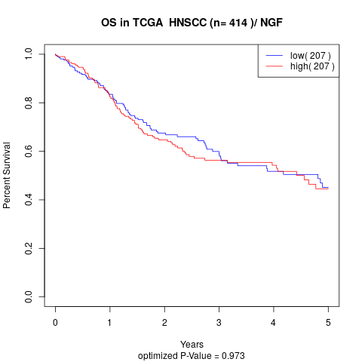

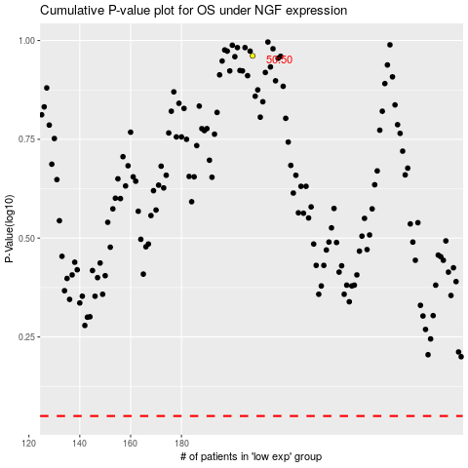

 |  |  |  |  |  | cases_OS | p_OS | rank | exp
 |  |  |  |  |  |  | cases_RFS | p_RFS | rank | exp

