NHEDC1 _multivariate
Reported by Tex Li-Hsing Chi. tex@gate.sinica.edu.tw 2019-08-17

Table 2. The clinicopathological features of HNSCC cohort and NHEDC1 expression. (Chi square test)
Cutoff at -0.264 (49.8%)
 |  | NHEDC1 expression |  | NHEDC1 expression |  | (Optimised)
 | Features | Low | (%) | High | (%) | Case no | P-value | Remark | Matthews
Gender | Female | 148 | 35.7 | 158 | 38.1 | 415 | 0.3567 | 0 | 0
2 | Male | 59 | 14.2 | 50 | 12
Age at diagnosis | <=65y | 130 | 31.3 | 144 | 34.7 | 415 | 0.2009 | 0 | 0
4 | >65y | 77 | 18.6 | 64 | 15.4
Clinical T Status | T1+T2 | 76 | 18.3 | 73 | 17.6 | 415 | 0.8092 | 0 | 0
6 | T3+T4 | 131 | 31.6 | 135 | 32.5
Clinical N Status | N0 | 106 | 25.5 | 110 | 26.5 | 415 | 0.8075 | 0 | 0
8 | N1-3 | 101 | 24.3 | 98 | 23.6
Clinical M Status | M0 | 206 | 49.6 | 206 | 49.6 | 415 | 1 | 0 | 0
10 | M1 | 1 | 0.2 | 2 | 0.5
Clinical Stage | Stage I+II | 58 | 14 | 44 | 10.6 | 415 | 0.131 | 0 | 0
12 | Stage III+IV | 149 | 35.9 | 164 | 39.5
Surgical Margin status | Negative | 154 | 37.1 | 164 | 39.5 | 415 | 0.2984 | 0 | 0
14 | Positive | 53 | 12.8 | 44 | 10.6
Tobacco Exposure | Low | 95 | 22.9 | 66 | 15.9 | 415 | 0.0035 | 1 | 0
16 | High | 112 | 27 | 142 | 34.2

Table 3. Univariate/Multivariate Cox's proportional hazards regression analyses on OS time of NHEDC1 gene expression in HNSCC

 |  | Univariate |  |  |  | Multivariate
 | Features | HR | CI95%(L) | CI95%(H) | P-value | HR | CI95%(L) | CI95%(H) | P-value
1 | Female | 1 |  |  |  | 1
Gender | Male | 1.157 | 0.843 | 1.587 | 0.367 | 1.205 | 0.862 | 1.685 | 0.274
11 | <=65y | 1 |  |  |  | 1
Age at diagnosis | >65y | 1.329 | 0.99 | 1.784 | 0.058 | 1.379 | 1.013 | 1.879 | 0.041
12 | T1+T2 | 1 |  |  |  | 1
Clinical T Status | T3+T4 | 1.409 | 1.028 | 1.931 | 0.033 | 2.188 | 1.156 | 4.138 | 0.016
13 | N0 | 1 |  |  |  | 1
Clinical N Status | N1-3 | 1.185 | 0.89 | 1.577 | 0.246 | 1.233 | 0.864 | 1.761 | 0.248
14 | M0 | 1 |  |  |  | 1
Clinical M Status | M1 | 4.097 | 1.009 | 16.644 | 0.049 | 9.603 | 2.091 | 44.102 | 0.004
15 | Stage I+II | 1 |  |  |  | 1
Clinical Stage | Stage III+IV | 1.245 | 0.882 | 1.759 | 0.213 | 0.511 | 0.238 | 1.099 | 0.086
16 | Negative | 1 |  |  |  | 1
Surgical Margin status | Positive | 1.591 | 1.155 | 2.191 | 0.004 | 1.663 | 1.203 | 2.298 | 0.002
17 | Low | 1 |  |  |  | 1
Tobacco Exposure | High | 1.364 | 1.008 | 1.844 | 0.044 | 1.47 | 1.064 | 2.03 | 0.02
18 | Low | 1 |  |  |  | 1
RNAseq(z-score) | High | 0.895 | 0.672 | 1.191 | 0.447 | 0.918 | 0.685 | 1.229 | 0.565

Table 4. Univariate/Multivariate Cox's proportional hazards regression analyses on RFS time of NHEDC1 gene expression in HNSCC

 |  | Univariate |  |  |  | Multivariate
 | Features | HR | CI95%(L) | CI95%(H) | P-value | HR | CI95%(L) | CI95%(H) | P-value
1 | Female | 1 |  |  |  | 1
Gender | Male | 1.157 | 0.843 | 1.587 | 0.367 | 1.205 | 0.862 | 1.685 | 0.274
11 | <=65y | 1 |  |  |  | 1
Age at diagnosis | >65y | 1.329 | 0.99 | 1.784 | 0.058 | 1.379 | 1.013 | 1.879 | 0.041
12 | T1+T2 | 1 |  |  |  | 1
Clinical T Status | T3+T4 | 1.409 | 1.028 | 1.931 | 0.033 | 2.188 | 1.156 | 4.138 | 0.016
13 | N0 | 1 |  |  |  | 1
Clinical N Status | N1-3 | 1.185 | 0.89 | 1.577 | 0.246 | 1.233 | 0.864 | 1.761 | 0.248
14 | M0 | 1 |  |  |  | 1
Clinical M Status | M1 | 4.097 | 1.009 | 16.644 | 0.049 | 9.603 | 2.091 | 44.102 | 0.004
15 | Stage I+II | 1 |  |  |  | 1
Clinical Stage | Stage III+IV | 1.245 | 0.882 | 1.759 | 0.213 | 0.511 | 0.238 | 1.099 | 0.086
16 | Negative | 1 |  |  |  | 1
Surgical Margin status | Positive | 1.591 | 1.155 | 2.191 | 0.004 | 1.663 | 1.203 | 2.298 | 0.002
17 | Low | 1 |  |  |  | 1
Tobacco Exposure | High | 1.364 | 1.008 | 1.844 | 0.044 | 1.47 | 1.064 | 2.03 | 0.02
18 | Low | 1 |  |  |  | 1
RNAseq(z-score) | High | 0.895 | 0.672 | 1.191 | 0.447 | 0.918 | 0.685 | 1.229 | 0.565

Kaplan-Meier survival estimate: Cutoff at -0.264 (49.8%)



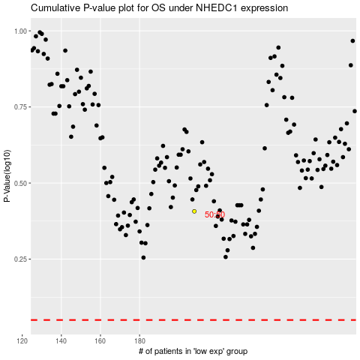

 |  |  |  |  |  | cases_OS | p_OS | rank | exp
 |  |  |  |  |  |  | cases_RFS | p_RFS | rank | exp

