NHEJ1 _multivariate
Reported by Tex Li-Hsing Chi. tex@gate.sinica.edu.tw 2019-08-17

Table 2. The clinicopathological features of HNSCC cohort and NHEJ1 expression. (Chi square test)
Cutoff at 0.313 (67.4%)
 |  | NHEJ1 expression |  | NHEJ1 expression |  | (Optimised)
 | Features | Low | (%) | High | (%) | Case no | P-value | Remark | Matthews
Gender | Female | 200 | 48.2 | 106 | 25.5 | 415 | 0.156 | 0 | 0
2 | Male | 80 | 19.3 | 29 | 7
Age at diagnosis | <=65y | 177 | 42.7 | 97 | 23.4 | 415 | 0.1031 | 0 | 0
4 | >65y | 103 | 24.8 | 38 | 9.2
Clinical T Status | T1+T2 | 95 | 22.9 | 54 | 13 | 415 | 0.2719 | 0 | 0
6 | T3+T4 | 185 | 44.6 | 81 | 19.5
Clinical N Status | N0 | 151 | 36.4 | 65 | 15.7 | 415 | 0.3176 | 0 | 0
8 | N1-3 | 129 | 31.1 | 70 | 16.9
Clinical M Status | M0 | 278 | 67 | 134 | 32.3 | 415 | 1 | 0 | 0
10 | M1 | 2 | 0.5 | 1 | 0.2
Clinical Stage | Stage I+II | 68 | 16.4 | 34 | 8.2 | 415 | 0.9381 | 0 | 0
12 | Stage III+IV | 212 | 51.1 | 101 | 24.3
Surgical Margin status | Negative | 216 | 52 | 102 | 24.6 | 415 | 0.7123 | 0 | 0
14 | Positive | 64 | 15.4 | 33 | 8
Tobacco Exposure | Low | 115 | 27.7 | 46 | 11.1 | 415 | 0.1971 | 0 | 0
16 | High | 165 | 39.8 | 89 | 21.4

Table 3. Univariate/Multivariate Cox's proportional hazards regression analyses on OS time of NHEJ1 gene expression in HNSCC

 |  | Univariate |  |  |  | Multivariate
 | Features | HR | CI95%(L) | CI95%(H) | P-value | HR | CI95%(L) | CI95%(H) | P-value
1 | Female | 1 |  |  |  | 1
Gender | Male | 1.157 | 0.843 | 1.587 | 0.367 | 1.185 | 0.848 | 1.656 | 0.319
11 | <=65y | 1 |  |  |  | 1
Age at diagnosis | >65y | 1.329 | 0.99 | 1.784 | 0.058 | 1.37 | 1.009 | 1.861 | 0.044
12 | T1+T2 | 1 |  |  |  | 1
Clinical T Status | T3+T4 | 1.409 | 1.028 | 1.931 | 0.033 | 2.123 | 1.122 | 4.018 | 0.021
13 | N0 | 1 |  |  |  | 1
Clinical N Status | N1-3 | 1.185 | 0.89 | 1.577 | 0.246 | 1.244 | 0.872 | 1.775 | 0.228
14 | M0 | 1 |  |  |  | 1
Clinical M Status | M1 | 4.097 | 1.009 | 16.644 | 0.049 | 9.095 | 1.984 | 41.701 | 0.004
15 | Stage I+II | 1 |  |  |  | 1
Clinical Stage | Stage III+IV | 1.245 | 0.882 | 1.759 | 0.213 | 0.536 | 0.249 | 1.152 | 0.11
16 | Negative | 1 |  |  |  | 1
Surgical Margin status | Positive | 1.591 | 1.155 | 2.191 | 0.004 | 1.665 | 1.205 | 2.301 | 0.002
17 | Low | 1 |  |  |  | 1
Tobacco Exposure | High | 1.364 | 1.008 | 1.844 | 0.044 | 1.458 | 1.058 | 2.009 | 0.021
18 | Low | 1 |  |  |  | 1
RNAseq(z-score) | High | 0.717 | 0.522 | 0.986 | 0.04 | 0.73 | 0.529 | 1.006 | 0.054

Table 4. Univariate/Multivariate Cox's proportional hazards regression analyses on RFS time of NHEJ1 gene expression in HNSCC

 |  | Univariate |  |  |  | Multivariate
 | Features | HR | CI95%(L) | CI95%(H) | P-value | HR | CI95%(L) | CI95%(H) | P-value
1 | Female | 1 |  |  |  | 1
Gender | Male | 1.157 | 0.843 | 1.587 | 0.367 | 1.185 | 0.848 | 1.656 | 0.319
11 | <=65y | 1 |  |  |  | 1
Age at diagnosis | >65y | 1.329 | 0.99 | 1.784 | 0.058 | 1.37 | 1.009 | 1.861 | 0.044
12 | T1+T2 | 1 |  |  |  | 1
Clinical T Status | T3+T4 | 1.409 | 1.028 | 1.931 | 0.033 | 2.123 | 1.122 | 4.018 | 0.021
13 | N0 | 1 |  |  |  | 1
Clinical N Status | N1-3 | 1.185 | 0.89 | 1.577 | 0.246 | 1.244 | 0.872 | 1.775 | 0.228
14 | M0 | 1 |  |  |  | 1
Clinical M Status | M1 | 4.097 | 1.009 | 16.644 | 0.049 | 9.095 | 1.984 | 41.701 | 0.004
15 | Stage I+II | 1 |  |  |  | 1
Clinical Stage | Stage III+IV | 1.245 | 0.882 | 1.759 | 0.213 | 0.536 | 0.249 | 1.152 | 0.11
16 | Negative | 1 |  |  |  | 1
Surgical Margin status | Positive | 1.591 | 1.155 | 2.191 | 0.004 | 1.665 | 1.205 | 2.301 | 0.002
17 | Low | 1 |  |  |  | 1
Tobacco Exposure | High | 1.364 | 1.008 | 1.844 | 0.044 | 1.458 | 1.058 | 2.009 | 0.021
18 | Low | 1 |  |  |  | 1
RNAseq(z-score) | High | 0.717 | 0.522 | 0.986 | 0.04 | 0.73 | 0.529 | 1.006 | 0.054

Kaplan-Meier survival estimate: Cutoff at 0.313 (67.4%)



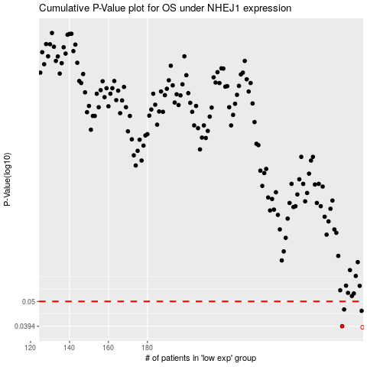

 |  |  |  |  |  | cases_OS | p_OS | rank | exp
 |  |  |  |  |  | 280 | 0.0394 | 290 | 0.31346314965
 |  |  |  |  |  | 290 | 0.0457 | 101 | 0.38071904097
 |  |  |  |  |  | 281 | 0.0463 | 301 | 0.31447341702
 |  |  |  |  |  |  | cases_RFS | p_RFS | rank | exp
 |  |  |  |  |  |  | 279 | 0.0394 | 394 | 0.30280748753
 |  |  |  |  |  |  | 289 | 0.0457 | 369 | 0.3639313218
 |  |  |  |  |  |  | 280 | 0.0463 | 290 | 0.31346314965

