NHLH2 _multivariate
Reported by Tex Li-Hsing Chi. tex@gate.sinica.edu.tw 2019-08-17

Table 2. The clinicopathological features of HNSCC cohort and NHLH2 expression. (Chi square test)
Cutoff at -0.325 (50.0%)
 |  | NHLH2 expression |  | NHLH2 expression |  | (Optimised)
 | Features | Low | (%) | High | (%) | Case no | P-value | Remark | Matthews
Gender | Female | 163 | 39.3 | 143 | 34.5 | 415 | 0.0277 | 1 | 0
2 | Male | 44 | 10.6 | 65 | 15.7
Age at diagnosis | <=65y | 136 | 32.8 | 138 | 33.3 | 415 | 0.9719 | 0 | 0
4 | >65y | 71 | 17.1 | 70 | 16.9
Clinical T Status | T1+T2 | 65 | 15.7 | 84 | 20.2 | 415 | 0.0711 | 0 | 0
6 | T3+T4 | 142 | 34.2 | 124 | 29.9
Clinical N Status | N0 | 99 | 23.9 | 117 | 28.2 | 415 | 0.1054 | 0 | 0
8 | N1-3 | 108 | 26 | 91 | 21.9
Clinical M Status | M0 | 206 | 49.6 | 206 | 49.6 | 415 | 1 | 0 | 0
10 | M1 | 1 | 0.2 | 2 | 0.5
Clinical Stage | Stage I+II | 42 | 10.1 | 60 | 14.5 | 415 | 0.0561 | 0 | 0
12 | Stage III+IV | 165 | 39.8 | 148 | 35.7
Surgical Margin status | Negative | 162 | 39 | 156 | 37.6 | 415 | 0.4867 | 0 | 0
14 | Positive | 45 | 10.8 | 52 | 12.5
Tobacco Exposure | Low | 69 | 16.6 | 92 | 22.2 | 415 | 0.0266 | 1 | 0
16 | High | 138 | 33.3 | 116 | 28

Table 3. Univariate/Multivariate Cox's proportional hazards regression analyses on OS time of NHLH2 gene expression in HNSCC

 |  | Univariate |  |  |  | Multivariate
 | Features | HR | CI95%(L) | CI95%(H) | P-value | HR | CI95%(L) | CI95%(H) | P-value
1 | Female | 1 |  |  |  | 1
Gender | Male | 1.157 | 0.843 | 1.587 | 0.367 | 1.212 | 0.867 | 1.695 | 0.261
11 | <=65y | 1 |  |  |  | 1
Age at diagnosis | >65y | 1.329 | 0.99 | 1.784 | 0.058 | 1.393 | 1.024 | 1.893 | 0.035
12 | T1+T2 | 1 |  |  |  | 1
Clinical T Status | T3+T4 | 1.409 | 1.028 | 1.931 | 0.033 | 2.202 | 1.165 | 4.163 | 0.015
13 | N0 | 1 |  |  |  | 1
Clinical N Status | N1-3 | 1.185 | 0.89 | 1.577 | 0.246 | 1.246 | 0.873 | 1.779 | 0.226
14 | M0 | 1 |  |  |  | 1
Clinical M Status | M1 | 4.097 | 1.009 | 16.644 | 0.049 | 9.497 | 2.071 | 43.55 | 0.004
15 | Stage I+II | 1 |  |  |  | 1
Clinical Stage | Stage III+IV | 1.245 | 0.882 | 1.759 | 0.213 | 0.499 | 0.232 | 1.072 | 0.075
16 | Negative | 1 |  |  |  | 1
Surgical Margin status | Positive | 1.591 | 1.155 | 2.191 | 0.004 | 1.665 | 1.205 | 2.301 | 0.002
17 | Low | 1 |  |  |  | 1
Tobacco Exposure | High | 1.364 | 1.008 | 1.844 | 0.044 | 1.446 | 1.049 | 1.992 | 0.024
18 | Low | 1 |  |  |  | 1
RNAseq(z-score) | High | 0.89 | 0.666 | 1.189 | 0.431 | 0.916 | 0.683 | 1.229 | 0.559

Table 4. Univariate/Multivariate Cox's proportional hazards regression analyses on RFS time of NHLH2 gene expression in HNSCC

 |  | Univariate |  |  |  | Multivariate
 | Features | HR | CI95%(L) | CI95%(H) | P-value | HR | CI95%(L) | CI95%(H) | P-value
1 | Female | 1 |  |  |  | 1
Gender | Male | 1.157 | 0.843 | 1.587 | 0.367 | 1.212 | 0.867 | 1.695 | 0.261
11 | <=65y | 1 |  |  |  | 1
Age at diagnosis | >65y | 1.329 | 0.99 | 1.784 | 0.058 | 1.393 | 1.024 | 1.893 | 0.035
12 | T1+T2 | 1 |  |  |  | 1
Clinical T Status | T3+T4 | 1.409 | 1.028 | 1.931 | 0.033 | 2.202 | 1.165 | 4.163 | 0.015
13 | N0 | 1 |  |  |  | 1
Clinical N Status | N1-3 | 1.185 | 0.89 | 1.577 | 0.246 | 1.246 | 0.873 | 1.779 | 0.226
14 | M0 | 1 |  |  |  | 1
Clinical M Status | M1 | 4.097 | 1.009 | 16.644 | 0.049 | 9.497 | 2.071 | 43.55 | 0.004
15 | Stage I+II | 1 |  |  |  | 1
Clinical Stage | Stage III+IV | 1.245 | 0.882 | 1.759 | 0.213 | 0.499 | 0.232 | 1.072 | 0.075
16 | Negative | 1 |  |  |  | 1
Surgical Margin status | Positive | 1.591 | 1.155 | 2.191 | 0.004 | 1.665 | 1.205 | 2.301 | 0.002
17 | Low | 1 |  |  |  | 1
Tobacco Exposure | High | 1.364 | 1.008 | 1.844 | 0.044 | 1.446 | 1.049 | 1.992 | 0.024
18 | Low | 1 |  |  |  | 1
RNAseq(z-score) | High | 0.89 | 0.666 | 1.189 | 0.431 | 0.916 | 0.683 | 1.229 | 0.559

Kaplan-Meier survival estimate: Cutoff at -0.325 (50.0%)



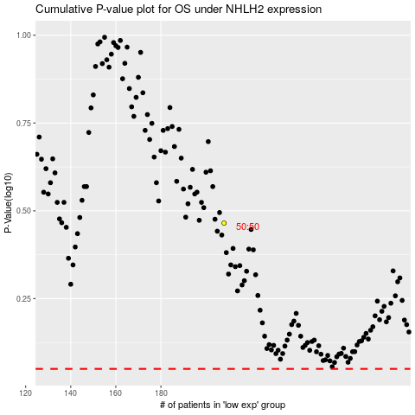

 |  |  |  |  |  | cases_OS | p_OS | rank | exp
 |  |  |  |  |  |  | cases_RFS | p_RFS | rank | exp

