NHLRC3 _multivariate
Reported by Tex Li-Hsing Chi. tex@gate.sinica.edu.tw 2019-08-17

Table 2. The clinicopathological features of HNSCC cohort and NHLRC3 expression. (Chi square test)
Cutoff at -0.187 (49.8%)
 |  | NHLRC3 expression |  | NHLRC3 expression |  | (Optimised)
 | Features | Low | (%) | High | (%) | Case no | P-value | Remark | Matthews
Gender | Female | 158 | 38.1 | 148 | 35.7 | 415 | 0.2774 | 0 | 0
2 | Male | 49 | 11.8 | 60 | 14.5
Age at diagnosis | <=65y | 146 | 35.2 | 128 | 30.8 | 415 | 0.0672 | 0 | 0
4 | >65y | 61 | 14.7 | 80 | 19.3
Clinical T Status | T1+T2 | 69 | 16.6 | 80 | 19.3 | 415 | 0.3239 | 0 | 0
6 | T3+T4 | 138 | 33.3 | 128 | 30.8
Clinical N Status | N0 | 108 | 26 | 108 | 26 | 415 | 1 | 0 | 0
8 | N1-3 | 99 | 23.9 | 100 | 24.1
Clinical M Status | M0 | 204 | 49.2 | 208 | 50.1 | 415 | 0.1232 | 0 | 0
10 | M1 | 3 | 0.7 | 0 | 0
Clinical Stage | Stage I+II | 47 | 11.3 | 55 | 13.3 | 415 | 0.4413 | 0 | 0
12 | Stage III+IV | 160 | 38.6 | 153 | 36.9
Surgical Margin status | Negative | 161 | 38.8 | 157 | 37.8 | 415 | 0.6429 | 0 | 0
14 | Positive | 46 | 11.1 | 51 | 12.3
Tobacco Exposure | Low | 73 | 17.6 | 88 | 21.2 | 415 | 0.1587 | 0 | 0
16 | High | 134 | 32.3 | 120 | 28.9

Table 3. Univariate/Multivariate Cox's proportional hazards regression analyses on OS time of NHLRC3 gene expression in HNSCC

 |  | Univariate |  |  |  | Multivariate
 | Features | HR | CI95%(L) | CI95%(H) | P-value | HR | CI95%(L) | CI95%(H) | P-value
1 | Female | 1 |  |  |  | 1
Gender | Male | 1.157 | 0.843 | 1.587 | 0.367 | 1.206 | 0.863 | 1.685 | 0.272
11 | <=65y | 1 |  |  |  | 1
Age at diagnosis | >65y | 1.329 | 0.99 | 1.784 | 0.058 | 1.377 | 1.01 | 1.876 | 0.043
12 | T1+T2 | 1 |  |  |  | 1
Clinical T Status | T3+T4 | 1.409 | 1.028 | 1.931 | 0.033 | 2.21 | 1.169 | 4.181 | 0.015
13 | N0 | 1 |  |  |  | 1
Clinical N Status | N1-3 | 1.185 | 0.89 | 1.577 | 0.246 | 1.232 | 0.863 | 1.76 | 0.25
14 | M0 | 1 |  |  |  | 1
Clinical M Status | M1 | 4.097 | 1.009 | 16.644 | 0.049 | 9.877 | 2.132 | 45.748 | 0.003
15 | Stage I+II | 1 |  |  |  | 1
Clinical Stage | Stage III+IV | 1.245 | 0.882 | 1.759 | 0.213 | 0.504 | 0.235 | 1.081 | 0.079
16 | Negative | 1 |  |  |  | 1
Surgical Margin status | Positive | 1.591 | 1.155 | 2.191 | 0.004 | 1.672 | 1.21 | 2.311 | 0.002
17 | Low | 1 |  |  |  | 1
Tobacco Exposure | High | 1.364 | 1.008 | 1.844 | 0.044 | 1.459 | 1.059 | 2.01 | 0.021
18 | Low | 1 |  |  |  | 1
RNAseq(z-score) | High | 1.072 | 0.805 | 1.428 | 0.635 | 1.086 | 0.811 | 1.454 | 0.581

Table 4. Univariate/Multivariate Cox's proportional hazards regression analyses on RFS time of NHLRC3 gene expression in HNSCC

 |  | Univariate |  |  |  | Multivariate
 | Features | HR | CI95%(L) | CI95%(H) | P-value | HR | CI95%(L) | CI95%(H) | P-value
1 | Female | 1 |  |  |  | 1
Gender | Male | 1.157 | 0.843 | 1.587 | 0.367 | 1.206 | 0.863 | 1.685 | 0.272
11 | <=65y | 1 |  |  |  | 1
Age at diagnosis | >65y | 1.329 | 0.99 | 1.784 | 0.058 | 1.377 | 1.01 | 1.876 | 0.043
12 | T1+T2 | 1 |  |  |  | 1
Clinical T Status | T3+T4 | 1.409 | 1.028 | 1.931 | 0.033 | 2.21 | 1.169 | 4.181 | 0.015
13 | N0 | 1 |  |  |  | 1
Clinical N Status | N1-3 | 1.185 | 0.89 | 1.577 | 0.246 | 1.232 | 0.863 | 1.76 | 0.25
14 | M0 | 1 |  |  |  | 1
Clinical M Status | M1 | 4.097 | 1.009 | 16.644 | 0.049 | 9.877 | 2.132 | 45.748 | 0.003
15 | Stage I+II | 1 |  |  |  | 1
Clinical Stage | Stage III+IV | 1.245 | 0.882 | 1.759 | 0.213 | 0.504 | 0.235 | 1.081 | 0.079
16 | Negative | 1 |  |  |  | 1
Surgical Margin status | Positive | 1.591 | 1.155 | 2.191 | 0.004 | 1.672 | 1.21 | 2.311 | 0.002
17 | Low | 1 |  |  |  | 1
Tobacco Exposure | High | 1.364 | 1.008 | 1.844 | 0.044 | 1.459 | 1.059 | 2.01 | 0.021
18 | Low | 1 |  |  |  | 1
RNAseq(z-score) | High | 1.072 | 0.805 | 1.428 | 0.635 | 1.086 | 0.811 | 1.454 | 0.581

Kaplan-Meier survival estimate: Cutoff at -0.187 (49.8%)



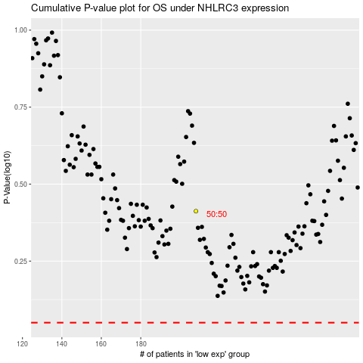

 |  |  |  |  |  | cases_OS | p_OS | rank | exp
 |  |  |  |  |  |  | cases_RFS | p_RFS | rank | exp

