NHP2 _multivariate
Reported by Tex Li-Hsing Chi. tex@gate.sinica.edu.tw 2019-08-17

Table 2. The clinicopathological features of HNSCC cohort and NHP2 expression. (Chi square test)
Cutoff at -0.286 (49.8%)
 |  | NHP2 expression |  | NHP2 expression |  | (Optimised)
 | Features | Low | (%) | High | (%) | Case no | P-value | Remark | Matthews
Gender | Female | 157 | 37.8 | 149 | 35.9 | 415 | 0.3881 | 0 | 0
2 | Male | 50 | 12 | 59 | 14.2
Age at diagnosis | <=65y | 139 | 33.5 | 135 | 32.5 | 415 | 0.7044 | 0 | 0
4 | >65y | 68 | 16.4 | 73 | 17.6
Clinical T Status | T1+T2 | 76 | 18.3 | 73 | 17.6 | 415 | 0.8092 | 0 | 0
6 | T3+T4 | 131 | 31.6 | 135 | 32.5
Clinical N Status | N0 | 106 | 25.5 | 110 | 26.5 | 415 | 0.8075 | 0 | 0
8 | N1-3 | 101 | 24.3 | 98 | 23.6
Clinical M Status | M0 | 207 | 49.9 | 205 | 49.4 | 415 | 0.2482 | 0 | 0
10 | M1 | 0 | 0 | 3 | 0.7
Clinical Stage | Stage I+II | 58 | 14 | 44 | 10.6 | 415 | 0.131 | 0 | 0
12 | Stage III+IV | 149 | 35.9 | 164 | 39.5
Surgical Margin status | Negative | 168 | 40.5 | 150 | 36.1 | 415 | 0.0366 | 1 | 0
14 | Positive | 39 | 9.4 | 58 | 14
Tobacco Exposure | Low | 80 | 19.3 | 81 | 19.5 | 415 | 1 | 0 | 0
16 | High | 127 | 30.6 | 127 | 30.6

Table 3. Univariate/Multivariate Cox's proportional hazards regression analyses on OS time of NHP2 gene expression in HNSCC

 |  | Univariate |  |  |  | Multivariate
 | Features | HR | CI95%(L) | CI95%(H) | P-value | HR | CI95%(L) | CI95%(H) | P-value
1 | Female | 1 |  |  |  | 1
Gender | Male | 1.157 | 0.843 | 1.587 | 0.367 | 1.192 | 0.851 | 1.669 | 0.307
11 | <=65y | 1 |  |  |  | 1
Age at diagnosis | >65y | 1.329 | 0.99 | 1.784 | 0.058 | 1.392 | 1.024 | 1.892 | 0.035
12 | T1+T2 | 1 |  |  |  | 1
Clinical T Status | T3+T4 | 1.409 | 1.028 | 1.931 | 0.033 | 2.219 | 1.173 | 4.198 | 0.014
13 | N0 | 1 |  |  |  | 1
Clinical N Status | N1-3 | 1.185 | 0.89 | 1.577 | 0.246 | 1.249 | 0.874 | 1.783 | 0.222
14 | M0 | 1 |  |  |  | 1
Clinical M Status | M1 | 4.097 | 1.009 | 16.644 | 0.049 | 9.129 | 1.98 | 42.098 | 0.005
15 | Stage I+II | 1 |  |  |  | 1
Clinical Stage | Stage III+IV | 1.245 | 0.882 | 1.759 | 0.213 | 0.498 | 0.231 | 1.071 | 0.074
16 | Negative | 1 |  |  |  | 1
Surgical Margin status | Positive | 1.591 | 1.155 | 2.191 | 0.004 | 1.651 | 1.189 | 2.292 | 0.003
17 | Low | 1 |  |  |  | 1
Tobacco Exposure | High | 1.364 | 1.008 | 1.844 | 0.044 | 1.454 | 1.055 | 2.004 | 0.022
18 | Low | 1 |  |  |  | 1
RNAseq(z-score) | High | 1.144 | 0.859 | 1.524 | 0.358 | 1.066 | 0.793 | 1.433 | 0.67

Table 4. Univariate/Multivariate Cox's proportional hazards regression analyses on RFS time of NHP2 gene expression in HNSCC

 |  | Univariate |  |  |  | Multivariate
 | Features | HR | CI95%(L) | CI95%(H) | P-value | HR | CI95%(L) | CI95%(H) | P-value
1 | Female | 1 |  |  |  | 1
Gender | Male | 1.157 | 0.843 | 1.587 | 0.367 | 1.192 | 0.851 | 1.669 | 0.307
11 | <=65y | 1 |  |  |  | 1
Age at diagnosis | >65y | 1.329 | 0.99 | 1.784 | 0.058 | 1.392 | 1.024 | 1.892 | 0.035
12 | T1+T2 | 1 |  |  |  | 1
Clinical T Status | T3+T4 | 1.409 | 1.028 | 1.931 | 0.033 | 2.219 | 1.173 | 4.198 | 0.014
13 | N0 | 1 |  |  |  | 1
Clinical N Status | N1-3 | 1.185 | 0.89 | 1.577 | 0.246 | 1.249 | 0.874 | 1.783 | 0.222
14 | M0 | 1 |  |  |  | 1
Clinical M Status | M1 | 4.097 | 1.009 | 16.644 | 0.049 | 9.129 | 1.98 | 42.098 | 0.005
15 | Stage I+II | 1 |  |  |  | 1
Clinical Stage | Stage III+IV | 1.245 | 0.882 | 1.759 | 0.213 | 0.498 | 0.231 | 1.071 | 0.074
16 | Negative | 1 |  |  |  | 1
Surgical Margin status | Positive | 1.591 | 1.155 | 2.191 | 0.004 | 1.651 | 1.189 | 2.292 | 0.003
17 | Low | 1 |  |  |  | 1
Tobacco Exposure | High | 1.364 | 1.008 | 1.844 | 0.044 | 1.454 | 1.055 | 2.004 | 0.022
18 | Low | 1 |  |  |  | 1
RNAseq(z-score) | High | 1.144 | 0.859 | 1.524 | 0.358 | 1.066 | 0.793 | 1.433 | 0.67

Kaplan-Meier survival estimate: Cutoff at -0.286 (49.8%)



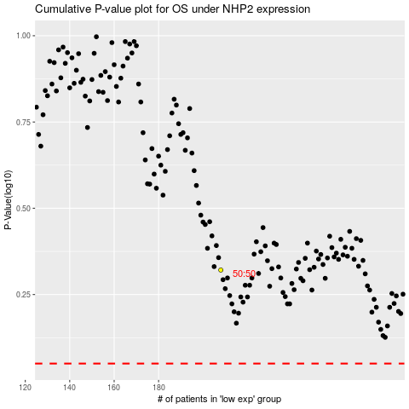

 |  |  |  |  |  | cases_OS | p_OS | rank | exp
 |  |  |  |  |  |  | cases_RFS | p_RFS | rank | exp

