NHSL1 _multivariate
Reported by Tex Li-Hsing Chi. tex@gate.sinica.edu.tw 2019-08-17

Table 2. The clinicopathological features of HNSCC cohort and NHSL1 expression. (Chi square test)
Cutoff at -0.149 (49.8%)
 |  | NHSL1 expression |  | NHSL1 expression |  | (Optimised)
 | Features | Low | (%) | High | (%) | Case no | P-value | Remark | Matthews
Gender | Female | 154 | 37.1 | 152 | 36.6 | 415 | 0.8463 | 0 | 0
2 | Male | 53 | 12.8 | 56 | 13.5
Age at diagnosis | <=65y | 140 | 33.7 | 134 | 32.3 | 415 | 0.5574 | 0 | 0
4 | >65y | 67 | 16.1 | 74 | 17.8
Clinical T Status | T1+T2 | 84 | 20.2 | 65 | 15.7 | 415 | 0.0603 | 0 | 0
6 | T3+T4 | 123 | 29.6 | 143 | 34.5
Clinical N Status | N0 | 101 | 24.3 | 115 | 27.7 | 415 | 0.2201 | 0 | 0
8 | N1-3 | 106 | 25.5 | 93 | 22.4
Clinical M Status | M0 | 206 | 49.6 | 206 | 49.6 | 415 | 1 | 0 | 0
10 | M1 | 1 | 0.2 | 2 | 0.5
Clinical Stage | Stage I+II | 57 | 13.7 | 45 | 10.8 | 415 | 0.1998 | 0 | 0
12 | Stage III+IV | 150 | 36.1 | 163 | 39.3
Surgical Margin status | Negative | 152 | 36.6 | 166 | 40 | 415 | 0.1329 | 0 | 0
14 | Positive | 55 | 13.3 | 42 | 10.1
Tobacco Exposure | Low | 89 | 21.4 | 72 | 17.3 | 415 | 0.0872 | 0 | 0
16 | High | 118 | 28.4 | 136 | 32.8

Table 3. Univariate/Multivariate Cox's proportional hazards regression analyses on OS time of NHSL1 gene expression in HNSCC

 |  | Univariate |  |  |  | Multivariate
 | Features | HR | CI95%(L) | CI95%(H) | P-value | HR | CI95%(L) | CI95%(H) | P-value
1 | Female | 1 |  |  |  | 1
Gender | Male | 1.157 | 0.843 | 1.587 | 0.367 | 1.206 | 0.863 | 1.685 | 0.273
11 | <=65y | 1 |  |  |  | 1
Age at diagnosis | >65y | 1.329 | 0.99 | 1.784 | 0.058 | 1.393 | 1.025 | 1.894 | 0.034
12 | T1+T2 | 1 |  |  |  | 1
Clinical T Status | T3+T4 | 1.409 | 1.028 | 1.931 | 0.033 | 2.229 | 1.178 | 4.22 | 0.014
13 | N0 | 1 |  |  |  | 1
Clinical N Status | N1-3 | 1.185 | 0.89 | 1.577 | 0.246 | 1.269 | 0.884 | 1.823 | 0.196
14 | M0 | 1 |  |  |  | 1
Clinical M Status | M1 | 4.097 | 1.009 | 16.644 | 0.049 | 9.191 | 2.001 | 42.206 | 0.004
15 | Stage I+II | 1 |  |  |  | 1
Clinical Stage | Stage III+IV | 1.245 | 0.882 | 1.759 | 0.213 | 0.49 | 0.227 | 1.056 | 0.069
16 | Negative | 1 |  |  |  | 1
Surgical Margin status | Positive | 1.591 | 1.155 | 2.191 | 0.004 | 1.697 | 1.224 | 2.353 | 0.002
17 | Low | 1 |  |  |  | 1
Tobacco Exposure | High | 1.364 | 1.008 | 1.844 | 0.044 | 1.438 | 1.041 | 1.985 | 0.027
18 | Low | 1 |  |  |  | 1
RNAseq(z-score) | High | 1.064 | 0.798 | 1.419 | 0.672 | 1.108 | 0.821 | 1.494 | 0.502

Table 4. Univariate/Multivariate Cox's proportional hazards regression analyses on RFS time of NHSL1 gene expression in HNSCC

 |  | Univariate |  |  |  | Multivariate
 | Features | HR | CI95%(L) | CI95%(H) | P-value | HR | CI95%(L) | CI95%(H) | P-value
1 | Female | 1 |  |  |  | 1
Gender | Male | 1.157 | 0.843 | 1.587 | 0.367 | 1.206 | 0.863 | 1.685 | 0.273
11 | <=65y | 1 |  |  |  | 1
Age at diagnosis | >65y | 1.329 | 0.99 | 1.784 | 0.058 | 1.393 | 1.025 | 1.894 | 0.034
12 | T1+T2 | 1 |  |  |  | 1
Clinical T Status | T3+T4 | 1.409 | 1.028 | 1.931 | 0.033 | 2.229 | 1.178 | 4.22 | 0.014
13 | N0 | 1 |  |  |  | 1
Clinical N Status | N1-3 | 1.185 | 0.89 | 1.577 | 0.246 | 1.269 | 0.884 | 1.823 | 0.196
14 | M0 | 1 |  |  |  | 1
Clinical M Status | M1 | 4.097 | 1.009 | 16.644 | 0.049 | 9.191 | 2.001 | 42.206 | 0.004
15 | Stage I+II | 1 |  |  |  | 1
Clinical Stage | Stage III+IV | 1.245 | 0.882 | 1.759 | 0.213 | 0.49 | 0.227 | 1.056 | 0.069
16 | Negative | 1 |  |  |  | 1
Surgical Margin status | Positive | 1.591 | 1.155 | 2.191 | 0.004 | 1.697 | 1.224 | 2.353 | 0.002
17 | Low | 1 |  |  |  | 1
Tobacco Exposure | High | 1.364 | 1.008 | 1.844 | 0.044 | 1.438 | 1.041 | 1.985 | 0.027
18 | Low | 1 |  |  |  | 1
RNAseq(z-score) | High | 1.064 | 0.798 | 1.419 | 0.672 | 1.108 | 0.821 | 1.494 | 0.502

Kaplan-Meier survival estimate: Cutoff at -0.149 (49.8%)



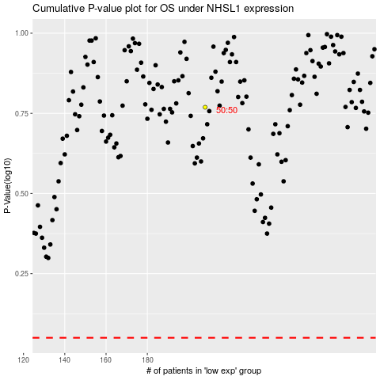

 |  |  |  |  |  | cases_OS | p_OS | rank | exp
 |  |  |  |  |  |  | cases_RFS | p_RFS | rank | exp

