NID2 _multivariate
Reported by Tex Li-Hsing Chi. tex@gate.sinica.edu.tw 2019-08-17

Table 2. The clinicopathological features of HNSCC cohort and NID2 expression. (Chi square test)
Cutoff at -0.199 (49.8%)
 |  | NID2 expression |  | NID2 expression |  | (Optimised)
 | Features | Low | (%) | High | (%) | Case no | P-value | Remark | Matthews
Gender | Female | 150 | 36.1 | 156 | 37.6 | 415 | 0.6344 | 0 | 0
2 | Male | 57 | 13.7 | 52 | 12.5
Age at diagnosis | <=65y | 135 | 32.5 | 139 | 33.5 | 415 | 0.8084 | 0 | 0
4 | >65y | 72 | 17.3 | 69 | 16.6
Clinical T Status | T1+T2 | 81 | 19.5 | 68 | 16.4 | 415 | 0.206 | 0 | 0
6 | T3+T4 | 126 | 30.4 | 140 | 33.7
Clinical N Status | N0 | 112 | 27 | 104 | 25.1 | 415 | 0.4599 | 0 | 0
8 | N1-3 | 95 | 22.9 | 104 | 25.1
Clinical M Status | M0 | 204 | 49.2 | 208 | 50.1 | 415 | 0.1232 | 0 | 0
10 | M1 | 3 | 0.7 | 0 | 0
Clinical Stage | Stage I+II | 53 | 12.8 | 49 | 11.8 | 415 | 0.7113 | 0 | 0
12 | Stage III+IV | 154 | 37.1 | 159 | 38.3
Surgical Margin status | Negative | 158 | 38.1 | 160 | 38.6 | 415 | 0.9081 | 0 | 0
14 | Positive | 49 | 11.8 | 48 | 11.6
Tobacco Exposure | Low | 85 | 20.5 | 76 | 18.3 | 415 | 0.3655 | 0 | 0
16 | High | 122 | 29.4 | 132 | 31.8

Table 3. Univariate/Multivariate Cox's proportional hazards regression analyses on OS time of NID2 gene expression in HNSCC

 |  | Univariate |  |  |  | Multivariate
 | Features | HR | CI95%(L) | CI95%(H) | P-value | HR | CI95%(L) | CI95%(H) | P-value
1 | Female | 1 |  |  |  | 1
Gender | Male | 1.157 | 0.843 | 1.587 | 0.367 | 1.193 | 0.853 | 1.669 | 0.301
11 | <=65y | 1 |  |  |  | 1
Age at diagnosis | >65y | 1.329 | 0.99 | 1.784 | 0.058 | 1.384 | 1.018 | 1.882 | 0.038
12 | T1+T2 | 1 |  |  |  | 1
Clinical T Status | T3+T4 | 1.409 | 1.028 | 1.931 | 0.033 | 2.251 | 1.188 | 4.267 | 0.013
13 | N0 | 1 |  |  |  | 1
Clinical N Status | N1-3 | 1.185 | 0.89 | 1.577 | 0.246 | 1.255 | 0.879 | 1.793 | 0.212
14 | M0 | 1 |  |  |  | 1
Clinical M Status | M1 | 4.097 | 1.009 | 16.644 | 0.049 | 8.98 | 1.951 | 41.341 | 0.005
15 | Stage I+II | 1 |  |  |  | 1
Clinical Stage | Stage III+IV | 1.245 | 0.882 | 1.759 | 0.213 | 0.492 | 0.229 | 1.059 | 0.07
16 | Negative | 1 |  |  |  | 1
Surgical Margin status | Positive | 1.591 | 1.155 | 2.191 | 0.004 | 1.658 | 1.199 | 2.292 | 0.002
17 | Low | 1 |  |  |  | 1
Tobacco Exposure | High | 1.364 | 1.008 | 1.844 | 0.044 | 1.451 | 1.053 | 1.999 | 0.023
18 | Low | 1 |  |  |  | 1
RNAseq(z-score) | High | 0.867 | 0.651 | 1.155 | 0.33 | 0.89 | 0.665 | 1.191 | 0.432

Table 4. Univariate/Multivariate Cox's proportional hazards regression analyses on RFS time of NID2 gene expression in HNSCC

 |  | Univariate |  |  |  | Multivariate
 | Features | HR | CI95%(L) | CI95%(H) | P-value | HR | CI95%(L) | CI95%(H) | P-value
1 | Female | 1 |  |  |  | 1
Gender | Male | 1.157 | 0.843 | 1.587 | 0.367 | 1.193 | 0.853 | 1.669 | 0.301
11 | <=65y | 1 |  |  |  | 1
Age at diagnosis | >65y | 1.329 | 0.99 | 1.784 | 0.058 | 1.384 | 1.018 | 1.882 | 0.038
12 | T1+T2 | 1 |  |  |  | 1
Clinical T Status | T3+T4 | 1.409 | 1.028 | 1.931 | 0.033 | 2.251 | 1.188 | 4.267 | 0.013
13 | N0 | 1 |  |  |  | 1
Clinical N Status | N1-3 | 1.185 | 0.89 | 1.577 | 0.246 | 1.255 | 0.879 | 1.793 | 0.212
14 | M0 | 1 |  |  |  | 1
Clinical M Status | M1 | 4.097 | 1.009 | 16.644 | 0.049 | 8.98 | 1.951 | 41.341 | 0.005
15 | Stage I+II | 1 |  |  |  | 1
Clinical Stage | Stage III+IV | 1.245 | 0.882 | 1.759 | 0.213 | 0.492 | 0.229 | 1.059 | 0.07
16 | Negative | 1 |  |  |  | 1
Surgical Margin status | Positive | 1.591 | 1.155 | 2.191 | 0.004 | 1.658 | 1.199 | 2.292 | 0.002
17 | Low | 1 |  |  |  | 1
Tobacco Exposure | High | 1.364 | 1.008 | 1.844 | 0.044 | 1.451 | 1.053 | 1.999 | 0.023
18 | Low | 1 |  |  |  | 1
RNAseq(z-score) | High | 0.867 | 0.651 | 1.155 | 0.33 | 0.89 | 0.665 | 1.191 | 0.432

Kaplan-Meier survival estimate: Cutoff at -0.199 (49.8%)



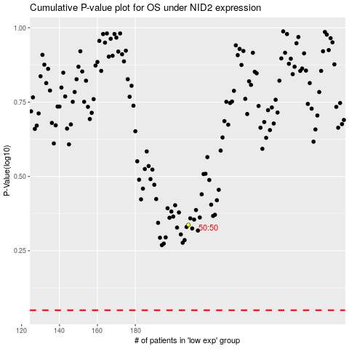

 |  |  |  |  |  | cases_OS | p_OS | rank | exp
 |  |  |  |  |  |  | cases_RFS | p_RFS | rank | exp

