NINJ1 _multivariate
Reported by Tex Li-Hsing Chi. tex@gate.sinica.edu.tw 2019-08-17

Table 2. The clinicopathological features of HNSCC cohort and NINJ1 expression. (Chi square test)
Cutoff at -0.229 (49.0%)
 |  | NINJ1 expression |  | NINJ1 expression |  | (Optimised)
 | Features | Low | (%) | High | (%) | Case no | P-value | Remark | Matthews
Gender | Female | 158 | 38.1 | 148 | 35.7 | 415 | 0.1141 | 0 | 0
2 | Male | 46 | 11.1 | 63 | 15.2
Age at diagnosis | <=65y | 133 | 32 | 141 | 34 | 415 | 0.8053 | 0 | 0
4 | >65y | 71 | 17.1 | 70 | 16.9
Clinical T Status | T1+T2 | 73 | 17.6 | 76 | 18.3 | 415 | 1 | 0 | 0
6 | T3+T4 | 131 | 31.6 | 135 | 32.5
Clinical N Status | N0 | 113 | 27.2 | 103 | 24.8 | 415 | 0.2141 | 1 | 0
8 | N1-3 | 91 | 21.9 | 108 | 26
Clinical M Status | M0 | 203 | 48.9 | 209 | 50.4 | 415 | 1 | 0 | 0
10 | M1 | 1 | 0.2 | 2 | 0.5
Clinical Stage | Stage I+II | 50 | 12 | 52 | 12.5 | 415 | 1 | 0 | 0
12 | Stage III+IV | 154 | 37.1 | 159 | 38.3
Surgical Margin status | Negative | 156 | 37.6 | 162 | 39 | 415 | 1 | 0 | 0
14 | Positive | 48 | 11.6 | 49 | 11.8
Tobacco Exposure | Low | 86 | 20.7 | 75 | 18.1 | 415 | 0.1904 | 0 | 0
16 | High | 118 | 28.4 | 136 | 32.8

Table 3. Univariate/Multivariate Cox's proportional hazards regression analyses on OS time of NINJ1 gene expression in HNSCC

 |  | Univariate |  |  |  | Multivariate
 | Features | HR | CI95%(L) | CI95%(H) | P-value | HR | CI95%(L) | CI95%(H) | P-value
1 | Female | 1 |  |  |  | 1
Gender | Male | 1.157 | 0.843 | 1.587 | 0.367 | 1.174 | 0.839 | 1.642 | 0.349
11 | <=65y | 1 |  |  |  | 1
Age at diagnosis | >65y | 1.329 | 0.99 | 1.784 | 0.058 | 1.39 | 1.022 | 1.89 | 0.036
12 | T1+T2 | 1 |  |  |  | 1
Clinical T Status | T3+T4 | 1.409 | 1.028 | 1.931 | 0.033 | 2.175 | 1.15 | 4.115 | 0.017
13 | N0 | 1 |  |  |  | 1
Clinical N Status | N1-3 | 1.185 | 0.89 | 1.577 | 0.246 | 1.203 | 0.842 | 1.719 | 0.31
14 | M0 | 1 |  |  |  | 1
Clinical M Status | M1 | 4.097 | 1.009 | 16.644 | 0.049 | 9.1 | 1.983 | 41.747 | 0.004
15 | Stage I+II | 1 |  |  |  | 1
Clinical Stage | Stage III+IV | 1.245 | 0.882 | 1.759 | 0.213 | 0.519 | 0.242 | 1.114 | 0.092
16 | Negative | 1 |  |  |  | 1
Surgical Margin status | Positive | 1.591 | 1.155 | 2.191 | 0.004 | 1.666 | 1.206 | 2.303 | 0.002
17 | Low | 1 |  |  |  | 1
Tobacco Exposure | High | 1.364 | 1.008 | 1.844 | 0.044 | 1.426 | 1.035 | 1.966 | 0.03
18 | Low | 1 |  |  |  | 1
RNAseq(z-score) | High | 1.349 | 1.008 | 1.805 | 0.044 | 1.282 | 0.954 | 1.722 | 0.099

Table 4. Univariate/Multivariate Cox's proportional hazards regression analyses on RFS time of NINJ1 gene expression in HNSCC

 |  | Univariate |  |  |  | Multivariate
 | Features | HR | CI95%(L) | CI95%(H) | P-value | HR | CI95%(L) | CI95%(H) | P-value
1 | Female | 1 |  |  |  | 1
Gender | Male | 1.157 | 0.843 | 1.587 | 0.367 | 1.174 | 0.839 | 1.642 | 0.349
11 | <=65y | 1 |  |  |  | 1
Age at diagnosis | >65y | 1.329 | 0.99 | 1.784 | 0.058 | 1.39 | 1.022 | 1.89 | 0.036
12 | T1+T2 | 1 |  |  |  | 1
Clinical T Status | T3+T4 | 1.409 | 1.028 | 1.931 | 0.033 | 2.175 | 1.15 | 4.115 | 0.017
13 | N0 | 1 |  |  |  | 1
Clinical N Status | N1-3 | 1.185 | 0.89 | 1.577 | 0.246 | 1.203 | 0.842 | 1.719 | 0.31
14 | M0 | 1 |  |  |  | 1
Clinical M Status | M1 | 4.097 | 1.009 | 16.644 | 0.049 | 9.1 | 1.983 | 41.747 | 0.004
15 | Stage I+II | 1 |  |  |  | 1
Clinical Stage | Stage III+IV | 1.245 | 0.882 | 1.759 | 0.213 | 0.519 | 0.242 | 1.114 | 0.092
16 | Negative | 1 |  |  |  | 1
Surgical Margin status | Positive | 1.591 | 1.155 | 2.191 | 0.004 | 1.666 | 1.206 | 2.303 | 0.002
17 | Low | 1 |  |  |  | 1
Tobacco Exposure | High | 1.364 | 1.008 | 1.844 | 0.044 | 1.426 | 1.035 | 1.966 | 0.03
18 | Low | 1 |  |  |  | 1
RNAseq(z-score) | High | 1.349 | 1.008 | 1.805 | 0.044 | 1.282 | 0.954 | 1.722 | 0.099

Kaplan-Meier survival estimate: Cutoff at -0.229 (49.0%)



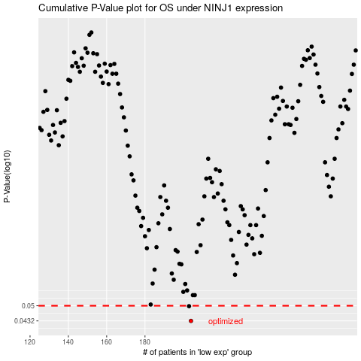

 |  |  |  |  |  | cases_OS | p_OS | rank | exp
 |  |  |  |  |  | 204 | 0.0432 | 1 | -0.2285754101
 |  |  |  |  |  | 203 | 0.0498 | 187 | -0.23458826384
 |  |  |  |  |  |  | cases_RFS | p_RFS | rank | exp
 |  |  |  |  |  |  | 203 | 0.0432 | 187 | -0.23458826384
 |  |  |  |  |  |  | 202 | 0.0498 | 47 | -0.23542707155

