NIPA2 _multivariate
Reported by Tex Li-Hsing Chi. tex@gate.sinica.edu.tw 2019-08-17

Table 2. The clinicopathological features of HNSCC cohort and NIPA2 expression. (Chi square test)
Cutoff at 0.271 (61.4%)
 |  | NIPA2 expression |  | NIPA2 expression |  | (Optimised)
 | Features | Low | (%) | High | (%) | Case no | P-value | Remark | Matthews
Gender | Female | 180 | 43.4 | 126 | 30.4 | 415 | 0.1203 | 0 | 0
2 | Male | 74 | 17.8 | 35 | 8.4
Age at diagnosis | <=65y | 172 | 41.4 | 102 | 24.6 | 415 | 0.4191 | 0 | 0
4 | >65y | 82 | 19.8 | 59 | 14.2
Clinical T Status | T1+T2 | 103 | 24.8 | 46 | 11.1 | 415 | 0.0176 | 1 | 0
6 | T3+T4 | 151 | 36.4 | 115 | 27.7
Clinical N Status | N0 | 131 | 31.6 | 85 | 20.5 | 415 | 0.8874 | 0 | 0
8 | N1-3 | 123 | 29.6 | 76 | 18.3
Clinical M Status | M0 | 252 | 60.7 | 160 | 38.6 | 415 | 1 | 0 | 0
10 | M1 | 2 | 0.5 | 1 | 0.2
Clinical Stage | Stage I+II | 69 | 16.6 | 33 | 8 | 415 | 0.1555 | 0 | 0
12 | Stage III+IV | 185 | 44.6 | 128 | 30.8
Surgical Margin status | Negative | 200 | 48.2 | 118 | 28.4 | 415 | 0.234 | 0 | 0
14 | Positive | 54 | 13 | 43 | 10.4
Tobacco Exposure | Low | 103 | 24.8 | 58 | 14 | 415 | 0.4083 | 0 | 0
16 | High | 151 | 36.4 | 103 | 24.8

Table 3. Univariate/Multivariate Cox's proportional hazards regression analyses on OS time of NIPA2 gene expression in HNSCC

 |  | Univariate |  |  |  | Multivariate
 | Features | HR | CI95%(L) | CI95%(H) | P-value | HR | CI95%(L) | CI95%(H) | P-value
1 | Female | 1 |  |  |  | 1
Gender | Male | 1.157 | 0.843 | 1.587 | 0.367 | 1.23 | 0.879 | 1.722 | 0.227
11 | <=65y | 1 |  |  |  | 1
Age at diagnosis | >65y | 1.329 | 0.99 | 1.784 | 0.058 | 1.381 | 1.015 | 1.878 | 0.04
12 | T1+T2 | 1 |  |  |  | 1
Clinical T Status | T3+T4 | 1.409 | 1.028 | 1.931 | 0.033 | 2.14 | 1.13 | 4.053 | 0.02
13 | N0 | 1 |  |  |  | 1
Clinical N Status | N1-3 | 1.185 | 0.89 | 1.577 | 0.246 | 1.265 | 0.885 | 1.807 | 0.197
14 | M0 | 1 |  |  |  | 1
Clinical M Status | M1 | 4.097 | 1.009 | 16.644 | 0.049 | 9.107 | 1.984 | 41.801 | 0.004
15 | Stage I+II | 1 |  |  |  | 1
Clinical Stage | Stage III+IV | 1.245 | 0.882 | 1.759 | 0.213 | 0.505 | 0.235 | 1.085 | 0.08
16 | Negative | 1 |  |  |  | 1
Surgical Margin status | Positive | 1.591 | 1.155 | 2.191 | 0.004 | 1.678 | 1.214 | 2.32 | 0.002
17 | Low | 1 |  |  |  | 1
Tobacco Exposure | High | 1.364 | 1.008 | 1.844 | 0.044 | 1.444 | 1.046 | 1.992 | 0.025
18 | Low | 1 |  |  |  | 1
RNAseq(z-score) | High | 1.349 | 1.003 | 1.814 | 0.047 | 1.293 | 0.957 | 1.745 | 0.094

Table 4. Univariate/Multivariate Cox's proportional hazards regression analyses on RFS time of NIPA2 gene expression in HNSCC

 |  | Univariate |  |  |  | Multivariate
 | Features | HR | CI95%(L) | CI95%(H) | P-value | HR | CI95%(L) | CI95%(H) | P-value
1 | Female | 1 |  |  |  | 1
Gender | Male | 1.157 | 0.843 | 1.587 | 0.367 | 1.23 | 0.879 | 1.722 | 0.227
11 | <=65y | 1 |  |  |  | 1
Age at diagnosis | >65y | 1.329 | 0.99 | 1.784 | 0.058 | 1.381 | 1.015 | 1.878 | 0.04
12 | T1+T2 | 1 |  |  |  | 1
Clinical T Status | T3+T4 | 1.409 | 1.028 | 1.931 | 0.033 | 2.14 | 1.13 | 4.053 | 0.02
13 | N0 | 1 |  |  |  | 1
Clinical N Status | N1-3 | 1.185 | 0.89 | 1.577 | 0.246 | 1.265 | 0.885 | 1.807 | 0.197
14 | M0 | 1 |  |  |  | 1
Clinical M Status | M1 | 4.097 | 1.009 | 16.644 | 0.049 | 9.107 | 1.984 | 41.801 | 0.004
15 | Stage I+II | 1 |  |  |  | 1
Clinical Stage | Stage III+IV | 1.245 | 0.882 | 1.759 | 0.213 | 0.505 | 0.235 | 1.085 | 0.08
16 | Negative | 1 |  |  |  | 1
Surgical Margin status | Positive | 1.591 | 1.155 | 2.191 | 0.004 | 1.678 | 1.214 | 2.32 | 0.002
17 | Low | 1 |  |  |  | 1
Tobacco Exposure | High | 1.364 | 1.008 | 1.844 | 0.044 | 1.444 | 1.046 | 1.992 | 0.025
18 | Low | 1 |  |  |  | 1
RNAseq(z-score) | High | 1.349 | 1.003 | 1.814 | 0.047 | 1.293 | 0.957 | 1.745 | 0.094

Kaplan-Meier survival estimate: Cutoff at 0.271 (61.4%)



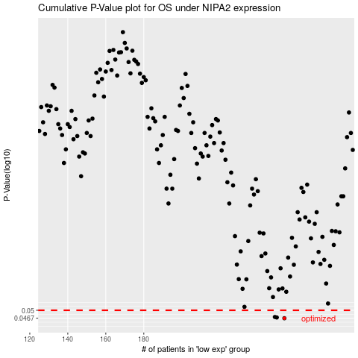

 |  |  |  |  |  | cases_OS | p_OS | rank | exp
 |  |  |  |  |  | 254 | 0.0467 | 180 | 0.27057886441
 |  |  |  |  |  | 250 | 0.047 | 92 | 0.25416012745
 |  |  |  |  |  | 249 | 0.0472 | 228 | 0.2536075069
 |  |  |  |  |  |  | cases_RFS | p_RFS | rank | exp
 |  |  |  |  |  |  | 253 | 0.0467 | 242 | 0.26861701506
 |  |  |  |  |  |  | 249 | 0.047 | 228 | 0.2536075069
 |  |  |  |  |  |  | 248 | 0.0472 | 337 | 0.24522758989

