NIPAL1 _multivariate
Reported by Tex Li-Hsing Chi. tex@gate.sinica.edu.tw 2019-08-17

Table 2. The clinicopathological features of HNSCC cohort and NIPAL1 expression. (Chi square test)
Cutoff at -0.291 (50.0%)
 |  | NIPAL1 expression |  | NIPAL1 expression |  | (Optimised)
 | Features | Low | (%) | High | (%) | Case no | P-value | Remark | Matthews
Gender | Female | 162 | 39 | 144 | 34.7 | 415 | 0.0479 | 1 | 0
2 | Male | 45 | 10.8 | 64 | 15.4
Age at diagnosis | <=65y | 137 | 33 | 137 | 33 | 415 | 1 | 0 | 0
4 | >65y | 70 | 16.9 | 71 | 17.1
Clinical T Status | T1+T2 | 77 | 18.6 | 72 | 17.3 | 415 | 0.6556 | 0 | 0
6 | T3+T4 | 130 | 31.3 | 136 | 32.8
Clinical N Status | N0 | 103 | 24.8 | 113 | 27.2 | 415 | 0.4047 | 0 | 0
8 | N1-3 | 104 | 25.1 | 95 | 22.9
Clinical M Status | M0 | 205 | 49.4 | 207 | 49.9 | 415 | 0.6232 | 0 | 0
10 | M1 | 2 | 0.5 | 1 | 0.2
Clinical Stage | Stage I+II | 45 | 10.8 | 57 | 13.7 | 415 | 0.2202 | 0 | 0
12 | Stage III+IV | 162 | 39 | 151 | 36.4
Surgical Margin status | Negative | 151 | 36.4 | 167 | 40.2 | 415 | 0.0828 | 0 | 0
14 | Positive | 56 | 13.5 | 41 | 9.9
Tobacco Exposure | Low | 78 | 18.8 | 83 | 20 | 415 | 0.6873 | 0 | 0
16 | High | 129 | 31.1 | 125 | 30.1

Table 3. Univariate/Multivariate Cox's proportional hazards regression analyses on OS time of NIPAL1 gene expression in HNSCC

 |  | Univariate |  |  |  | Multivariate
 | Features | HR | CI95%(L) | CI95%(H) | P-value | HR | CI95%(L) | CI95%(H) | P-value
1 | Female | 1 |  |  |  | 1
Gender | Male | 1.157 | 0.843 | 1.587 | 0.367 | 1.202 | 0.86 | 1.679 | 0.281
11 | <=65y | 1 |  |  |  | 1
Age at diagnosis | >65y | 1.329 | 0.99 | 1.784 | 0.058 | 1.391 | 1.022 | 1.894 | 0.036
12 | T1+T2 | 1 |  |  |  | 1
Clinical T Status | T3+T4 | 1.409 | 1.028 | 1.931 | 0.033 | 2.203 | 1.164 | 4.173 | 0.015
13 | N0 | 1 |  |  |  | 1
Clinical N Status | N1-3 | 1.185 | 0.89 | 1.577 | 0.246 | 1.241 | 0.87 | 1.771 | 0.234
14 | M0 | 1 |  |  |  | 1
Clinical M Status | M1 | 4.097 | 1.009 | 16.644 | 0.049 | 9.406 | 2.052 | 43.116 | 0.004
15 | Stage I+II | 1 |  |  |  | 1
Clinical Stage | Stage III+IV | 1.245 | 0.882 | 1.759 | 0.213 | 0.504 | 0.234 | 1.085 | 0.08
16 | Negative | 1 |  |  |  | 1
Surgical Margin status | Positive | 1.591 | 1.155 | 2.191 | 0.004 | 1.671 | 1.206 | 2.315 | 0.002
17 | Low | 1 |  |  |  | 1
Tobacco Exposure | High | 1.364 | 1.008 | 1.844 | 0.044 | 1.453 | 1.053 | 2.004 | 0.023
18 | Low | 1 |  |  |  | 1
RNAseq(z-score) | High | 0.936 | 0.703 | 1.247 | 0.652 | 0.997 | 0.744 | 1.335 | 0.982

Table 4. Univariate/Multivariate Cox's proportional hazards regression analyses on RFS time of NIPAL1 gene expression in HNSCC

 |  | Univariate |  |  |  | Multivariate
 | Features | HR | CI95%(L) | CI95%(H) | P-value | HR | CI95%(L) | CI95%(H) | P-value
1 | Female | 1 |  |  |  | 1
Gender | Male | 1.157 | 0.843 | 1.587 | 0.367 | 1.202 | 0.86 | 1.679 | 0.281
11 | <=65y | 1 |  |  |  | 1
Age at diagnosis | >65y | 1.329 | 0.99 | 1.784 | 0.058 | 1.391 | 1.022 | 1.894 | 0.036
12 | T1+T2 | 1 |  |  |  | 1
Clinical T Status | T3+T4 | 1.409 | 1.028 | 1.931 | 0.033 | 2.203 | 1.164 | 4.173 | 0.015
13 | N0 | 1 |  |  |  | 1
Clinical N Status | N1-3 | 1.185 | 0.89 | 1.577 | 0.246 | 1.241 | 0.87 | 1.771 | 0.234
14 | M0 | 1 |  |  |  | 1
Clinical M Status | M1 | 4.097 | 1.009 | 16.644 | 0.049 | 9.406 | 2.052 | 43.116 | 0.004
15 | Stage I+II | 1 |  |  |  | 1
Clinical Stage | Stage III+IV | 1.245 | 0.882 | 1.759 | 0.213 | 0.504 | 0.234 | 1.085 | 0.08
16 | Negative | 1 |  |  |  | 1
Surgical Margin status | Positive | 1.591 | 1.155 | 2.191 | 0.004 | 1.671 | 1.206 | 2.315 | 0.002
17 | Low | 1 |  |  |  | 1
Tobacco Exposure | High | 1.364 | 1.008 | 1.844 | 0.044 | 1.453 | 1.053 | 2.004 | 0.023
18 | Low | 1 |  |  |  | 1
RNAseq(z-score) | High | 0.936 | 0.703 | 1.247 | 0.652 | 0.997 | 0.744 | 1.335 | 0.982

Kaplan-Meier survival estimate: Cutoff at -0.291 (50.0%)



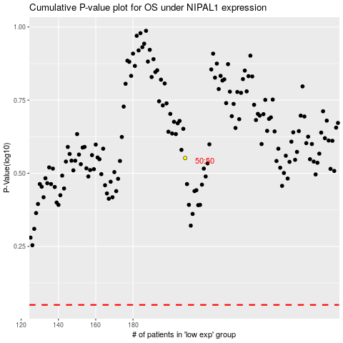

 |  |  |  |  |  | cases_OS | p_OS | rank | exp
 |  |  |  |  |  |  | cases_RFS | p_RFS | rank | exp

