NIPAL3 _multivariate
Reported by Tex Li-Hsing Chi. tex@gate.sinica.edu.tw 2019-08-17

Table 2. The clinicopathological features of HNSCC cohort and NIPAL3 expression. (Chi square test)
Cutoff at -0.286 (50.0%)
 |  | NIPAL3 expression |  | NIPAL3 expression |  | (Optimised)
 | Features | Low | (%) | High | (%) | Case no | P-value | Remark | Matthews
Gender | Female | 150 | 36.1 | 156 | 37.6 | 415 | 0.6344 | 0 | 0
2 | Male | 57 | 13.7 | 52 | 12.5
Age at diagnosis | <=65y | 131 | 31.6 | 143 | 34.5 | 415 | 0.2839 | 0 | 0
4 | >65y | 76 | 18.3 | 65 | 15.7
Clinical T Status | T1+T2 | 64 | 15.4 | 85 | 20.5 | 415 | 0.0445 | 1 | 0
6 | T3+T4 | 143 | 34.5 | 123 | 29.6
Clinical N Status | N0 | 105 | 25.3 | 111 | 26.7 | 415 | 0.6598 | 0 | 0
8 | N1-3 | 102 | 24.6 | 97 | 23.4
Clinical M Status | M0 | 206 | 49.6 | 206 | 49.6 | 415 | 1 | 0 | 0
10 | M1 | 1 | 0.2 | 2 | 0.5
Clinical Stage | Stage I+II | 42 | 10.1 | 60 | 14.5 | 415 | 0.0561 | 0 | 0
12 | Stage III+IV | 165 | 39.8 | 148 | 35.7
Surgical Margin status | Negative | 154 | 37.1 | 164 | 39.5 | 415 | 0.2984 | 0 | 0
14 | Positive | 53 | 12.8 | 44 | 10.6
Tobacco Exposure | Low | 81 | 19.5 | 80 | 19.3 | 415 | 0.9199 | 0 | 0
16 | High | 126 | 30.4 | 128 | 30.8

Table 3. Univariate/Multivariate Cox's proportional hazards regression analyses on OS time of NIPAL3 gene expression in HNSCC

 |  | Univariate |  |  |  | Multivariate
 | Features | HR | CI95%(L) | CI95%(H) | P-value | HR | CI95%(L) | CI95%(H) | P-value
1 | Female | 1 |  |  |  | 1
Gender | Male | 1.157 | 0.843 | 1.587 | 0.367 | 1.196 | 0.855 | 1.673 | 0.296
11 | <=65y | 1 |  |  |  | 1
Age at diagnosis | >65y | 1.329 | 0.99 | 1.784 | 0.058 | 1.386 | 1.019 | 1.886 | 0.038
12 | T1+T2 | 1 |  |  |  | 1
Clinical T Status | T3+T4 | 1.409 | 1.028 | 1.931 | 0.033 | 2.191 | 1.158 | 4.145 | 0.016
13 | N0 | 1 |  |  |  | 1
Clinical N Status | N1-3 | 1.185 | 0.89 | 1.577 | 0.246 | 1.243 | 0.871 | 1.773 | 0.231
14 | M0 | 1 |  |  |  | 1
Clinical M Status | M1 | 4.097 | 1.009 | 16.644 | 0.049 | 9.392 | 2.049 | 43.055 | 0.004
15 | Stage I+II | 1 |  |  |  | 1
Clinical Stage | Stage III+IV | 1.245 | 0.882 | 1.759 | 0.213 | 0.504 | 0.235 | 1.082 | 0.079
16 | Negative | 1 |  |  |  | 1
Surgical Margin status | Positive | 1.591 | 1.155 | 2.191 | 0.004 | 1.664 | 1.203 | 2.301 | 0.002
17 | Low | 1 |  |  |  | 1
Tobacco Exposure | High | 1.364 | 1.008 | 1.844 | 0.044 | 1.458 | 1.057 | 2.01 | 0.021
18 | Low | 1 |  |  |  | 1
RNAseq(z-score) | High | 0.872 | 0.655 | 1.162 | 0.35 | 0.95 | 0.709 | 1.272 | 0.729

Table 4. Univariate/Multivariate Cox's proportional hazards regression analyses on RFS time of NIPAL3 gene expression in HNSCC

 |  | Univariate |  |  |  | Multivariate
 | Features | HR | CI95%(L) | CI95%(H) | P-value | HR | CI95%(L) | CI95%(H) | P-value
1 | Female | 1 |  |  |  | 1
Gender | Male | 1.157 | 0.843 | 1.587 | 0.367 | 1.196 | 0.855 | 1.673 | 0.296
11 | <=65y | 1 |  |  |  | 1
Age at diagnosis | >65y | 1.329 | 0.99 | 1.784 | 0.058 | 1.386 | 1.019 | 1.886 | 0.038
12 | T1+T2 | 1 |  |  |  | 1
Clinical T Status | T3+T4 | 1.409 | 1.028 | 1.931 | 0.033 | 2.191 | 1.158 | 4.145 | 0.016
13 | N0 | 1 |  |  |  | 1
Clinical N Status | N1-3 | 1.185 | 0.89 | 1.577 | 0.246 | 1.243 | 0.871 | 1.773 | 0.231
14 | M0 | 1 |  |  |  | 1
Clinical M Status | M1 | 4.097 | 1.009 | 16.644 | 0.049 | 9.392 | 2.049 | 43.055 | 0.004
15 | Stage I+II | 1 |  |  |  | 1
Clinical Stage | Stage III+IV | 1.245 | 0.882 | 1.759 | 0.213 | 0.504 | 0.235 | 1.082 | 0.079
16 | Negative | 1 |  |  |  | 1
Surgical Margin status | Positive | 1.591 | 1.155 | 2.191 | 0.004 | 1.664 | 1.203 | 2.301 | 0.002
17 | Low | 1 |  |  |  | 1
Tobacco Exposure | High | 1.364 | 1.008 | 1.844 | 0.044 | 1.458 | 1.057 | 2.01 | 0.021
18 | Low | 1 |  |  |  | 1
RNAseq(z-score) | High | 0.872 | 0.655 | 1.162 | 0.35 | 0.95 | 0.709 | 1.272 | 0.729

Kaplan-Meier survival estimate: Cutoff at -0.286 (50.0%)



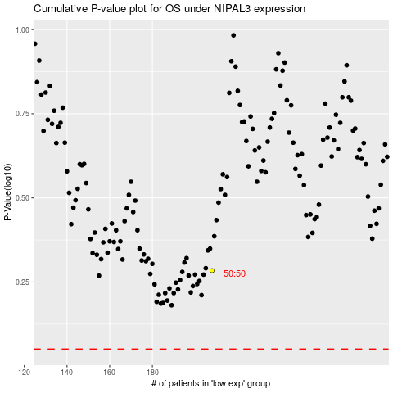

 |  |  |  |  |  | cases_OS | p_OS | rank | exp
 |  |  |  |  |  |  | cases_RFS | p_RFS | rank | exp

