NIPAL4 _multivariate
Reported by Tex Li-Hsing Chi. tex@gate.sinica.edu.tw 2019-08-17

Table 2. The clinicopathological features of HNSCC cohort and NIPAL4 expression. (Chi square test)
Cutoff at -0.164 (50.0%)
 |  | NIPAL4 expression |  | NIPAL4 expression |  | (Optimised)
 | Features | Low | (%) | High | (%) | Case no | P-value | Remark | Matthews
Gender | Female | 158 | 38.1 | 148 | 35.7 | 415 | 0.2774 | 0 | 0
2 | Male | 49 | 11.8 | 60 | 14.5
Age at diagnosis | <=65y | 141 | 34 | 133 | 32 | 415 | 0.4272 | 0 | 0
4 | >65y | 66 | 15.9 | 75 | 18.1
Clinical T Status | T1+T2 | 80 | 19.3 | 69 | 16.6 | 415 | 0.2891 | 0 | 0
6 | T3+T4 | 127 | 30.6 | 139 | 33.5
Clinical N Status | N0 | 99 | 23.9 | 117 | 28.2 | 415 | 0.1054 | 0 | 0
8 | N1-3 | 108 | 26 | 91 | 21.9
Clinical M Status | M0 | 207 | 49.9 | 205 | 49.4 | 415 | 0.2482 | 0 | 0
10 | M1 | 0 | 0 | 3 | 0.7
Clinical Stage | Stage I+II | 50 | 12 | 52 | 12.5 | 415 | 0.9315 | 0 | 0
12 | Stage III+IV | 157 | 37.8 | 156 | 37.6
Surgical Margin status | Negative | 160 | 38.6 | 158 | 38.1 | 415 | 0.8167 | 0 | 0
14 | Positive | 47 | 11.3 | 50 | 12
Tobacco Exposure | Low | 69 | 16.6 | 92 | 22.2 | 415 | 0.0266 | 1 | 0
16 | High | 138 | 33.3 | 116 | 28

Table 3. Univariate/Multivariate Cox's proportional hazards regression analyses on OS time of NIPAL4 gene expression in HNSCC

 |  | Univariate |  |  |  | Multivariate
 | Features | HR | CI95%(L) | CI95%(H) | P-value | HR | CI95%(L) | CI95%(H) | P-value
1 | Female | 1 |  |  |  | 1
Gender | Male | 1.157 | 0.843 | 1.587 | 0.367 | 1.201 | 0.86 | 1.678 | 0.282
11 | <=65y | 1 |  |  |  | 1
Age at diagnosis | >65y | 1.329 | 0.99 | 1.784 | 0.058 | 1.4 | 1.03 | 1.902 | 0.032
12 | T1+T2 | 1 |  |  |  | 1
Clinical T Status | T3+T4 | 1.409 | 1.028 | 1.931 | 0.033 | 2.251 | 1.189 | 4.262 | 0.013
13 | N0 | 1 |  |  |  | 1
Clinical N Status | N1-3 | 1.185 | 0.89 | 1.577 | 0.246 | 1.216 | 0.851 | 1.74 | 0.283
14 | M0 | 1 |  |  |  | 1
Clinical M Status | M1 | 4.097 | 1.009 | 16.644 | 0.049 | 10.483 | 2.253 | 48.782 | 0.003
15 | Stage I+II | 1 |  |  |  | 1
Clinical Stage | Stage III+IV | 1.245 | 0.882 | 1.759 | 0.213 | 0.495 | 0.231 | 1.063 | 0.071
16 | Negative | 1 |  |  |  | 1
Surgical Margin status | Positive | 1.591 | 1.155 | 2.191 | 0.004 | 1.677 | 1.213 | 2.318 | 0.002
17 | Low | 1 |  |  |  | 1
Tobacco Exposure | High | 1.364 | 1.008 | 1.844 | 0.044 | 1.426 | 1.034 | 1.968 | 0.031
18 | Low | 1 |  |  |  | 1
RNAseq(z-score) | High | 0.88 | 0.659 | 1.176 | 0.388 | 0.857 | 0.636 | 1.155 | 0.311

Table 4. Univariate/Multivariate Cox's proportional hazards regression analyses on RFS time of NIPAL4 gene expression in HNSCC

 |  | Univariate |  |  |  | Multivariate
 | Features | HR | CI95%(L) | CI95%(H) | P-value | HR | CI95%(L) | CI95%(H) | P-value
1 | Female | 1 |  |  |  | 1
Gender | Male | 1.157 | 0.843 | 1.587 | 0.367 | 1.201 | 0.86 | 1.678 | 0.282
11 | <=65y | 1 |  |  |  | 1
Age at diagnosis | >65y | 1.329 | 0.99 | 1.784 | 0.058 | 1.4 | 1.03 | 1.902 | 0.032
12 | T1+T2 | 1 |  |  |  | 1
Clinical T Status | T3+T4 | 1.409 | 1.028 | 1.931 | 0.033 | 2.251 | 1.189 | 4.262 | 0.013
13 | N0 | 1 |  |  |  | 1
Clinical N Status | N1-3 | 1.185 | 0.89 | 1.577 | 0.246 | 1.216 | 0.851 | 1.74 | 0.283
14 | M0 | 1 |  |  |  | 1
Clinical M Status | M1 | 4.097 | 1.009 | 16.644 | 0.049 | 10.483 | 2.253 | 48.782 | 0.003
15 | Stage I+II | 1 |  |  |  | 1
Clinical Stage | Stage III+IV | 1.245 | 0.882 | 1.759 | 0.213 | 0.495 | 0.231 | 1.063 | 0.071
16 | Negative | 1 |  |  |  | 1
Surgical Margin status | Positive | 1.591 | 1.155 | 2.191 | 0.004 | 1.677 | 1.213 | 2.318 | 0.002
17 | Low | 1 |  |  |  | 1
Tobacco Exposure | High | 1.364 | 1.008 | 1.844 | 0.044 | 1.426 | 1.034 | 1.968 | 0.031
18 | Low | 1 |  |  |  | 1
RNAseq(z-score) | High | 0.88 | 0.659 | 1.176 | 0.388 | 0.857 | 0.636 | 1.155 | 0.311

Kaplan-Meier survival estimate: Cutoff at -0.164 (50.0%)



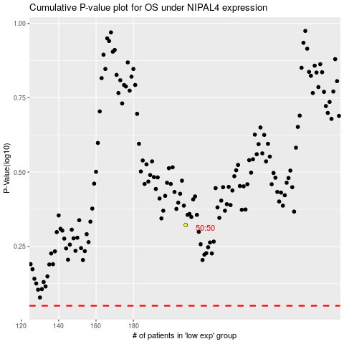

 |  |  |  |  |  | cases_OS | p_OS | rank | exp
 |  |  |  |  |  |  | cases_RFS | p_RFS | rank | exp

