NIPSNAP1 _multivariate
Reported by Tex Li-Hsing Chi. tex@gate.sinica.edu.tw 2019-08-17

Table 2. The clinicopathological features of HNSCC cohort and NIPSNAP1 expression. (Chi square test)
Cutoff at -0.138 (49.8%)
 |  | NIPSNAP1 expression |  | NIPSNAP1 expression |  | (Optimised)
 | Features | Low | (%) | High | (%) | Case no | P-value | Remark | Matthews
Gender | Female | 144 | 34.7 | 162 | 39 | 415 | 0.0697 | 0 | 0
2 | Male | 63 | 15.2 | 46 | 11.1
Age at diagnosis | <=65y | 138 | 33.3 | 136 | 32.8 | 415 | 0.8634 | 0 | 0
4 | >65y | 69 | 16.6 | 72 | 17.3
Clinical T Status | T1+T2 | 86 | 20.7 | 63 | 15.2 | 415 | 0.0221 | 1 | 0
6 | T3+T4 | 121 | 29.2 | 145 | 34.9
Clinical N Status | N0 | 114 | 27.5 | 102 | 24.6 | 415 | 0.2576 | 1 | 0
8 | N1-3 | 93 | 22.4 | 106 | 25.5
Clinical M Status | M0 | 206 | 49.6 | 206 | 49.6 | 415 | 1 | 0 | 0
10 | M1 | 1 | 0.2 | 2 | 0.5
Clinical Stage | Stage I+II | 68 | 16.4 | 34 | 8.2 | 415 | 2e-04 | 1 | 0
12 | Stage III+IV | 139 | 33.5 | 174 | 41.9
Surgical Margin status | Negative | 170 | 41 | 148 | 35.7 | 415 | 0.0105 | 1 | 0
14 | Positive | 37 | 8.9 | 60 | 14.5
Tobacco Exposure | Low | 87 | 21 | 74 | 17.8 | 415 | 0.1911 | 0 | 0
16 | High | 120 | 28.9 | 134 | 32.3

Table 3. Univariate/Multivariate Cox's proportional hazards regression analyses on OS time of NIPSNAP1 gene expression in HNSCC

 |  | Univariate |  |  |  | Multivariate
 | Features | HR | CI95%(L) | CI95%(H) | P-value | HR | CI95%(L) | CI95%(H) | P-value
1 | Female | 1 |  |  |  | 1
Gender | Male | 1.157 | 0.843 | 1.587 | 0.367 | 1.206 | 0.862 | 1.687 | 0.273
11 | <=65y | 1 |  |  |  | 1
Age at diagnosis | >65y | 1.329 | 0.99 | 1.784 | 0.058 | 1.392 | 1.024 | 1.892 | 0.035
12 | T1+T2 | 1 |  |  |  | 1
Clinical T Status | T3+T4 | 1.409 | 1.028 | 1.931 | 0.033 | 2.211 | 1.168 | 4.183 | 0.015
13 | N0 | 1 |  |  |  | 1
Clinical N Status | N1-3 | 1.185 | 0.89 | 1.577 | 0.246 | 1.25 | 0.872 | 1.791 | 0.225
14 | M0 | 1 |  |  |  | 1
Clinical M Status | M1 | 4.097 | 1.009 | 16.644 | 0.049 | 9.403 | 2.051 | 43.103 | 0.004
15 | Stage I+II | 1 |  |  |  | 1
Clinical Stage | Stage III+IV | 1.245 | 0.882 | 1.759 | 0.213 | 0.495 | 0.228 | 1.077 | 0.076
16 | Negative | 1 |  |  |  | 1
Surgical Margin status | Positive | 1.591 | 1.155 | 2.191 | 0.004 | 1.663 | 1.201 | 2.304 | 0.002
17 | Low | 1 |  |  |  | 1
Tobacco Exposure | High | 1.364 | 1.008 | 1.844 | 0.044 | 1.451 | 1.053 | 1.999 | 0.023
18 | Low | 1 |  |  |  | 1
RNAseq(z-score) | High | 1.096 | 0.819 | 1.466 | 0.538 | 1.041 | 0.765 | 1.415 | 0.799

Table 4. Univariate/Multivariate Cox's proportional hazards regression analyses on RFS time of NIPSNAP1 gene expression in HNSCC

 |  | Univariate |  |  |  | Multivariate
 | Features | HR | CI95%(L) | CI95%(H) | P-value | HR | CI95%(L) | CI95%(H) | P-value
1 | Female | 1 |  |  |  | 1
Gender | Male | 1.157 | 0.843 | 1.587 | 0.367 | 1.206 | 0.862 | 1.687 | 0.273
11 | <=65y | 1 |  |  |  | 1
Age at diagnosis | >65y | 1.329 | 0.99 | 1.784 | 0.058 | 1.392 | 1.024 | 1.892 | 0.035
12 | T1+T2 | 1 |  |  |  | 1
Clinical T Status | T3+T4 | 1.409 | 1.028 | 1.931 | 0.033 | 2.211 | 1.168 | 4.183 | 0.015
13 | N0 | 1 |  |  |  | 1
Clinical N Status | N1-3 | 1.185 | 0.89 | 1.577 | 0.246 | 1.25 | 0.872 | 1.791 | 0.225
14 | M0 | 1 |  |  |  | 1
Clinical M Status | M1 | 4.097 | 1.009 | 16.644 | 0.049 | 9.403 | 2.051 | 43.103 | 0.004
15 | Stage I+II | 1 |  |  |  | 1
Clinical Stage | Stage III+IV | 1.245 | 0.882 | 1.759 | 0.213 | 0.495 | 0.228 | 1.077 | 0.076
16 | Negative | 1 |  |  |  | 1
Surgical Margin status | Positive | 1.591 | 1.155 | 2.191 | 0.004 | 1.663 | 1.201 | 2.304 | 0.002
17 | Low | 1 |  |  |  | 1
Tobacco Exposure | High | 1.364 | 1.008 | 1.844 | 0.044 | 1.451 | 1.053 | 1.999 | 0.023
18 | Low | 1 |  |  |  | 1
RNAseq(z-score) | High | 1.096 | 0.819 | 1.466 | 0.538 | 1.041 | 0.765 | 1.415 | 0.799

Kaplan-Meier survival estimate: Cutoff at -0.138 (49.8%)



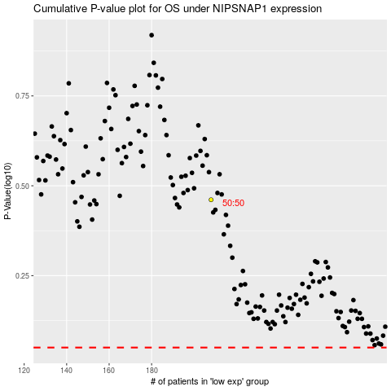

 |  |  |  |  |  | cases_OS | p_OS | rank | exp
 |  |  |  |  |  |  | cases_RFS | p_RFS | rank | exp

