NIPSNAP3B _multivariate
Reported by Tex Li-Hsing Chi. tex@gate.sinica.edu.tw 2019-08-17

Table 2. The clinicopathological features of HNSCC cohort and NIPSNAP3B expression. (Chi square test)
Cutoff at -0.183 (50.0%)
 |  | NIPSNAP3B expression |  | NIPSNAP3B expression |  | (Optimised)
 | Features | Low | (%) | High | (%) | Case no | P-value | Remark | Matthews
Gender | Female | 150 | 36.1 | 156 | 37.6 | 415 | 0.6344 | 0 | 0
2 | Male | 57 | 13.7 | 52 | 12.5
Age at diagnosis | <=65y | 130 | 31.3 | 144 | 34.7 | 415 | 0.2009 | 0 | 0
4 | >65y | 77 | 18.6 | 64 | 15.4
Clinical T Status | T1+T2 | 66 | 15.9 | 83 | 20 | 415 | 0.1095 | 0 | 0
6 | T3+T4 | 141 | 34 | 125 | 30.1
Clinical N Status | N0 | 111 | 26.7 | 105 | 25.3 | 415 | 0.5875 | 0 | 0
8 | N1-3 | 96 | 23.1 | 103 | 24.8
Clinical M Status | M0 | 205 | 49.4 | 207 | 49.9 | 415 | 0.6232 | 0 | 0
10 | M1 | 2 | 0.5 | 1 | 0.2
Clinical Stage | Stage I+II | 50 | 12 | 52 | 12.5 | 415 | 0.9315 | 0 | 0
12 | Stage III+IV | 157 | 37.8 | 156 | 37.6
Surgical Margin status | Negative | 161 | 38.8 | 157 | 37.8 | 415 | 0.6429 | 0 | 0
14 | Positive | 46 | 11.1 | 51 | 12.3
Tobacco Exposure | Low | 81 | 19.5 | 80 | 19.3 | 415 | 0.9199 | 0 | 0
16 | High | 126 | 30.4 | 128 | 30.8

Table 3. Univariate/Multivariate Cox's proportional hazards regression analyses on OS time of NIPSNAP3B gene expression in HNSCC

 |  | Univariate |  |  |  | Multivariate
 | Features | HR | CI95%(L) | CI95%(H) | P-value | HR | CI95%(L) | CI95%(H) | P-value
1 | Female | 1 |  |  |  | 1
Gender | Male | 1.157 | 0.843 | 1.587 | 0.367 | 1.202 | 0.86 | 1.681 | 0.282
11 | <=65y | 1 |  |  |  | 1
Age at diagnosis | >65y | 1.329 | 0.99 | 1.784 | 0.058 | 1.392 | 1.024 | 1.893 | 0.035
12 | T1+T2 | 1 |  |  |  | 1
Clinical T Status | T3+T4 | 1.409 | 1.028 | 1.931 | 0.033 | 2.204 | 1.163 | 4.177 | 0.015
13 | N0 | 1 |  |  |  | 1
Clinical N Status | N1-3 | 1.185 | 0.89 | 1.577 | 0.246 | 1.241 | 0.87 | 1.771 | 0.234
14 | M0 | 1 |  |  |  | 1
Clinical M Status | M1 | 4.097 | 1.009 | 16.644 | 0.049 | 9.426 | 2.044 | 43.475 | 0.004
15 | Stage I+II | 1 |  |  |  | 1
Clinical Stage | Stage III+IV | 1.245 | 0.882 | 1.759 | 0.213 | 0.504 | 0.234 | 1.084 | 0.08
16 | Negative | 1 |  |  |  | 1
Surgical Margin status | Positive | 1.591 | 1.155 | 2.191 | 0.004 | 1.672 | 1.21 | 2.31 | 0.002
17 | Low | 1 |  |  |  | 1
Tobacco Exposure | High | 1.364 | 1.008 | 1.844 | 0.044 | 1.453 | 1.055 | 2.002 | 0.022
18 | Low | 1 |  |  |  | 1
RNAseq(z-score) | High | 0.926 | 0.695 | 1.233 | 0.598 | 1.004 | 0.751 | 1.342 | 0.977

Table 4. Univariate/Multivariate Cox's proportional hazards regression analyses on RFS time of NIPSNAP3B gene expression in HNSCC

 |  | Univariate |  |  |  | Multivariate
 | Features | HR | CI95%(L) | CI95%(H) | P-value | HR | CI95%(L) | CI95%(H) | P-value
1 | Female | 1 |  |  |  | 1
Gender | Male | 1.157 | 0.843 | 1.587 | 0.367 | 1.202 | 0.86 | 1.681 | 0.282
11 | <=65y | 1 |  |  |  | 1
Age at diagnosis | >65y | 1.329 | 0.99 | 1.784 | 0.058 | 1.392 | 1.024 | 1.893 | 0.035
12 | T1+T2 | 1 |  |  |  | 1
Clinical T Status | T3+T4 | 1.409 | 1.028 | 1.931 | 0.033 | 2.204 | 1.163 | 4.177 | 0.015
13 | N0 | 1 |  |  |  | 1
Clinical N Status | N1-3 | 1.185 | 0.89 | 1.577 | 0.246 | 1.241 | 0.87 | 1.771 | 0.234
14 | M0 | 1 |  |  |  | 1
Clinical M Status | M1 | 4.097 | 1.009 | 16.644 | 0.049 | 9.426 | 2.044 | 43.475 | 0.004
15 | Stage I+II | 1 |  |  |  | 1
Clinical Stage | Stage III+IV | 1.245 | 0.882 | 1.759 | 0.213 | 0.504 | 0.234 | 1.084 | 0.08
16 | Negative | 1 |  |  |  | 1
Surgical Margin status | Positive | 1.591 | 1.155 | 2.191 | 0.004 | 1.672 | 1.21 | 2.31 | 0.002
17 | Low | 1 |  |  |  | 1
Tobacco Exposure | High | 1.364 | 1.008 | 1.844 | 0.044 | 1.453 | 1.055 | 2.002 | 0.022
18 | Low | 1 |  |  |  | 1
RNAseq(z-score) | High | 0.926 | 0.695 | 1.233 | 0.598 | 1.004 | 0.751 | 1.342 | 0.977

Kaplan-Meier survival estimate: Cutoff at -0.183 (50.0%)

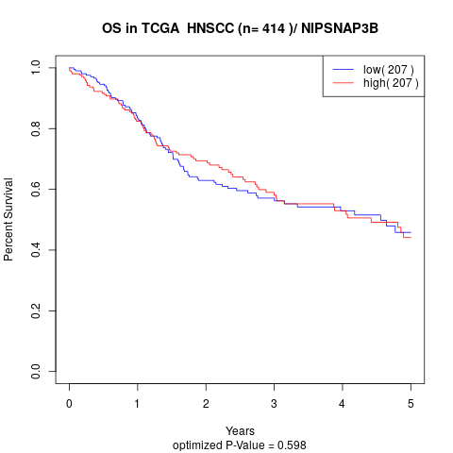

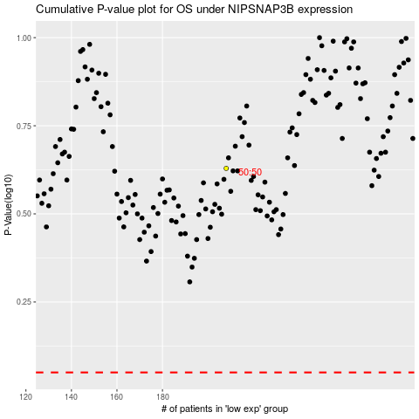

 |  |  |  |  |  | cases_OS | p_OS | rank | exp
 |  |  |  |  |  |  | cases_RFS | p_RFS | rank | exp

