NIT1 _multivariate
Reported by Tex Li-Hsing Chi. tex@gate.sinica.edu.tw 2019-08-17

Table 2. The clinicopathological features of HNSCC cohort and NIT1 expression. (Chi square test)
Cutoff at -0.169 (50.0%)
 |  | NIT1 expression |  | NIT1 expression |  | (Optimised)
 | Features | Low | (%) | High | (%) | Case no | P-value | Remark | Matthews
Gender | Female | 158 | 38.1 | 148 | 35.7 | 415 | 0.2774 | 0 | 0
2 | Male | 49 | 11.8 | 60 | 14.5
Age at diagnosis | <=65y | 137 | 33 | 137 | 33 | 415 | 1 | 0 | 0
4 | >65y | 70 | 16.9 | 71 | 17.1
Clinical T Status | T1+T2 | 75 | 18.1 | 74 | 17.8 | 415 | 0.9707 | 0 | 0
6 | T3+T4 | 132 | 31.8 | 134 | 32.3
Clinical N Status | N0 | 100 | 24.1 | 116 | 28 | 415 | 0.1548 | 0 | 0
8 | N1-3 | 107 | 25.8 | 92 | 22.2
Clinical M Status | M0 | 207 | 49.9 | 205 | 49.4 | 415 | 0.2482 | 0 | 0
10 | M1 | 0 | 0 | 3 | 0.7
Clinical Stage | Stage I+II | 53 | 12.8 | 49 | 11.8 | 415 | 0.7113 | 0 | 0
12 | Stage III+IV | 154 | 37.1 | 159 | 38.3
Surgical Margin status | Negative | 168 | 40.5 | 150 | 36.1 | 415 | 0.0366 | 1 | 0
14 | Positive | 39 | 9.4 | 58 | 14
Tobacco Exposure | Low | 70 | 16.9 | 91 | 21.9 | 415 | 0.0439 | 1 | 0
16 | High | 137 | 33 | 117 | 28.2

Table 3. Univariate/Multivariate Cox's proportional hazards regression analyses on OS time of NIT1 gene expression in HNSCC

 |  | Univariate |  |  |  | Multivariate
 | Features | HR | CI95%(L) | CI95%(H) | P-value | HR | CI95%(L) | CI95%(H) | P-value
1 | Female | 1 |  |  |  | 1
Gender | Male | 1.157 | 0.843 | 1.587 | 0.367 | 1.195 | 0.854 | 1.674 | 0.299
11 | <=65y | 1 |  |  |  | 1
Age at diagnosis | >65y | 1.329 | 0.99 | 1.784 | 0.058 | 1.393 | 1.025 | 1.893 | 0.034
12 | T1+T2 | 1 |  |  |  | 1
Clinical T Status | T3+T4 | 1.409 | 1.028 | 1.931 | 0.033 | 2.207 | 1.167 | 4.174 | 0.015
13 | N0 | 1 |  |  |  | 1
Clinical N Status | N1-3 | 1.185 | 0.89 | 1.577 | 0.246 | 1.25 | 0.872 | 1.792 | 0.224
14 | M0 | 1 |  |  |  | 1
Clinical M Status | M1 | 4.097 | 1.009 | 16.644 | 0.049 | 9.196 | 1.987 | 42.553 | 0.005
15 | Stage I+II | 1 |  |  |  | 1
Clinical Stage | Stage III+IV | 1.245 | 0.882 | 1.759 | 0.213 | 0.501 | 0.233 | 1.077 | 0.077
16 | Negative | 1 |  |  |  | 1
Surgical Margin status | Positive | 1.591 | 1.155 | 2.191 | 0.004 | 1.657 | 1.192 | 2.305 | 0.003
17 | Low | 1 |  |  |  | 1
Tobacco Exposure | High | 1.364 | 1.008 | 1.844 | 0.044 | 1.457 | 1.057 | 2.008 | 0.022
18 | Low | 1 |  |  |  | 1
RNAseq(z-score) | High | 1.102 | 0.827 | 1.467 | 0.508 | 1.041 | 0.771 | 1.406 | 0.795

Table 4. Univariate/Multivariate Cox's proportional hazards regression analyses on RFS time of NIT1 gene expression in HNSCC

 |  | Univariate |  |  |  | Multivariate
 | Features | HR | CI95%(L) | CI95%(H) | P-value | HR | CI95%(L) | CI95%(H) | P-value
1 | Female | 1 |  |  |  | 1
Gender | Male | 1.157 | 0.843 | 1.587 | 0.367 | 1.195 | 0.854 | 1.674 | 0.299
11 | <=65y | 1 |  |  |  | 1
Age at diagnosis | >65y | 1.329 | 0.99 | 1.784 | 0.058 | 1.393 | 1.025 | 1.893 | 0.034
12 | T1+T2 | 1 |  |  |  | 1
Clinical T Status | T3+T4 | 1.409 | 1.028 | 1.931 | 0.033 | 2.207 | 1.167 | 4.174 | 0.015
13 | N0 | 1 |  |  |  | 1
Clinical N Status | N1-3 | 1.185 | 0.89 | 1.577 | 0.246 | 1.25 | 0.872 | 1.792 | 0.224
14 | M0 | 1 |  |  |  | 1
Clinical M Status | M1 | 4.097 | 1.009 | 16.644 | 0.049 | 9.196 | 1.987 | 42.553 | 0.005
15 | Stage I+II | 1 |  |  |  | 1
Clinical Stage | Stage III+IV | 1.245 | 0.882 | 1.759 | 0.213 | 0.501 | 0.233 | 1.077 | 0.077
16 | Negative | 1 |  |  |  | 1
Surgical Margin status | Positive | 1.591 | 1.155 | 2.191 | 0.004 | 1.657 | 1.192 | 2.305 | 0.003
17 | Low | 1 |  |  |  | 1
Tobacco Exposure | High | 1.364 | 1.008 | 1.844 | 0.044 | 1.457 | 1.057 | 2.008 | 0.022
18 | Low | 1 |  |  |  | 1
RNAseq(z-score) | High | 1.102 | 0.827 | 1.467 | 0.508 | 1.041 | 0.771 | 1.406 | 0.795

Kaplan-Meier survival estimate: Cutoff at -0.169 (50.0%)



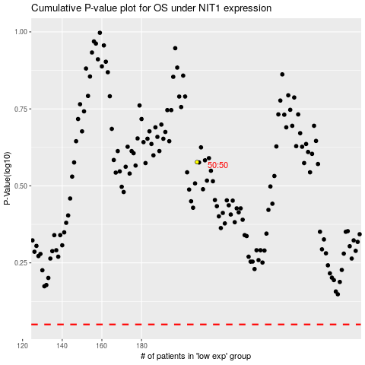

 |  |  |  |  |  | cases_OS | p_OS | rank | exp
 |  |  |  |  |  |  | cases_RFS | p_RFS | rank | exp

