NKAIN2 _multivariate
Reported by Tex Li-Hsing Chi. tex@gate.sinica.edu.tw 2019-08-17

Table 2. The clinicopathological features of HNSCC cohort and NKAIN2 expression. (Chi square test)
Cutoff at -0.365 (50.0%)
 |  | NKAIN2 expression |  | NKAIN2 expression |  | (Optimised)
 | Features | Low | (%) | High | (%) | Case no | P-value | Remark | Matthews
Gender | Female | 151 | 36.4 | 155 | 37.3 | 415 | 0.8007 | 0 | 0
2 | Male | 56 | 13.5 | 53 | 12.8
Age at diagnosis | <=65y | 138 | 33.3 | 136 | 32.8 | 415 | 0.8634 | 0 | 0
4 | >65y | 69 | 16.6 | 72 | 17.3
Clinical T Status | T1+T2 | 82 | 19.8 | 67 | 16.1 | 415 | 0.1417 | 0 | 0
6 | T3+T4 | 125 | 30.1 | 141 | 34
Clinical N Status | N0 | 101 | 24.3 | 115 | 27.7 | 415 | 0.2201 | 0 | 0
8 | N1-3 | 106 | 25.5 | 93 | 22.4
Clinical M Status | M0 | 206 | 49.6 | 206 | 49.6 | 415 | 1 | 0 | 0
10 | M1 | 1 | 0.2 | 2 | 0.5
Clinical Stage | Stage I+II | 51 | 12.3 | 51 | 12.3 | 415 | 1 | 0 | 0
12 | Stage III+IV | 156 | 37.6 | 157 | 37.8
Surgical Margin status | Negative | 154 | 37.1 | 164 | 39.5 | 415 | 0.2984 | 0 | 0
14 | Positive | 53 | 12.8 | 44 | 10.6
Tobacco Exposure | Low | 91 | 21.9 | 70 | 16.9 | 415 | 0.0346 | 1 | 0
16 | High | 116 | 28 | 138 | 33.3

Table 3. Univariate/Multivariate Cox's proportional hazards regression analyses on OS time of NKAIN2 gene expression in HNSCC

 |  | Univariate |  |  |  | Multivariate
 | Features | HR | CI95%(L) | CI95%(H) | P-value | HR | CI95%(L) | CI95%(H) | P-value
1 | Female | 1 |  |  |  | 1
Gender | Male | 1.157 | 0.843 | 1.587 | 0.367 | 1.199 | 0.858 | 1.677 | 0.287
11 | <=65y | 1 |  |  |  | 1
Age at diagnosis | >65y | 1.329 | 0.99 | 1.784 | 0.058 | 1.392 | 1.024 | 1.892 | 0.035
12 | T1+T2 | 1 |  |  |  | 1
Clinical T Status | T3+T4 | 1.409 | 1.028 | 1.931 | 0.033 | 2.226 | 1.168 | 4.239 | 0.015
13 | N0 | 1 |  |  |  | 1
Clinical N Status | N1-3 | 1.185 | 0.89 | 1.577 | 0.246 | 1.241 | 0.87 | 1.77 | 0.234
14 | M0 | 1 |  |  |  | 1
Clinical M Status | M1 | 4.097 | 1.009 | 16.644 | 0.049 | 9.581 | 2.07 | 44.335 | 0.004
15 | Stage I+II | 1 |  |  |  | 1
Clinical Stage | Stage III+IV | 1.245 | 0.882 | 1.759 | 0.213 | 0.5 | 0.232 | 1.078 | 0.077
16 | Negative | 1 |  |  |  | 1
Surgical Margin status | Positive | 1.591 | 1.155 | 2.191 | 0.004 | 1.669 | 1.208 | 2.307 | 0.002
17 | Low | 1 |  |  |  | 1
Tobacco Exposure | High | 1.364 | 1.008 | 1.844 | 0.044 | 1.462 | 1.056 | 2.025 | 0.022
18 | Low | 1 |  |  |  | 1
RNAseq(z-score) | High | 1.083 | 0.812 | 1.444 | 0.588 | 0.968 | 0.718 | 1.306 | 0.832

Table 4. Univariate/Multivariate Cox's proportional hazards regression analyses on RFS time of NKAIN2 gene expression in HNSCC

 |  | Univariate |  |  |  | Multivariate
 | Features | HR | CI95%(L) | CI95%(H) | P-value | HR | CI95%(L) | CI95%(H) | P-value
1 | Female | 1 |  |  |  | 1
Gender | Male | 1.157 | 0.843 | 1.587 | 0.367 | 1.199 | 0.858 | 1.677 | 0.287
11 | <=65y | 1 |  |  |  | 1
Age at diagnosis | >65y | 1.329 | 0.99 | 1.784 | 0.058 | 1.392 | 1.024 | 1.892 | 0.035
12 | T1+T2 | 1 |  |  |  | 1
Clinical T Status | T3+T4 | 1.409 | 1.028 | 1.931 | 0.033 | 2.226 | 1.168 | 4.239 | 0.015
13 | N0 | 1 |  |  |  | 1
Clinical N Status | N1-3 | 1.185 | 0.89 | 1.577 | 0.246 | 1.241 | 0.87 | 1.77 | 0.234
14 | M0 | 1 |  |  |  | 1
Clinical M Status | M1 | 4.097 | 1.009 | 16.644 | 0.049 | 9.581 | 2.07 | 44.335 | 0.004
15 | Stage I+II | 1 |  |  |  | 1
Clinical Stage | Stage III+IV | 1.245 | 0.882 | 1.759 | 0.213 | 0.5 | 0.232 | 1.078 | 0.077
16 | Negative | 1 |  |  |  | 1
Surgical Margin status | Positive | 1.591 | 1.155 | 2.191 | 0.004 | 1.669 | 1.208 | 2.307 | 0.002
17 | Low | 1 |  |  |  | 1
Tobacco Exposure | High | 1.364 | 1.008 | 1.844 | 0.044 | 1.462 | 1.056 | 2.025 | 0.022
18 | Low | 1 |  |  |  | 1
RNAseq(z-score) | High | 1.083 | 0.812 | 1.444 | 0.588 | 0.968 | 0.718 | 1.306 | 0.832

Kaplan-Meier survival estimate: Cutoff at -0.365 (50.0%)



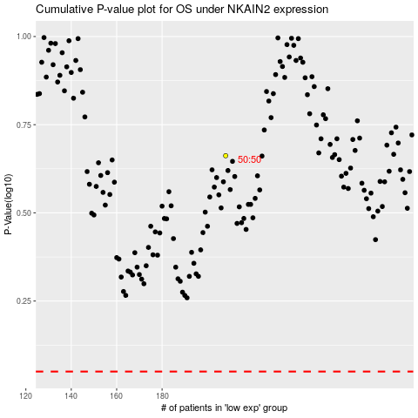

 |  |  |  |  |  | cases_OS | p_OS | rank | exp
 |  |  |  |  |  |  | cases_RFS | p_RFS | rank | exp

