NKAIN4 _multivariate
Reported by Tex Li-Hsing Chi. tex@gate.sinica.edu.tw 2019-08-17

Table 2. The clinicopathological features of HNSCC cohort and NKAIN4 expression. (Chi square test)
Cutoff at -0.165 (50.0%)
 |  | NKAIN4 expression |  | NKAIN4 expression |  | (Optimised)
 | Features | Low | (%) | High | (%) | Case no | P-value | Remark | Matthews
Gender | Female | 152 | 36.6 | 154 | 37.1 | 415 | 0.9766 | 0 | 0
2 | Male | 55 | 13.3 | 54 | 13
Age at diagnosis | <=65y | 136 | 32.8 | 138 | 33.3 | 415 | 0.9719 | 0 | 0
4 | >65y | 71 | 17.1 | 70 | 16.9
Clinical T Status | T1+T2 | 72 | 17.3 | 77 | 18.6 | 415 | 0.7095 | 0 | 0
6 | T3+T4 | 135 | 32.5 | 131 | 31.6
Clinical N Status | N0 | 110 | 26.5 | 106 | 25.5 | 415 | 0.7294 | 0 | 0
8 | N1-3 | 97 | 23.4 | 102 | 24.6
Clinical M Status | M0 | 204 | 49.2 | 208 | 50.1 | 415 | 0.1232 | 0 | 0
10 | M1 | 3 | 0.7 | 0 | 0
Clinical Stage | Stage I+II | 43 | 10.4 | 59 | 14.2 | 415 | 0.0925 | 0 | 0
12 | Stage III+IV | 164 | 39.5 | 149 | 35.9
Surgical Margin status | Negative | 158 | 38.1 | 160 | 38.6 | 415 | 0.9081 | 0 | 0
14 | Positive | 49 | 11.8 | 48 | 11.6
Tobacco Exposure | Low | 81 | 19.5 | 80 | 19.3 | 415 | 0.9199 | 0 | 0
16 | High | 126 | 30.4 | 128 | 30.8

Table 3. Univariate/Multivariate Cox's proportional hazards regression analyses on OS time of NKAIN4 gene expression in HNSCC

 |  | Univariate |  |  |  | Multivariate
 | Features | HR | CI95%(L) | CI95%(H) | P-value | HR | CI95%(L) | CI95%(H) | P-value
1 | Female | 1 |  |  |  | 1
Gender | Male | 1.157 | 0.843 | 1.587 | 0.367 | 1.2 | 0.859 | 1.677 | 0.285
11 | <=65y | 1 |  |  |  | 1
Age at diagnosis | >65y | 1.329 | 0.99 | 1.784 | 0.058 | 1.393 | 1.025 | 1.894 | 0.034
12 | T1+T2 | 1 |  |  |  | 1
Clinical T Status | T3+T4 | 1.409 | 1.028 | 1.931 | 0.033 | 2.227 | 1.173 | 4.228 | 0.014
13 | N0 | 1 |  |  |  | 1
Clinical N Status | N1-3 | 1.185 | 0.89 | 1.577 | 0.246 | 1.25 | 0.873 | 1.79 | 0.222
14 | M0 | 1 |  |  |  | 1
Clinical M Status | M1 | 4.097 | 1.009 | 16.644 | 0.049 | 9.273 | 2.017 | 42.628 | 0.004
15 | Stage I+II | 1 |  |  |  | 1
Clinical Stage | Stage III+IV | 1.245 | 0.882 | 1.759 | 0.213 | 0.495 | 0.229 | 1.073 | 0.075
16 | Negative | 1 |  |  |  | 1
Surgical Margin status | Positive | 1.591 | 1.155 | 2.191 | 0.004 | 1.678 | 1.213 | 2.322 | 0.002
17 | Low | 1 |  |  |  | 1
Tobacco Exposure | High | 1.364 | 1.008 | 1.844 | 0.044 | 1.458 | 1.057 | 2.011 | 0.022
18 | Low | 1 |  |  |  | 1
RNAseq(z-score) | High | 1.01 | 0.758 | 1.345 | 0.947 | 0.956 | 0.712 | 1.283 | 0.763

Table 4. Univariate/Multivariate Cox's proportional hazards regression analyses on RFS time of NKAIN4 gene expression in HNSCC

 |  | Univariate |  |  |  | Multivariate
 | Features | HR | CI95%(L) | CI95%(H) | P-value | HR | CI95%(L) | CI95%(H) | P-value
1 | Female | 1 |  |  |  | 1
Gender | Male | 1.157 | 0.843 | 1.587 | 0.367 | 1.2 | 0.859 | 1.677 | 0.285
11 | <=65y | 1 |  |  |  | 1
Age at diagnosis | >65y | 1.329 | 0.99 | 1.784 | 0.058 | 1.393 | 1.025 | 1.894 | 0.034
12 | T1+T2 | 1 |  |  |  | 1
Clinical T Status | T3+T4 | 1.409 | 1.028 | 1.931 | 0.033 | 2.227 | 1.173 | 4.228 | 0.014
13 | N0 | 1 |  |  |  | 1
Clinical N Status | N1-3 | 1.185 | 0.89 | 1.577 | 0.246 | 1.25 | 0.873 | 1.79 | 0.222
14 | M0 | 1 |  |  |  | 1
Clinical M Status | M1 | 4.097 | 1.009 | 16.644 | 0.049 | 9.273 | 2.017 | 42.628 | 0.004
15 | Stage I+II | 1 |  |  |  | 1
Clinical Stage | Stage III+IV | 1.245 | 0.882 | 1.759 | 0.213 | 0.495 | 0.229 | 1.073 | 0.075
16 | Negative | 1 |  |  |  | 1
Surgical Margin status | Positive | 1.591 | 1.155 | 2.191 | 0.004 | 1.678 | 1.213 | 2.322 | 0.002
17 | Low | 1 |  |  |  | 1
Tobacco Exposure | High | 1.364 | 1.008 | 1.844 | 0.044 | 1.458 | 1.057 | 2.011 | 0.022
18 | Low | 1 |  |  |  | 1
RNAseq(z-score) | High | 1.01 | 0.758 | 1.345 | 0.947 | 0.956 | 0.712 | 1.283 | 0.763

Kaplan-Meier survival estimate: Cutoff at -0.165 (50.0%)



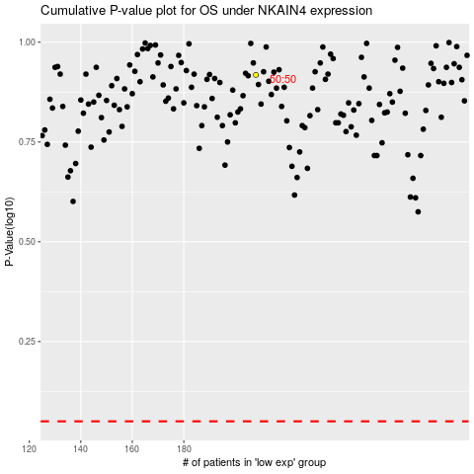

 |  |  |  |  |  | cases_OS | p_OS | rank | exp
 |  |  |  |  |  |  | cases_RFS | p_RFS | rank | exp

