NKAP _multivariate
Reported by Tex Li-Hsing Chi. tex@gate.sinica.edu.tw 2019-08-17

Table 2. The clinicopathological features of HNSCC cohort and NKAP expression. (Chi square test)
Cutoff at -0.507 (33.3%)
 |  | NKAP expression |  | NKAP expression |  | (Optimised)
 | Features | Low | (%) | High | (%) | Case no | P-value | Remark | Matthews
Gender | Female | 100 | 24.1 | 206 | 49.6 | 415 | 0.6379 | 0 | 0
2 | Male | 39 | 9.4 | 70 | 16.9
Age at diagnosis | <=65y | 91 | 21.9 | 183 | 44.1 | 415 | 0.9521 | 0 | 0
4 | >65y | 48 | 11.6 | 93 | 22.4
Clinical T Status | T1+T2 | 49 | 11.8 | 100 | 24.1 | 415 | 0.9299 | 0 | 0
6 | T3+T4 | 90 | 21.7 | 176 | 42.4
Clinical N Status | N0 | 73 | 17.6 | 143 | 34.5 | 415 | 0.9746 | 0 | 0
8 | N1-3 | 66 | 15.9 | 133 | 32
Clinical M Status | M0 | 139 | 33.5 | 273 | 65.8 | 415 | 0.554 | 0 | 0
10 | M1 | 0 | 0 | 3 | 0.7
Clinical Stage | Stage I+II | 31 | 7.5 | 71 | 17.1 | 415 | 0.5199 | 0 | 0
12 | Stage III+IV | 108 | 26 | 205 | 49.4
Surgical Margin status | Negative | 109 | 26.3 | 209 | 50.4 | 415 | 0.6233 | 0 | 0
14 | Positive | 30 | 7.2 | 67 | 16.1
Tobacco Exposure | Low | 49 | 11.8 | 112 | 27 | 415 | 0.3369 | 0 | 0
16 | High | 90 | 21.7 | 164 | 39.5

Table 3. Univariate/Multivariate Cox's proportional hazards regression analyses on OS time of NKAP gene expression in HNSCC

 |  | Univariate |  |  |  | Multivariate
 | Features | HR | CI95%(L) | CI95%(H) | P-value | HR | CI95%(L) | CI95%(H) | P-value
1 | Female | 1 |  |  |  | 1
Gender | Male | 1.157 | 0.843 | 1.587 | 0.367 | 1.235 | 0.882 | 1.729 | 0.22
11 | <=65y | 1 |  |  |  | 1
Age at diagnosis | >65y | 1.329 | 0.99 | 1.784 | 0.058 | 1.416 | 1.042 | 1.925 | 0.026
12 | T1+T2 | 1 |  |  |  | 1
Clinical T Status | T3+T4 | 1.409 | 1.028 | 1.931 | 0.033 | 2.127 | 1.125 | 4.022 | 0.02
13 | N0 | 1 |  |  |  | 1
Clinical N Status | N1-3 | 1.185 | 0.89 | 1.577 | 0.246 | 1.216 | 0.853 | 1.734 | 0.28
14 | M0 | 1 |  |  |  | 1
Clinical M Status | M1 | 4.097 | 1.009 | 16.644 | 0.049 | 8.184 | 1.781 | 37.613 | 0.007
15 | Stage I+II | 1 |  |  |  | 1
Clinical Stage | Stage III+IV | 1.245 | 0.882 | 1.759 | 0.213 | 0.531 | 0.247 | 1.141 | 0.105
16 | Negative | 1 |  |  |  | 1
Surgical Margin status | Positive | 1.591 | 1.155 | 2.191 | 0.004 | 1.596 | 1.153 | 2.208 | 0.005
17 | Low | 1 |  |  |  | 1
Tobacco Exposure | High | 1.364 | 1.008 | 1.844 | 0.044 | 1.512 | 1.094 | 2.09 | 0.012
18 | Low | 1 |  |  |  | 1
RNAseq(z-score) | High | 1.518 | 1.103 | 2.089 | 0.01 | 1.504 | 1.087 | 2.08 | 0.014

Table 4. Univariate/Multivariate Cox's proportional hazards regression analyses on RFS time of NKAP gene expression in HNSCC

 |  | Univariate |  |  |  | Multivariate
 | Features | HR | CI95%(L) | CI95%(H) | P-value | HR | CI95%(L) | CI95%(H) | P-value
1 | Female | 1 |  |  |  | 1
Gender | Male | 1.157 | 0.843 | 1.587 | 0.367 | 1.235 | 0.882 | 1.729 | 0.22
11 | <=65y | 1 |  |  |  | 1
Age at diagnosis | >65y | 1.329 | 0.99 | 1.784 | 0.058 | 1.416 | 1.042 | 1.925 | 0.026
12 | T1+T2 | 1 |  |  |  | 1
Clinical T Status | T3+T4 | 1.409 | 1.028 | 1.931 | 0.033 | 2.127 | 1.125 | 4.022 | 0.02
13 | N0 | 1 |  |  |  | 1
Clinical N Status | N1-3 | 1.185 | 0.89 | 1.577 | 0.246 | 1.216 | 0.853 | 1.734 | 0.28
14 | M0 | 1 |  |  |  | 1
Clinical M Status | M1 | 4.097 | 1.009 | 16.644 | 0.049 | 8.184 | 1.781 | 37.613 | 0.007
15 | Stage I+II | 1 |  |  |  | 1
Clinical Stage | Stage III+IV | 1.245 | 0.882 | 1.759 | 0.213 | 0.531 | 0.247 | 1.141 | 0.105
16 | Negative | 1 |  |  |  | 1
Surgical Margin status | Positive | 1.591 | 1.155 | 2.191 | 0.004 | 1.596 | 1.153 | 2.208 | 0.005
17 | Low | 1 |  |  |  | 1
Tobacco Exposure | High | 1.364 | 1.008 | 1.844 | 0.044 | 1.512 | 1.094 | 2.09 | 0.012
18 | Low | 1 |  |  |  | 1
RNAseq(z-score) | High | 1.518 | 1.103 | 2.089 | 0.01 | 1.504 | 1.087 | 2.08 | 0.014

Kaplan-Meier survival estimate: Cutoff at -0.507 (33.3%)

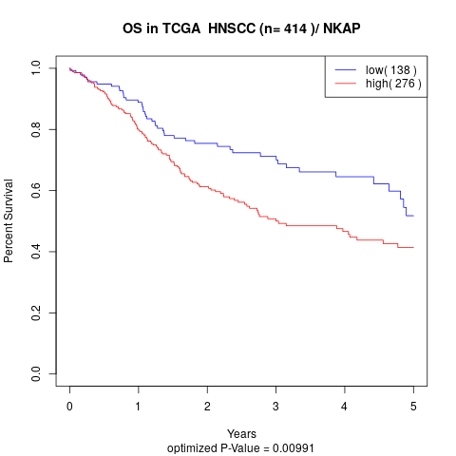

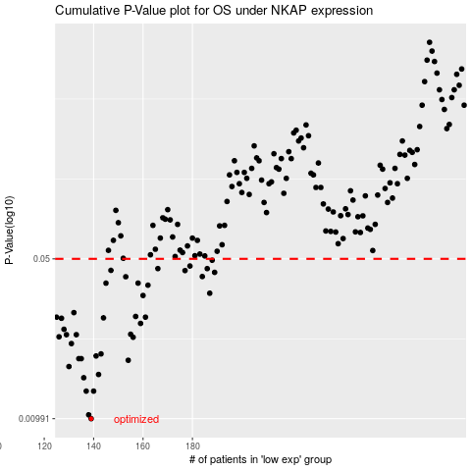

 |  |  |  |  |  | cases_OS | p_OS | rank | exp
 |  |  |  |  |  | 139 | 0.00991 | 206 | -0.50671528322
 |  |  |  |  |  | 138 | 0.0103 | 391 | -0.51399338311
 |  |  |  |  |  | 137 | 0.0131 | 233 | -0.51463794661
 |  |  |  |  |  | 140 | 0.0131 | 364 | -0.50272391811
 |  |  |  |  |  | 136 | 0.015 | 309 | -0.52301265153
 |  |  |  |  |  | 142 | 0.0155 | 82 | -0.49674418627
 |  |  |  |  |  | 130 | 0.0168 | 56 | -0.5446505788
 |  |  |  |  |  | 154 | 0.0179 | 220 | -0.45794562226
 |  |  |  |  |  | 135 | 0.0182 | 170 | -0.52743988635
 |  |  |  |  |  | 134 | 0.0182 | 333 | -0.52855959402
 |  |  |  |  |  | 141 | 0.0187 | 157 | -0.49797170624
 |  |  |  |  |  | 143 | 0.0191 | 264 | -0.4932171841
 |  |  |  |  |  | 131 | 0.0212 | 58 | -0.54266221207
 |  |  |  |  |  | 156 | 0.0226 | 215 | -0.43941653948
 |  |  |  |  |  | 126 | 0.0227 | 244 | -0.56230176148
 |  |  |  |  |  | 129 | 0.0232 | 111 | -0.5512325193
 |  |  |  |  |  | 133 | 0.0232 | 121 | -0.53083135306
 |  |  |  |  |  | 155 | 0.0233 | 25 | -0.44400934318
 |  |  |  |  |  | 128 | 0.0245 | 304 | -0.55205497308
 |  |  |  |  |  | 159 | 0.026 | 54 | -0.42735465412
 |  |  |  |  |  | 127 | 0.0274 | 8 | -0.55794460465
 |  |  |  |  |  | 144 | 0.0275 | 224 | -0.49213290047
 |  |  |  |  |  | 125 | 0.0277 | 168 | -0.56288625812
 |  |  |  |  |  | 161 | 0.0277 | 223 | -0.42167833688
 |  |  |  |  |  | 157 | 0.0279 | 289 | -0.43671584153
 |  |  |  |  |  | 132 | 0.029 | 84 | -0.53201420793
 |  |  |  |  |  | 160 | 0.0345 | 192 | -0.4228396293
 |  |  |  |  |  | 187 | 0.0353 | 115 | -0.30026167234
 |  |  |  |  |  | 162 | 0.0383 | 2 | -0.41941658899
 |  |  |  |  |  | 145 | 0.0391 | 210 | -0.48858818628
 |  |  |  |  |  | 158 | 0.0391 | 232 | -0.4332435156
 |  |  |  |  |  | 153 | 0.0417 | 245 | -0.45923397916
 |  |  |  |  |  | 184 | 0.0418 | 202 | -0.32429842313
 |  |  |  |  |  | 189 | 0.0436 | 414 | -0.29470471871
 |  |  |  |  |  | 177 | 0.0444 | 284 | -0.35576421102
 |  |  |  |  |  | 147 | 0.0445 | 196 | -0.48621708592
 |  |  |  |  |  | 186 | 0.0453 | 109 | -0.31090351577
 |  |  |  |  |  | 166 | 0.0453 | 213 | -0.4008813455
 |  |  |  |  |  | 179 | 0.0465 | 114 | -0.33646273017
 |  |  |  |  |  | 188 | 0.0493 | 367 | -0.29568889093
 |  |  |  |  |  |  | cases_RFS | p_RFS | rank | exp
 |  |  |  |  |  |  | 138 | 0.00991 | 391 | -0.51399338311
 |  |  |  |  |  |  | 137 | 0.0103 | 233 | -0.51463794661
 |  |  |  |  |  |  | 139 | 0.0131 | 206 | -0.50671528322
 |  |  |  |  |  |  | 136 | 0.0131 | 309 | -0.52301265153
 |  |  |  |  |  |  | 135 | 0.015 | 170 | -0.52743988635
 |  |  |  |  |  |  | 141 | 0.0155 | 157 | -0.49797170624
 |  |  |  |  |  |  | 129 | 0.0168 | 111 | -0.5512325193
 |  |  |  |  |  |  | 153 | 0.0179 | 245 | -0.45923397916
 |  |  |  |  |  |  | 133 | 0.0182 | 121 | -0.53083135306
 |  |  |  |  |  |  | 134 | 0.0182 | 333 | -0.52855959402
 |  |  |  |  |  |  | 140 | 0.0187 | 364 | -0.50272391811
 |  |  |  |  |  |  | 142 | 0.0191 | 82 | -0.49674418627
 |  |  |  |  |  |  | 130 | 0.0212 | 56 | -0.5446505788
 |  |  |  |  |  |  | 155 | 0.0226 | 25 | -0.44400934318
 |  |  |  |  |  |  | 125 | 0.0227 | 168 | -0.56288625812
 |  |  |  |  |  |  | 132 | 0.0232 | 84 | -0.53201420793
 |  |  |  |  |  |  | 128 | 0.0232 | 304 | -0.55205497308
 |  |  |  |  |  |  | 154 | 0.0233 | 220 | -0.45794562226
 |  |  |  |  |  |  | 127 | 0.0245 | 8 | -0.55794460465
 |  |  |  |  |  |  | 158 | 0.026 | 232 | -0.4332435156
 |  |  |  |  |  |  | 126 | 0.0274 | 244 | -0.56230176148
 |  |  |  |  |  |  | 143 | 0.0275 | 264 | -0.4932171841
 |  |  |  |  |  |  | 160 | 0.0277 | 192 | -0.4228396293
 |  |  |  |  |  |  |  | 0.0277 | 402 | -0.56578409855
 |  |  |  |  |  |  | 156 | 0.0279 | 215 | -0.43941653948
 |  |  |  |  |  |  | 131 | 0.029 | 58 | -0.54266221207
 |  |  |  |  |  |  | 159 | 0.0345 | 54 | -0.42735465412
 |  |  |  |  |  |  | 186 | 0.0353 | 109 | -0.31090351577
 |  |  |  |  |  |  | 161 | 0.0383 | 223 | -0.42167833688
 |  |  |  |  |  |  | 144 | 0.0391 | 224 | -0.49213290047
 |  |  |  |  |  |  | 157 | 0.0391 | 289 | -0.43671584153
 |  |  |  |  |  |  | 152 | 0.0417 | 89 | -0.46433658099
 |  |  |  |  |  |  | 183 | 0.0418 | 189 | -0.33073250678
 |  |  |  |  |  |  | 188 | 0.0436 | 367 | -0.29568889093
 |  |  |  |  |  |  | 176 | 0.0444 | 31 | -0.36101620988
 |  |  |  |  |  |  | 146 | 0.0445 | 42 | -0.48767332196
 |  |  |  |  |  |  | 185 | 0.0453 | 294 | -0.31839724025
 |  |  |  |  |  |  | 165 | 0.0453 | 328 | -0.40175000455
 |  |  |  |  |  |  | 178 | 0.0465 | 116 | -0.34720776537
 |  |  |  |  |  |  | 187 | 0.0493 | 115 | -0.30026167234

