NKAPL _multivariate
Reported by Tex Li-Hsing Chi. tex@gate.sinica.edu.tw 2019-08-17

Table 2. The clinicopathological features of HNSCC cohort and NKAPL expression. (Chi square test)
Cutoff at -0.289 (50.0%)
 |  | NKAPL expression |  | NKAPL expression |  | (Optimised)
 | Features | Low | (%) | High | (%) | Case no | P-value | Remark | Matthews
Gender | Female | 152 | 36.6 | 154 | 37.1 | 415 | 0.9766 | 0 | 0
2 | Male | 55 | 13.3 | 54 | 13
Age at diagnosis | <=65y | 130 | 31.3 | 144 | 34.7 | 415 | 0.2009 | 0 | 0
4 | >65y | 77 | 18.6 | 64 | 15.4
Clinical T Status | T1+T2 | 69 | 16.6 | 80 | 19.3 | 415 | 0.3239 | 0 | 0
6 | T3+T4 | 138 | 33.3 | 128 | 30.8
Clinical N Status | N0 | 109 | 26.3 | 107 | 25.8 | 415 | 0.8812 | 0 | 0
8 | N1-3 | 98 | 23.6 | 101 | 24.3
Clinical M Status | M0 | 206 | 49.6 | 206 | 49.6 | 415 | 1 | 0 | 0
10 | M1 | 1 | 0.2 | 2 | 0.5
Clinical Stage | Stage I+II | 42 | 10.1 | 60 | 14.5 | 415 | 0.0561 | 0 | 0
12 | Stage III+IV | 165 | 39.8 | 148 | 35.7
Surgical Margin status | Negative | 153 | 36.9 | 165 | 39.8 | 415 | 0.2036 | 0 | 0
14 | Positive | 54 | 13 | 43 | 10.4
Tobacco Exposure | Low | 82 | 19.8 | 79 | 19 | 415 | 0.763 | 0 | 0
16 | High | 125 | 30.1 | 129 | 31.1

Table 3. Univariate/Multivariate Cox's proportional hazards regression analyses on OS time of NKAPL gene expression in HNSCC

 |  | Univariate |  |  |  | Multivariate
 | Features | HR | CI95%(L) | CI95%(H) | P-value | HR | CI95%(L) | CI95%(H) | P-value
1 | Female | 1 |  |  |  | 1
Gender | Male | 1.157 | 0.843 | 1.587 | 0.367 | 1.208 | 0.865 | 1.688 | 0.268
11 | <=65y | 1 |  |  |  | 1
Age at diagnosis | >65y | 1.329 | 0.99 | 1.784 | 0.058 | 1.407 | 1.033 | 1.918 | 0.031
12 | T1+T2 | 1 |  |  |  | 1
Clinical T Status | T3+T4 | 1.409 | 1.028 | 1.931 | 0.033 | 2.158 | 1.137 | 4.097 | 0.019
13 | N0 | 1 |  |  |  | 1
Clinical N Status | N1-3 | 1.185 | 0.89 | 1.577 | 0.246 | 1.227 | 0.858 | 1.754 | 0.263
14 | M0 | 1 |  |  |  | 1
Clinical M Status | M1 | 4.097 | 1.009 | 16.644 | 0.049 | 9.06 | 1.966 | 41.755 | 0.005
15 | Stage I+II | 1 |  |  |  | 1
Clinical Stage | Stage III+IV | 1.245 | 0.882 | 1.759 | 0.213 | 0.521 | 0.241 | 1.128 | 0.098
16 | Negative | 1 |  |  |  | 1
Surgical Margin status | Positive | 1.591 | 1.155 | 2.191 | 0.004 | 1.686 | 1.219 | 2.334 | 0.002
17 | Low | 1 |  |  |  | 1
Tobacco Exposure | High | 1.364 | 1.008 | 1.844 | 0.044 | 1.455 | 1.056 | 2.005 | 0.022
18 | Low | 1 |  |  |  | 1
RNAseq(z-score) | High | 1.04 | 0.781 | 1.386 | 0.786 | 1.089 | 0.811 | 1.464 | 0.571

Table 4. Univariate/Multivariate Cox's proportional hazards regression analyses on RFS time of NKAPL gene expression in HNSCC

 |  | Univariate |  |  |  | Multivariate
 | Features | HR | CI95%(L) | CI95%(H) | P-value | HR | CI95%(L) | CI95%(H) | P-value
1 | Female | 1 |  |  |  | 1
Gender | Male | 1.157 | 0.843 | 1.587 | 0.367 | 1.208 | 0.865 | 1.688 | 0.268
11 | <=65y | 1 |  |  |  | 1
Age at diagnosis | >65y | 1.329 | 0.99 | 1.784 | 0.058 | 1.407 | 1.033 | 1.918 | 0.031
12 | T1+T2 | 1 |  |  |  | 1
Clinical T Status | T3+T4 | 1.409 | 1.028 | 1.931 | 0.033 | 2.158 | 1.137 | 4.097 | 0.019
13 | N0 | 1 |  |  |  | 1
Clinical N Status | N1-3 | 1.185 | 0.89 | 1.577 | 0.246 | 1.227 | 0.858 | 1.754 | 0.263
14 | M0 | 1 |  |  |  | 1
Clinical M Status | M1 | 4.097 | 1.009 | 16.644 | 0.049 | 9.06 | 1.966 | 41.755 | 0.005
15 | Stage I+II | 1 |  |  |  | 1
Clinical Stage | Stage III+IV | 1.245 | 0.882 | 1.759 | 0.213 | 0.521 | 0.241 | 1.128 | 0.098
16 | Negative | 1 |  |  |  | 1
Surgical Margin status | Positive | 1.591 | 1.155 | 2.191 | 0.004 | 1.686 | 1.219 | 2.334 | 0.002
17 | Low | 1 |  |  |  | 1
Tobacco Exposure | High | 1.364 | 1.008 | 1.844 | 0.044 | 1.455 | 1.056 | 2.005 | 0.022
18 | Low | 1 |  |  |  | 1
RNAseq(z-score) | High | 1.04 | 0.781 | 1.386 | 0.786 | 1.089 | 0.811 | 1.464 | 0.571

Kaplan-Meier survival estimate: Cutoff at -0.289 (50.0%)



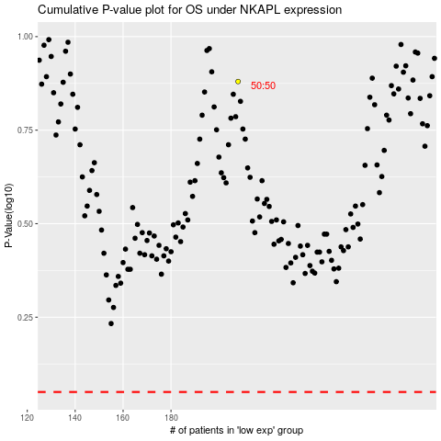

 |  |  |  |  |  | cases_OS | p_OS | rank | exp
 |  |  |  |  |  |  | cases_RFS | p_RFS | rank | exp

