NKG7 _multivariate
Reported by Tex Li-Hsing Chi. tex@gate.sinica.edu.tw 2019-08-17

Table 2. The clinicopathological features of HNSCC cohort and NKG7 expression. (Chi square test)
Cutoff at -0.341 (49.8%)
 |  | NKG7 expression |  | NKG7 expression |  | (Optimised)
 | Features | Low | (%) | High | (%) | Case no | P-value | Remark | Matthews
Gender | Female | 159 | 38.3 | 147 | 35.4 | 415 | 0.1905 | 0 | 0
2 | Male | 48 | 11.6 | 61 | 14.7
Age at diagnosis | <=65y | 144 | 34.7 | 130 | 31.3 | 415 | 0.1568 | 0 | 0
4 | >65y | 63 | 15.2 | 78 | 18.8
Clinical T Status | T1+T2 | 64 | 15.4 | 85 | 20.5 | 415 | 0.0445 | 1 | 0
6 | T3+T4 | 143 | 34.5 | 123 | 29.6
Clinical N Status | N0 | 114 | 27.5 | 102 | 24.6 | 415 | 0.2576 | 1 | 0
8 | N1-3 | 93 | 22.4 | 106 | 25.5
Clinical M Status | M0 | 207 | 49.9 | 205 | 49.4 | 415 | 0.2482 | 0 | 0
10 | M1 | 0 | 0 | 3 | 0.7
Clinical Stage | Stage I+II | 48 | 11.6 | 54 | 13 | 415 | 0.5878 | 0 | 0
12 | Stage III+IV | 159 | 38.3 | 154 | 37.1
Surgical Margin status | Negative | 161 | 38.8 | 157 | 37.8 | 415 | 0.6429 | 0 | 0
14 | Positive | 46 | 11.1 | 51 | 12.3
Tobacco Exposure | Low | 70 | 16.9 | 91 | 21.9 | 415 | 0.0439 | 1 | 0
16 | High | 137 | 33 | 117 | 28.2

Table 3. Univariate/Multivariate Cox's proportional hazards regression analyses on OS time of NKG7 gene expression in HNSCC

 |  | Univariate |  |  |  | Multivariate
 | Features | HR | CI95%(L) | CI95%(H) | P-value | HR | CI95%(L) | CI95%(H) | P-value
1 | Female | 1 |  |  |  | 1
Gender | Male | 1.157 | 0.843 | 1.587 | 0.367 | 1.205 | 0.863 | 1.682 | 0.274
11 | <=65y | 1 |  |  |  | 1
Age at diagnosis | >65y | 1.329 | 0.99 | 1.784 | 0.058 | 1.401 | 1.031 | 1.903 | 0.031
12 | T1+T2 | 1 |  |  |  | 1
Clinical T Status | T3+T4 | 1.409 | 1.028 | 1.931 | 0.033 | 2.188 | 1.157 | 4.137 | 0.016
13 | N0 | 1 |  |  |  | 1
Clinical N Status | N1-3 | 1.185 | 0.89 | 1.577 | 0.246 | 1.262 | 0.883 | 1.805 | 0.201
14 | M0 | 1 |  |  |  | 1
Clinical M Status | M1 | 4.097 | 1.009 | 16.644 | 0.049 | 10.014 | 2.171 | 46.186 | 0.003
15 | Stage I+II | 1 |  |  |  | 1
Clinical Stage | Stage III+IV | 1.245 | 0.882 | 1.759 | 0.213 | 0.502 | 0.234 | 1.078 | 0.077
16 | Negative | 1 |  |  |  | 1
Surgical Margin status | Positive | 1.591 | 1.155 | 2.191 | 0.004 | 1.687 | 1.22 | 2.332 | 0.002
17 | Low | 1 |  |  |  | 1
Tobacco Exposure | High | 1.364 | 1.008 | 1.844 | 0.044 | 1.412 | 1.02 | 1.955 | 0.038
18 | Low | 1 |  |  |  | 1
RNAseq(z-score) | High | 0.887 | 0.664 | 1.185 | 0.418 | 0.868 | 0.643 | 1.173 | 0.358

Table 4. Univariate/Multivariate Cox's proportional hazards regression analyses on RFS time of NKG7 gene expression in HNSCC

 |  | Univariate |  |  |  | Multivariate
 | Features | HR | CI95%(L) | CI95%(H) | P-value | HR | CI95%(L) | CI95%(H) | P-value
1 | Female | 1 |  |  |  | 1
Gender | Male | 1.157 | 0.843 | 1.587 | 0.367 | 1.205 | 0.863 | 1.682 | 0.274
11 | <=65y | 1 |  |  |  | 1
Age at diagnosis | >65y | 1.329 | 0.99 | 1.784 | 0.058 | 1.401 | 1.031 | 1.903 | 0.031
12 | T1+T2 | 1 |  |  |  | 1
Clinical T Status | T3+T4 | 1.409 | 1.028 | 1.931 | 0.033 | 2.188 | 1.157 | 4.137 | 0.016
13 | N0 | 1 |  |  |  | 1
Clinical N Status | N1-3 | 1.185 | 0.89 | 1.577 | 0.246 | 1.262 | 0.883 | 1.805 | 0.201
14 | M0 | 1 |  |  |  | 1
Clinical M Status | M1 | 4.097 | 1.009 | 16.644 | 0.049 | 10.014 | 2.171 | 46.186 | 0.003
15 | Stage I+II | 1 |  |  |  | 1
Clinical Stage | Stage III+IV | 1.245 | 0.882 | 1.759 | 0.213 | 0.502 | 0.234 | 1.078 | 0.077
16 | Negative | 1 |  |  |  | 1
Surgical Margin status | Positive | 1.591 | 1.155 | 2.191 | 0.004 | 1.687 | 1.22 | 2.332 | 0.002
17 | Low | 1 |  |  |  | 1
Tobacco Exposure | High | 1.364 | 1.008 | 1.844 | 0.044 | 1.412 | 1.02 | 1.955 | 0.038
18 | Low | 1 |  |  |  | 1
RNAseq(z-score) | High | 0.887 | 0.664 | 1.185 | 0.418 | 0.868 | 0.643 | 1.173 | 0.358

Kaplan-Meier survival estimate: Cutoff at -0.341 (49.8%)



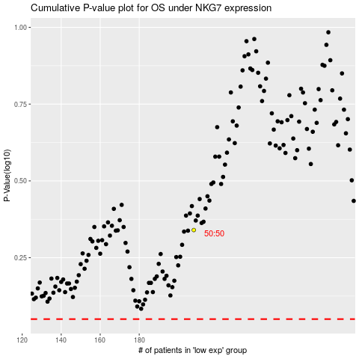

 |  |  |  |  |  | cases_OS | p_OS | rank | exp
 |  |  |  |  |  |  | cases_RFS | p_RFS | rank | exp

