NKIRAS1 _multivariate
Reported by Tex Li-Hsing Chi. tex@gate.sinica.edu.tw 2019-08-17

Table 2. The clinicopathological features of HNSCC cohort and NKIRAS1 expression. (Chi square test)
Cutoff at -0.253 (50.0%)
 |  | NKIRAS1 expression |  | NKIRAS1 expression |  | (Optimised)
 | Features | Low | (%) | High | (%) | Case no | P-value | Remark | Matthews
Gender | Female | 161 | 38.8 | 145 | 34.9 | 415 | 0.0792 | 0 | 0
2 | Male | 46 | 11.1 | 63 | 15.2
Age at diagnosis | <=65y | 138 | 33.3 | 136 | 32.8 | 415 | 0.8634 | 0 | 0
4 | >65y | 69 | 16.6 | 72 | 17.3
Clinical T Status | T1+T2 | 73 | 17.6 | 76 | 18.3 | 415 | 0.8666 | 0 | 0
6 | T3+T4 | 134 | 32.3 | 132 | 31.8
Clinical N Status | N0 | 110 | 26.5 | 106 | 25.5 | 415 | 0.7294 | 0 | 0
8 | N1-3 | 97 | 23.4 | 102 | 24.6
Clinical M Status | M0 | 204 | 49.2 | 208 | 50.1 | 415 | 0.1232 | 0 | 0
10 | M1 | 3 | 0.7 | 0 | 0
Clinical Stage | Stage I+II | 53 | 12.8 | 49 | 11.8 | 415 | 0.7113 | 0 | 0
12 | Stage III+IV | 154 | 37.1 | 159 | 38.3
Surgical Margin status | Negative | 172 | 41.4 | 146 | 35.2 | 415 | 0.0025 | 1 | 0
14 | Positive | 35 | 8.4 | 62 | 14.9
Tobacco Exposure | Low | 82 | 19.8 | 79 | 19 | 415 | 0.763 | 0 | 0
16 | High | 125 | 30.1 | 129 | 31.1

Table 3. Univariate/Multivariate Cox's proportional hazards regression analyses on OS time of NKIRAS1 gene expression in HNSCC

 |  | Univariate |  |  |  | Multivariate
 | Features | HR | CI95%(L) | CI95%(H) | P-value | HR | CI95%(L) | CI95%(H) | P-value
1 | Female | 1 |  |  |  | 1
Gender | Male | 1.157 | 0.843 | 1.587 | 0.367 | 1.241 | 0.886 | 1.738 | 0.209
11 | <=65y | 1 |  |  |  | 1
Age at diagnosis | >65y | 1.329 | 0.99 | 1.784 | 0.058 | 1.395 | 1.026 | 1.898 | 0.034
12 | T1+T2 | 1 |  |  |  | 1
Clinical T Status | T3+T4 | 1.409 | 1.028 | 1.931 | 0.033 | 2.12 | 1.121 | 4.01 | 0.021
13 | N0 | 1 |  |  |  | 1
Clinical N Status | N1-3 | 1.185 | 0.89 | 1.577 | 0.246 | 1.22 | 0.854 | 1.744 | 0.274
14 | M0 | 1 |  |  |  | 1
Clinical M Status | M1 | 4.097 | 1.009 | 16.644 | 0.049 | 8.113 | 1.758 | 37.436 | 0.007
15 | Stage I+II | 1 |  |  |  | 1
Clinical Stage | Stage III+IV | 1.245 | 0.882 | 1.759 | 0.213 | 0.518 | 0.241 | 1.113 | 0.092
16 | Negative | 1 |  |  |  | 1
Surgical Margin status | Positive | 1.591 | 1.155 | 2.191 | 0.004 | 1.747 | 1.26 | 2.421 | 0.001
17 | Low | 1 |  |  |  | 1
Tobacco Exposure | High | 1.364 | 1.008 | 1.844 | 0.044 | 1.512 | 1.094 | 2.091 | 0.012
18 | Low | 1 |  |  |  | 1
RNAseq(z-score) | High | 0.795 | 0.596 | 1.059 | 0.117 | 0.75 | 0.558 | 1.009 | 0.057

Table 4. Univariate/Multivariate Cox's proportional hazards regression analyses on RFS time of NKIRAS1 gene expression in HNSCC

 |  | Univariate |  |  |  | Multivariate
 | Features | HR | CI95%(L) | CI95%(H) | P-value | HR | CI95%(L) | CI95%(H) | P-value
1 | Female | 1 |  |  |  | 1
Gender | Male | 1.157 | 0.843 | 1.587 | 0.367 | 1.241 | 0.886 | 1.738 | 0.209
11 | <=65y | 1 |  |  |  | 1
Age at diagnosis | >65y | 1.329 | 0.99 | 1.784 | 0.058 | 1.395 | 1.026 | 1.898 | 0.034
12 | T1+T2 | 1 |  |  |  | 1
Clinical T Status | T3+T4 | 1.409 | 1.028 | 1.931 | 0.033 | 2.12 | 1.121 | 4.01 | 0.021
13 | N0 | 1 |  |  |  | 1
Clinical N Status | N1-3 | 1.185 | 0.89 | 1.577 | 0.246 | 1.22 | 0.854 | 1.744 | 0.274
14 | M0 | 1 |  |  |  | 1
Clinical M Status | M1 | 4.097 | 1.009 | 16.644 | 0.049 | 8.113 | 1.758 | 37.436 | 0.007
15 | Stage I+II | 1 |  |  |  | 1
Clinical Stage | Stage III+IV | 1.245 | 0.882 | 1.759 | 0.213 | 0.518 | 0.241 | 1.113 | 0.092
16 | Negative | 1 |  |  |  | 1
Surgical Margin status | Positive | 1.591 | 1.155 | 2.191 | 0.004 | 1.747 | 1.26 | 2.421 | 0.001
17 | Low | 1 |  |  |  | 1
Tobacco Exposure | High | 1.364 | 1.008 | 1.844 | 0.044 | 1.512 | 1.094 | 2.091 | 0.012
18 | Low | 1 |  |  |  | 1
RNAseq(z-score) | High | 0.795 | 0.596 | 1.059 | 0.117 | 0.75 | 0.558 | 1.009 | 0.057

Kaplan-Meier survival estimate: Cutoff at -0.253 (50.0%)



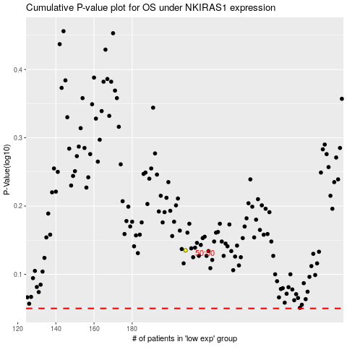

 |  |  |  |  |  | cases_OS | p_OS | rank | exp
 |  |  |  |  |  |  | cases_RFS | p_RFS | rank | exp

