NLGN1 _multivariate
Reported by Tex Li-Hsing Chi. tex@gate.sinica.edu.tw 2019-08-17

Table 2. The clinicopathological features of HNSCC cohort and NLGN1 expression. (Chi square test)
Cutoff at -0.304 (49.8%)
 |  | NLGN1 expression |  | NLGN1 expression |  | (Optimised)
 | Features | Low | (%) | High | (%) | Case no | P-value | Remark | Matthews
Gender | Female | 151 | 36.4 | 155 | 37.3 | 415 | 0.8007 | 0 | 0
2 | Male | 56 | 13.5 | 53 | 12.8
Age at diagnosis | <=65y | 140 | 33.7 | 134 | 32.3 | 415 | 0.5574 | 0 | 0
4 | >65y | 67 | 16.1 | 74 | 17.8
Clinical T Status | T1+T2 | 73 | 17.6 | 76 | 18.3 | 415 | 0.8666 | 0 | 0
6 | T3+T4 | 134 | 32.3 | 132 | 31.8
Clinical N Status | N0 | 99 | 23.9 | 117 | 28.2 | 415 | 0.1054 | 0 | 0
8 | N1-3 | 108 | 26 | 91 | 21.9
Clinical M Status | M0 | 204 | 49.2 | 208 | 50.1 | 415 | 0.1232 | 0 | 0
10 | M1 | 3 | 0.7 | 0 | 0
Clinical Stage | Stage I+II | 49 | 11.8 | 53 | 12.8 | 415 | 0.7535 | 0 | 0
12 | Stage III+IV | 158 | 38.1 | 155 | 37.3
Surgical Margin status | Negative | 158 | 38.1 | 160 | 38.6 | 415 | 0.9081 | 0 | 0
14 | Positive | 49 | 11.8 | 48 | 11.6
Tobacco Exposure | Low | 89 | 21.4 | 72 | 17.3 | 415 | 0.0872 | 0 | 0
16 | High | 118 | 28.4 | 136 | 32.8

Table 3. Univariate/Multivariate Cox's proportional hazards regression analyses on OS time of NLGN1 gene expression in HNSCC

 |  | Univariate |  |  |  | Multivariate
 | Features | HR | CI95%(L) | CI95%(H) | P-value | HR | CI95%(L) | CI95%(H) | P-value
1 | Female | 1 |  |  |  | 1
Gender | Male | 1.157 | 0.843 | 1.587 | 0.367 | 1.195 | 0.855 | 1.671 | 0.297
11 | <=65y | 1 |  |  |  | 1
Age at diagnosis | >65y | 1.329 | 0.99 | 1.784 | 0.058 | 1.396 | 1.027 | 1.897 | 0.033
12 | T1+T2 | 1 |  |  |  | 1
Clinical T Status | T3+T4 | 1.409 | 1.028 | 1.931 | 0.033 | 2.18 | 1.152 | 4.124 | 0.017
13 | N0 | 1 |  |  |  | 1
Clinical N Status | N1-3 | 1.185 | 0.89 | 1.577 | 0.246 | 1.23 | 0.862 | 1.756 | 0.254
14 | M0 | 1 |  |  |  | 1
Clinical M Status | M1 | 4.097 | 1.009 | 16.644 | 0.049 | 8.851 | 1.915 | 40.916 | 0.005
15 | Stage I+II | 1 |  |  |  | 1
Clinical Stage | Stage III+IV | 1.245 | 0.882 | 1.759 | 0.213 | 0.514 | 0.239 | 1.105 | 0.088
16 | Negative | 1 |  |  |  | 1
Surgical Margin status | Positive | 1.591 | 1.155 | 2.191 | 0.004 | 1.667 | 1.206 | 2.303 | 0.002
17 | Low | 1 |  |  |  | 1
Tobacco Exposure | High | 1.364 | 1.008 | 1.844 | 0.044 | 1.468 | 1.064 | 2.026 | 0.019
18 | Low | 1 |  |  |  | 1
RNAseq(z-score) | High | 0.892 | 0.67 | 1.189 | 0.437 | 0.898 | 0.671 | 1.203 | 0.471

Table 4. Univariate/Multivariate Cox's proportional hazards regression analyses on RFS time of NLGN1 gene expression in HNSCC

 |  | Univariate |  |  |  | Multivariate
 | Features | HR | CI95%(L) | CI95%(H) | P-value | HR | CI95%(L) | CI95%(H) | P-value
1 | Female | 1 |  |  |  | 1
Gender | Male | 1.157 | 0.843 | 1.587 | 0.367 | 1.195 | 0.855 | 1.671 | 0.297
11 | <=65y | 1 |  |  |  | 1
Age at diagnosis | >65y | 1.329 | 0.99 | 1.784 | 0.058 | 1.396 | 1.027 | 1.897 | 0.033
12 | T1+T2 | 1 |  |  |  | 1
Clinical T Status | T3+T4 | 1.409 | 1.028 | 1.931 | 0.033 | 2.18 | 1.152 | 4.124 | 0.017
13 | N0 | 1 |  |  |  | 1
Clinical N Status | N1-3 | 1.185 | 0.89 | 1.577 | 0.246 | 1.23 | 0.862 | 1.756 | 0.254
14 | M0 | 1 |  |  |  | 1
Clinical M Status | M1 | 4.097 | 1.009 | 16.644 | 0.049 | 8.851 | 1.915 | 40.916 | 0.005
15 | Stage I+II | 1 |  |  |  | 1
Clinical Stage | Stage III+IV | 1.245 | 0.882 | 1.759 | 0.213 | 0.514 | 0.239 | 1.105 | 0.088
16 | Negative | 1 |  |  |  | 1
Surgical Margin status | Positive | 1.591 | 1.155 | 2.191 | 0.004 | 1.667 | 1.206 | 2.303 | 0.002
17 | Low | 1 |  |  |  | 1
Tobacco Exposure | High | 1.364 | 1.008 | 1.844 | 0.044 | 1.468 | 1.064 | 2.026 | 0.019
18 | Low | 1 |  |  |  | 1
RNAseq(z-score) | High | 0.892 | 0.67 | 1.189 | 0.437 | 0.898 | 0.671 | 1.203 | 0.471

Kaplan-Meier survival estimate: Cutoff at -0.304 (49.8%)



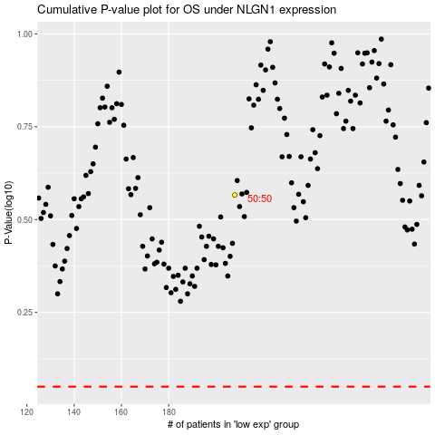

 |  |  |  |  |  | cases_OS | p_OS | rank | exp
 |  |  |  |  |  |  | cases_RFS | p_RFS | rank | exp

