NLGN3 _multivariate
Reported by Tex Li-Hsing Chi. tex@gate.sinica.edu.tw 2019-08-17

Table 2. The clinicopathological features of HNSCC cohort and NLGN3 expression. (Chi square test)
Cutoff at -0.299 (49.8%)
 |  | NLGN3 expression |  | NLGN3 expression |  | (Optimised)
 | Features | Low | (%) | High | (%) | Case no | P-value | Remark | Matthews
Gender | Female | 145 | 34.9 | 161 | 38.8 | 415 | 0.1116 | 0 | 0
2 | Male | 62 | 14.9 | 47 | 11.3
Age at diagnosis | <=65y | 140 | 33.7 | 134 | 32.3 | 415 | 0.5574 | 0 | 0
4 | >65y | 67 | 16.1 | 74 | 17.8
Clinical T Status | T1+T2 | 72 | 17.3 | 77 | 18.6 | 415 | 0.7095 | 0 | 0
6 | T3+T4 | 135 | 32.5 | 131 | 31.6
Clinical N Status | N0 | 110 | 26.5 | 106 | 25.5 | 415 | 0.7294 | 0 | 0
8 | N1-3 | 97 | 23.4 | 102 | 24.6
Clinical M Status | M0 | 204 | 49.2 | 208 | 50.1 | 415 | 0.1232 | 0 | 0
10 | M1 | 3 | 0.7 | 0 | 0
Clinical Stage | Stage I+II | 52 | 12.5 | 50 | 12 | 415 | 0.8871 | 0 | 0
12 | Stage III+IV | 155 | 37.3 | 158 | 38.1
Surgical Margin status | Negative | 161 | 38.8 | 157 | 37.8 | 415 | 0.6429 | 0 | 0
14 | Positive | 46 | 11.1 | 51 | 12.3
Tobacco Exposure | Low | 87 | 21 | 74 | 17.8 | 415 | 0.1911 | 0 | 0
16 | High | 120 | 28.9 | 134 | 32.3

Table 3. Univariate/Multivariate Cox's proportional hazards regression analyses on OS time of NLGN3 gene expression in HNSCC

 |  | Univariate |  |  |  | Multivariate
 | Features | HR | CI95%(L) | CI95%(H) | P-value | HR | CI95%(L) | CI95%(H) | P-value
1 | Female | 1 |  |  |  | 1
Gender | Male | 1.157 | 0.843 | 1.587 | 0.367 | 1.206 | 0.863 | 1.686 | 0.272
11 | <=65y | 1 |  |  |  | 1
Age at diagnosis | >65y | 1.329 | 0.99 | 1.784 | 0.058 | 1.385 | 1.018 | 1.884 | 0.038
12 | T1+T2 | 1 |  |  |  | 1
Clinical T Status | T3+T4 | 1.409 | 1.028 | 1.931 | 0.033 | 2.225 | 1.176 | 4.212 | 0.014
13 | N0 | 1 |  |  |  | 1
Clinical N Status | N1-3 | 1.185 | 0.89 | 1.577 | 0.246 | 1.239 | 0.868 | 1.768 | 0.237
14 | M0 | 1 |  |  |  | 1
Clinical M Status | M1 | 4.097 | 1.009 | 16.644 | 0.049 | 9.89 | 2.135 | 45.824 | 0.003
15 | Stage I+II | 1 |  |  |  | 1
Clinical Stage | Stage III+IV | 1.245 | 0.882 | 1.759 | 0.213 | 0.501 | 0.233 | 1.076 | 0.077
16 | Negative | 1 |  |  |  | 1
Surgical Margin status | Positive | 1.591 | 1.155 | 2.191 | 0.004 | 1.663 | 1.203 | 2.299 | 0.002
17 | Low | 1 |  |  |  | 1
Tobacco Exposure | High | 1.364 | 1.008 | 1.844 | 0.044 | 1.441 | 1.045 | 1.988 | 0.026
18 | Low | 1 |  |  |  | 1
RNAseq(z-score) | High | 1.093 | 0.82 | 1.457 | 0.543 | 1.086 | 0.811 | 1.454 | 0.581

Table 4. Univariate/Multivariate Cox's proportional hazards regression analyses on RFS time of NLGN3 gene expression in HNSCC

 |  | Univariate |  |  |  | Multivariate
 | Features | HR | CI95%(L) | CI95%(H) | P-value | HR | CI95%(L) | CI95%(H) | P-value
1 | Female | 1 |  |  |  | 1
Gender | Male | 1.157 | 0.843 | 1.587 | 0.367 | 1.206 | 0.863 | 1.686 | 0.272
11 | <=65y | 1 |  |  |  | 1
Age at diagnosis | >65y | 1.329 | 0.99 | 1.784 | 0.058 | 1.385 | 1.018 | 1.884 | 0.038
12 | T1+T2 | 1 |  |  |  | 1
Clinical T Status | T3+T4 | 1.409 | 1.028 | 1.931 | 0.033 | 2.225 | 1.176 | 4.212 | 0.014
13 | N0 | 1 |  |  |  | 1
Clinical N Status | N1-3 | 1.185 | 0.89 | 1.577 | 0.246 | 1.239 | 0.868 | 1.768 | 0.237
14 | M0 | 1 |  |  |  | 1
Clinical M Status | M1 | 4.097 | 1.009 | 16.644 | 0.049 | 9.89 | 2.135 | 45.824 | 0.003
15 | Stage I+II | 1 |  |  |  | 1
Clinical Stage | Stage III+IV | 1.245 | 0.882 | 1.759 | 0.213 | 0.501 | 0.233 | 1.076 | 0.077
16 | Negative | 1 |  |  |  | 1
Surgical Margin status | Positive | 1.591 | 1.155 | 2.191 | 0.004 | 1.663 | 1.203 | 2.299 | 0.002
17 | Low | 1 |  |  |  | 1
Tobacco Exposure | High | 1.364 | 1.008 | 1.844 | 0.044 | 1.441 | 1.045 | 1.988 | 0.026
18 | Low | 1 |  |  |  | 1
RNAseq(z-score) | High | 1.093 | 0.82 | 1.457 | 0.543 | 1.086 | 0.811 | 1.454 | 0.581

Kaplan-Meier survival estimate: Cutoff at -0.299 (49.8%)



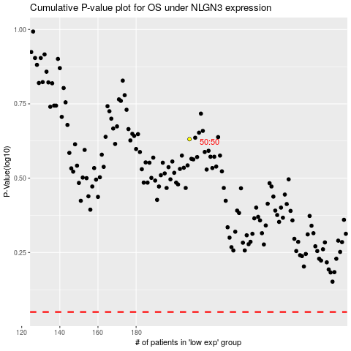

 |  |  |  |  |  | cases_OS | p_OS | rank | exp
 |  |  |  |  |  |  | cases_RFS | p_RFS | rank | exp

