NLN _multivariate
Reported by Tex Li-Hsing Chi. tex@gate.sinica.edu.tw 2019-08-17

Table 2. The clinicopathological features of HNSCC cohort and NLN expression. (Chi square test)
Cutoff at -0.487 (30.4%)
 |  | NLN expression |  | NLN expression |  | (Optimised)
 | Features | Low | (%) | High | (%) | Case no | P-value | Remark | Matthews
Gender | Female | 92 | 22.2 | 214 | 51.6 | 415 | 0.782 | 0 | 0
2 | Male | 35 | 8.4 | 74 | 17.8
Age at diagnosis | <=65y | 87 | 21 | 187 | 45.1 | 415 | 0.5513 | 0 | 0
4 | >65y | 40 | 9.6 | 101 | 24.3
Clinical T Status | T1+T2 | 53 | 12.8 | 96 | 23.1 | 415 | 0.1254 | 0 | 0
6 | T3+T4 | 74 | 17.8 | 192 | 46.3
Clinical N Status | N0 | 67 | 16.1 | 149 | 35.9 | 415 | 0.9322 | 0 | 0
8 | N1-3 | 60 | 14.5 | 139 | 33.5
Clinical M Status | M0 | 125 | 30.1 | 287 | 69.2 | 415 | 0.223 | 0 | 0
10 | M1 | 2 | 0.5 | 1 | 0.2
Clinical Stage | Stage I+II | 32 | 7.7 | 70 | 16.9 | 415 | 0.9437 | 0 | 0
12 | Stage III+IV | 95 | 22.9 | 218 | 52.5
Surgical Margin status | Negative | 93 | 22.4 | 225 | 54.2 | 415 | 0.3141 | 0 | 0
14 | Positive | 34 | 8.2 | 63 | 15.2
Tobacco Exposure | Low | 59 | 14.2 | 102 | 24.6 | 415 | 0.038 | 1 | 0
16 | High | 68 | 16.4 | 186 | 44.8

Table 3. Univariate/Multivariate Cox's proportional hazards regression analyses on OS time of NLN gene expression in HNSCC

 |  | Univariate |  |  |  | Multivariate
 | Features | HR | CI95%(L) | CI95%(H) | P-value | HR | CI95%(L) | CI95%(H) | P-value
1 | Female | 1 |  |  |  | 1
Gender | Male | 1.157 | 0.843 | 1.587 | 0.367 | 1.263 | 0.903 | 1.767 | 0.173
11 | <=65y | 1 |  |  |  | 1
Age at diagnosis | >65y | 1.329 | 0.99 | 1.784 | 0.058 | 1.386 | 1.02 | 1.885 | 0.037
12 | T1+T2 | 1 |  |  |  | 1
Clinical T Status | T3+T4 | 1.409 | 1.028 | 1.931 | 0.033 | 2.033 | 1.075 | 3.843 | 0.029
13 | N0 | 1 |  |  |  | 1
Clinical N Status | N1-3 | 1.185 | 0.89 | 1.577 | 0.246 | 1.238 | 0.867 | 1.767 | 0.24
14 | M0 | 1 |  |  |  | 1
Clinical M Status | M1 | 4.097 | 1.009 | 16.644 | 0.049 | 11.274 | 2.446 | 51.97 | 0.002
15 | Stage I+II | 1 |  |  |  | 1
Clinical Stage | Stage III+IV | 1.245 | 0.882 | 1.759 | 0.213 | 0.554 | 0.258 | 1.19 | 0.13
16 | Negative | 1 |  |  |  | 1
Surgical Margin status | Positive | 1.591 | 1.155 | 2.191 | 0.004 | 1.759 | 1.271 | 2.434 | 0.001
17 | Low | 1 |  |  |  | 1
Tobacco Exposure | High | 1.364 | 1.008 | 1.844 | 0.044 | 1.462 | 1.061 | 2.016 | 0.02
18 | Low | 1 |  |  |  | 1
RNAseq(z-score) | High | 1.484 | 1.056 | 2.085 | 0.023 | 1.618 | 1.14 | 2.296 | 0.007

Table 4. Univariate/Multivariate Cox's proportional hazards regression analyses on RFS time of NLN gene expression in HNSCC

 |  | Univariate |  |  |  | Multivariate
 | Features | HR | CI95%(L) | CI95%(H) | P-value | HR | CI95%(L) | CI95%(H) | P-value
1 | Female | 1 |  |  |  | 1
Gender | Male | 1.157 | 0.843 | 1.587 | 0.367 | 1.263 | 0.903 | 1.767 | 0.173
11 | <=65y | 1 |  |  |  | 1
Age at diagnosis | >65y | 1.329 | 0.99 | 1.784 | 0.058 | 1.386 | 1.02 | 1.885 | 0.037
12 | T1+T2 | 1 |  |  |  | 1
Clinical T Status | T3+T4 | 1.409 | 1.028 | 1.931 | 0.033 | 2.033 | 1.075 | 3.843 | 0.029
13 | N0 | 1 |  |  |  | 1
Clinical N Status | N1-3 | 1.185 | 0.89 | 1.577 | 0.246 | 1.238 | 0.867 | 1.767 | 0.24
14 | M0 | 1 |  |  |  | 1
Clinical M Status | M1 | 4.097 | 1.009 | 16.644 | 0.049 | 11.274 | 2.446 | 51.97 | 0.002
15 | Stage I+II | 1 |  |  |  | 1
Clinical Stage | Stage III+IV | 1.245 | 0.882 | 1.759 | 0.213 | 0.554 | 0.258 | 1.19 | 0.13
16 | Negative | 1 |  |  |  | 1
Surgical Margin status | Positive | 1.591 | 1.155 | 2.191 | 0.004 | 1.759 | 1.271 | 2.434 | 0.001
17 | Low | 1 |  |  |  | 1
Tobacco Exposure | High | 1.364 | 1.008 | 1.844 | 0.044 | 1.462 | 1.061 | 2.016 | 0.02
18 | Low | 1 |  |  |  | 1
RNAseq(z-score) | High | 1.484 | 1.056 | 2.085 | 0.023 | 1.618 | 1.14 | 2.296 | 0.007

Kaplan-Meier survival estimate: Cutoff at -0.487 (30.4%)

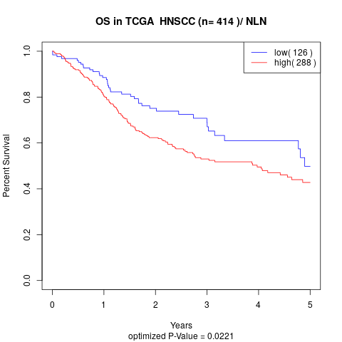

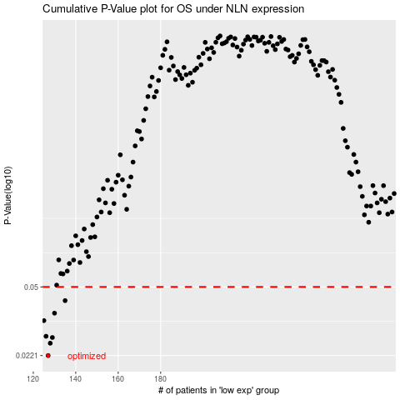

 |  |  |  |  |  | cases_OS | p_OS | rank | exp
 |  |  |  |  |  | 127 | 0.0221 | 226 | -0.48703840639
 |  |  |  |  |  | 128 | 0.0256 | 280 | -0.48497582574
 |  |  |  |  |  | 129 | 0.0274 | 284 | -0.48393988225
 |  |  |  |  |  | 126 | 0.0278 | 169 | -0.49189534054
 |  |  |  |  |  | 125 | 0.0335 | 234 | -0.49650835041
 |  |  |  |  |  | 130 | 0.0366 | 223 | -0.48311308668
 |  |  |  |  |  | 135 | 0.0425 | 398 | -0.46570090918
 |  |  |  |  |  |  | cases_RFS | p_RFS | rank | exp
 |  |  |  |  |  |  | 126 | 0.0221 | 169 | -0.49189534054
 |  |  |  |  |  |  | 127 | 0.0256 | 226 | -0.48703840639
 |  |  |  |  |  |  | 128 | 0.0274 | 280 | -0.48497582574
 |  |  |  |  |  |  | 125 | 0.0278 | 234 | -0.49650835041
 |  |  |  |  |  |  |  | 0.0335 | 274 | -0.49669447737
 |  |  |  |  |  |  | 129 | 0.0366 | 284 | -0.48393988225
 |  |  |  |  |  |  | 134 | 0.0425 | 35 | -0.47085564647

