NLRC4 _multivariate
Reported by Tex Li-Hsing Chi. tex@gate.sinica.edu.tw 2019-08-17

Table 2. The clinicopathological features of HNSCC cohort and NLRC4 expression. (Chi square test)
Cutoff at -0.235 (50.0%)
 |  | NLRC4 expression |  | NLRC4 expression |  | (Optimised)
 | Features | Low | (%) | High | (%) | Case no | P-value | Remark | Matthews
Gender | Female | 166 | 40 | 140 | 33.7 | 415 | 0.0041 | 1 | 0
2 | Male | 41 | 9.9 | 68 | 16.4
Age at diagnosis | <=65y | 139 | 33.5 | 135 | 32.5 | 415 | 0.7044 | 0 | 0
4 | >65y | 68 | 16.4 | 73 | 17.6
Clinical T Status | T1+T2 | 72 | 17.3 | 77 | 18.6 | 415 | 0.7095 | 0 | 0
6 | T3+T4 | 135 | 32.5 | 131 | 31.6
Clinical N Status | N0 | 114 | 27.5 | 102 | 24.6 | 415 | 0.2576 | 1 | 0
8 | N1-3 | 93 | 22.4 | 106 | 25.5
Clinical M Status | M0 | 206 | 49.6 | 206 | 49.6 | 415 | 1 | 0 | 0
10 | M1 | 1 | 0.2 | 2 | 0.5
Clinical Stage | Stage I+II | 49 | 11.8 | 53 | 12.8 | 415 | 0.7535 | 0 | 0
12 | Stage III+IV | 158 | 38.1 | 155 | 37.3
Surgical Margin status | Negative | 155 | 37.3 | 163 | 39.3 | 415 | 0.4187 | 0 | 0
14 | Positive | 52 | 12.5 | 45 | 10.8
Tobacco Exposure | Low | 73 | 17.6 | 88 | 21.2 | 415 | 0.1587 | 0 | 0
16 | High | 134 | 32.3 | 120 | 28.9

Table 3. Univariate/Multivariate Cox's proportional hazards regression analyses on OS time of NLRC4 gene expression in HNSCC

 |  | Univariate |  |  |  | Multivariate
 | Features | HR | CI95%(L) | CI95%(H) | P-value | HR | CI95%(L) | CI95%(H) | P-value
1 | Female | 1 |  |  |  | 1
Gender | Male | 1.157 | 0.843 | 1.587 | 0.367 | 1.199 | 0.858 | 1.675 | 0.288
11 | <=65y | 1 |  |  |  | 1
Age at diagnosis | >65y | 1.329 | 0.99 | 1.784 | 0.058 | 1.394 | 1.025 | 1.896 | 0.034
12 | T1+T2 | 1 |  |  |  | 1
Clinical T Status | T3+T4 | 1.409 | 1.028 | 1.931 | 0.033 | 2.199 | 1.163 | 4.158 | 0.015
13 | N0 | 1 |  |  |  | 1
Clinical N Status | N1-3 | 1.185 | 0.89 | 1.577 | 0.246 | 1.235 | 0.864 | 1.765 | 0.246
14 | M0 | 1 |  |  |  | 1
Clinical M Status | M1 | 4.097 | 1.009 | 16.644 | 0.049 | 9.287 | 2.02 | 42.686 | 0.004
15 | Stage I+II | 1 |  |  |  | 1
Clinical Stage | Stage III+IV | 1.245 | 0.882 | 1.759 | 0.213 | 0.507 | 0.236 | 1.09 | 0.082
16 | Negative | 1 |  |  |  | 1
Surgical Margin status | Positive | 1.591 | 1.155 | 2.191 | 0.004 | 1.673 | 1.211 | 2.312 | 0.002
17 | Low | 1 |  |  |  | 1
Tobacco Exposure | High | 1.364 | 1.008 | 1.844 | 0.044 | 1.458 | 1.057 | 2.01 | 0.021
18 | Low | 1 |  |  |  | 1
RNAseq(z-score) | High | 1.043 | 0.782 | 1.39 | 0.775 | 1.042 | 0.779 | 1.394 | 0.78

Table 4. Univariate/Multivariate Cox's proportional hazards regression analyses on RFS time of NLRC4 gene expression in HNSCC

 |  | Univariate |  |  |  | Multivariate
 | Features | HR | CI95%(L) | CI95%(H) | P-value | HR | CI95%(L) | CI95%(H) | P-value
1 | Female | 1 |  |  |  | 1
Gender | Male | 1.157 | 0.843 | 1.587 | 0.367 | 1.199 | 0.858 | 1.675 | 0.288
11 | <=65y | 1 |  |  |  | 1
Age at diagnosis | >65y | 1.329 | 0.99 | 1.784 | 0.058 | 1.394 | 1.025 | 1.896 | 0.034
12 | T1+T2 | 1 |  |  |  | 1
Clinical T Status | T3+T4 | 1.409 | 1.028 | 1.931 | 0.033 | 2.199 | 1.163 | 4.158 | 0.015
13 | N0 | 1 |  |  |  | 1
Clinical N Status | N1-3 | 1.185 | 0.89 | 1.577 | 0.246 | 1.235 | 0.864 | 1.765 | 0.246
14 | M0 | 1 |  |  |  | 1
Clinical M Status | M1 | 4.097 | 1.009 | 16.644 | 0.049 | 9.287 | 2.02 | 42.686 | 0.004
15 | Stage I+II | 1 |  |  |  | 1
Clinical Stage | Stage III+IV | 1.245 | 0.882 | 1.759 | 0.213 | 0.507 | 0.236 | 1.09 | 0.082
16 | Negative | 1 |  |  |  | 1
Surgical Margin status | Positive | 1.591 | 1.155 | 2.191 | 0.004 | 1.673 | 1.211 | 2.312 | 0.002
17 | Low | 1 |  |  |  | 1
Tobacco Exposure | High | 1.364 | 1.008 | 1.844 | 0.044 | 1.458 | 1.057 | 2.01 | 0.021
18 | Low | 1 |  |  |  | 1
RNAseq(z-score) | High | 1.043 | 0.782 | 1.39 | 0.775 | 1.042 | 0.779 | 1.394 | 0.78

Kaplan-Meier survival estimate: Cutoff at -0.235 (50.0%)



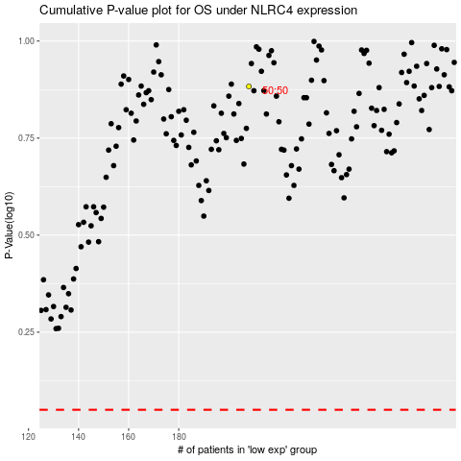

 |  |  |  |  |  | cases_OS | p_OS | rank | exp
 |  |  |  |  |  |  | cases_RFS | p_RFS | rank | exp

