NLRC5 _multivariate
Reported by Tex Li-Hsing Chi. tex@gate.sinica.edu.tw 2019-08-17

Table 2. The clinicopathological features of HNSCC cohort and NLRC5 expression. (Chi square test)
Cutoff at -0.077 (50.0%)
 |  | NLRC5 expression |  | NLRC5 expression |  | (Optimised)
 | Features | Low | (%) | High | (%) | Case no | P-value | Remark | Matthews
Gender | Female | 161 | 38.8 | 145 | 34.9 | 415 | 0.0792 | 0 | 0
2 | Male | 46 | 11.1 | 63 | 15.2
Age at diagnosis | <=65y | 145 | 34.9 | 129 | 31.1 | 415 | 0.1046 | 0 | 0
4 | >65y | 62 | 14.9 | 79 | 19
Clinical T Status | T1+T2 | 70 | 16.9 | 79 | 19 | 415 | 0.4343 | 0 | 0
6 | T3+T4 | 137 | 33 | 129 | 31.1
Clinical N Status | N0 | 110 | 26.5 | 106 | 25.5 | 415 | 0.7294 | 0 | 0
8 | N1-3 | 97 | 23.4 | 102 | 24.6
Clinical M Status | M0 | 207 | 49.9 | 205 | 49.4 | 415 | 0.2482 | 0 | 0
10 | M1 | 0 | 0 | 3 | 0.7
Clinical Stage | Stage I+II | 47 | 11.3 | 55 | 13.3 | 415 | 0.4413 | 0 | 0
12 | Stage III+IV | 160 | 38.6 | 153 | 36.9
Surgical Margin status | Negative | 161 | 38.8 | 157 | 37.8 | 415 | 0.6429 | 0 | 0
14 | Positive | 46 | 11.1 | 51 | 12.3
Tobacco Exposure | Low | 70 | 16.9 | 91 | 21.9 | 415 | 0.0439 | 1 | 0
16 | High | 137 | 33 | 117 | 28.2

Table 3. Univariate/Multivariate Cox's proportional hazards regression analyses on OS time of NLRC5 gene expression in HNSCC

 |  | Univariate |  |  |  | Multivariate
 | Features | HR | CI95%(L) | CI95%(H) | P-value | HR | CI95%(L) | CI95%(H) | P-value
1 | Female | 1 |  |  |  | 1
Gender | Male | 1.157 | 0.843 | 1.587 | 0.367 | 1.214 | 0.868 | 1.698 | 0.256
11 | <=65y | 1 |  |  |  | 1
Age at diagnosis | >65y | 1.329 | 0.99 | 1.784 | 0.058 | 1.404 | 1.033 | 1.908 | 0.03
12 | T1+T2 | 1 |  |  |  | 1
Clinical T Status | T3+T4 | 1.409 | 1.028 | 1.931 | 0.033 | 2.228 | 1.178 | 4.213 | 0.014
13 | N0 | 1 |  |  |  | 1
Clinical N Status | N1-3 | 1.185 | 0.89 | 1.577 | 0.246 | 1.25 | 0.876 | 1.783 | 0.22
14 | M0 | 1 |  |  |  | 1
Clinical M Status | M1 | 4.097 | 1.009 | 16.644 | 0.049 | 10.183 | 2.196 | 47.217 | 0.003
15 | Stage I+II | 1 |  |  |  | 1
Clinical Stage | Stage III+IV | 1.245 | 0.882 | 1.759 | 0.213 | 0.494 | 0.23 | 1.061 | 0.071
16 | Negative | 1 |  |  |  | 1
Surgical Margin status | Positive | 1.591 | 1.155 | 2.191 | 0.004 | 1.686 | 1.219 | 2.331 | 0.002
17 | Low | 1 |  |  |  | 1
Tobacco Exposure | High | 1.364 | 1.008 | 1.844 | 0.044 | 1.425 | 1.031 | 1.969 | 0.032
18 | Low | 1 |  |  |  | 1
RNAseq(z-score) | High | 0.932 | 0.697 | 1.245 | 0.632 | 0.879 | 0.651 | 1.186 | 0.398

Table 4. Univariate/Multivariate Cox's proportional hazards regression analyses on RFS time of NLRC5 gene expression in HNSCC

 |  | Univariate |  |  |  | Multivariate
 | Features | HR | CI95%(L) | CI95%(H) | P-value | HR | CI95%(L) | CI95%(H) | P-value
1 | Female | 1 |  |  |  | 1
Gender | Male | 1.157 | 0.843 | 1.587 | 0.367 | 1.214 | 0.868 | 1.698 | 0.256
11 | <=65y | 1 |  |  |  | 1
Age at diagnosis | >65y | 1.329 | 0.99 | 1.784 | 0.058 | 1.404 | 1.033 | 1.908 | 0.03
12 | T1+T2 | 1 |  |  |  | 1
Clinical T Status | T3+T4 | 1.409 | 1.028 | 1.931 | 0.033 | 2.228 | 1.178 | 4.213 | 0.014
13 | N0 | 1 |  |  |  | 1
Clinical N Status | N1-3 | 1.185 | 0.89 | 1.577 | 0.246 | 1.25 | 0.876 | 1.783 | 0.22
14 | M0 | 1 |  |  |  | 1
Clinical M Status | M1 | 4.097 | 1.009 | 16.644 | 0.049 | 10.183 | 2.196 | 47.217 | 0.003
15 | Stage I+II | 1 |  |  |  | 1
Clinical Stage | Stage III+IV | 1.245 | 0.882 | 1.759 | 0.213 | 0.494 | 0.23 | 1.061 | 0.071
16 | Negative | 1 |  |  |  | 1
Surgical Margin status | Positive | 1.591 | 1.155 | 2.191 | 0.004 | 1.686 | 1.219 | 2.331 | 0.002
17 | Low | 1 |  |  |  | 1
Tobacco Exposure | High | 1.364 | 1.008 | 1.844 | 0.044 | 1.425 | 1.031 | 1.969 | 0.032
18 | Low | 1 |  |  |  | 1
RNAseq(z-score) | High | 0.932 | 0.697 | 1.245 | 0.632 | 0.879 | 0.651 | 1.186 | 0.398

Kaplan-Meier survival estimate: Cutoff at -0.077 (50.0%)



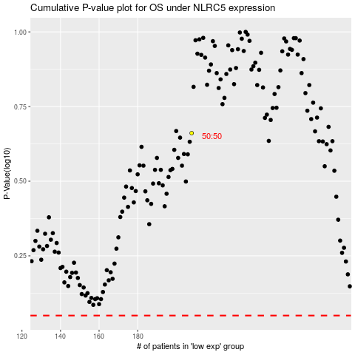

 |  |  |  |  |  | cases_OS | p_OS | rank | exp
 |  |  |  |  |  |  | cases_RFS | p_RFS | rank | exp

