NLRP10 _multivariate
Reported by Tex Li-Hsing Chi. tex@gate.sinica.edu.tw 2019-08-17

Table 2. The clinicopathological features of HNSCC cohort and NLRP10 expression. (Chi square test)
Cutoff at -0.314 (50.0%)
 |  | NLRP10 expression |  | NLRP10 expression |  | (Optimised)
 | Features | Low | (%) | High | (%) | Case no | P-value | Remark | Matthews
Gender | Female | 160 | 38.6 | 146 | 35.2 | 415 | 0.1254 | 0 | 0
2 | Male | 47 | 11.3 | 62 | 14.9
Age at diagnosis | <=65y | 139 | 33.5 | 135 | 32.5 | 415 | 0.7044 | 0 | 0
4 | >65y | 68 | 16.4 | 73 | 17.6
Clinical T Status | T1+T2 | 88 | 21.2 | 61 | 14.7 | 415 | 0.007 | 1 | 0
6 | T3+T4 | 119 | 28.7 | 147 | 35.4
Clinical N Status | N0 | 102 | 24.6 | 114 | 27.5 | 415 | 0.3031 | 0 | 0
8 | N1-3 | 105 | 25.3 | 94 | 22.7
Clinical M Status | M0 | 204 | 49.2 | 208 | 50.1 | 415 | 0.1232 | 0 | 0
10 | M1 | 3 | 0.7 | 0 | 0
Clinical Stage | Stage I+II | 56 | 13.5 | 46 | 11.1 | 415 | 0.2918 | 0 | 0
12 | Stage III+IV | 151 | 36.4 | 162 | 39
Surgical Margin status | Negative | 146 | 35.2 | 172 | 41.4 | 415 | 0.0037 | 1 | 0
14 | Positive | 61 | 14.7 | 36 | 8.7
Tobacco Exposure | Low | 74 | 17.8 | 87 | 21 | 415 | 0.227 | 0 | 0
16 | High | 133 | 32 | 121 | 29.2

Table 3. Univariate/Multivariate Cox's proportional hazards regression analyses on OS time of NLRP10 gene expression in HNSCC

 |  | Univariate |  |  |  | Multivariate
 | Features | HR | CI95%(L) | CI95%(H) | P-value | HR | CI95%(L) | CI95%(H) | P-value
1 | Female | 1 |  |  |  | 1
Gender | Male | 1.157 | 0.843 | 1.587 | 0.367 | 1.191 | 0.852 | 1.667 | 0.307
11 | <=65y | 1 |  |  |  | 1
Age at diagnosis | >65y | 1.329 | 0.99 | 1.784 | 0.058 | 1.402 | 1.03 | 1.909 | 0.032
12 | T1+T2 | 1 |  |  |  | 1
Clinical T Status | T3+T4 | 1.409 | 1.028 | 1.931 | 0.033 | 2.18 | 1.151 | 4.126 | 0.017
13 | N0 | 1 |  |  |  | 1
Clinical N Status | N1-3 | 1.185 | 0.89 | 1.577 | 0.246 | 1.253 | 0.877 | 1.792 | 0.216
14 | M0 | 1 |  |  |  | 1
Clinical M Status | M1 | 4.097 | 1.009 | 16.644 | 0.049 | 9.672 | 2.102 | 44.5 | 0.004
15 | Stage I+II | 1 |  |  |  | 1
Clinical Stage | Stage III+IV | 1.245 | 0.882 | 1.759 | 0.213 | 0.503 | 0.234 | 1.08 | 0.078
16 | Negative | 1 |  |  |  | 1
Surgical Margin status | Positive | 1.591 | 1.155 | 2.191 | 0.004 | 1.686 | 1.218 | 2.334 | 0.002
17 | Low | 1 |  |  |  | 1
Tobacco Exposure | High | 1.364 | 1.008 | 1.844 | 0.044 | 1.458 | 1.058 | 2.009 | 0.021
18 | Low | 1 |  |  |  | 1
RNAseq(z-score) | High | 1.027 | 0.771 | 1.368 | 0.855 | 1.081 | 0.805 | 1.453 | 0.604

Table 4. Univariate/Multivariate Cox's proportional hazards regression analyses on RFS time of NLRP10 gene expression in HNSCC

 |  | Univariate |  |  |  | Multivariate
 | Features | HR | CI95%(L) | CI95%(H) | P-value | HR | CI95%(L) | CI95%(H) | P-value
1 | Female | 1 |  |  |  | 1
Gender | Male | 1.157 | 0.843 | 1.587 | 0.367 | 1.191 | 0.852 | 1.667 | 0.307
11 | <=65y | 1 |  |  |  | 1
Age at diagnosis | >65y | 1.329 | 0.99 | 1.784 | 0.058 | 1.402 | 1.03 | 1.909 | 0.032
12 | T1+T2 | 1 |  |  |  | 1
Clinical T Status | T3+T4 | 1.409 | 1.028 | 1.931 | 0.033 | 2.18 | 1.151 | 4.126 | 0.017
13 | N0 | 1 |  |  |  | 1
Clinical N Status | N1-3 | 1.185 | 0.89 | 1.577 | 0.246 | 1.253 | 0.877 | 1.792 | 0.216
14 | M0 | 1 |  |  |  | 1
Clinical M Status | M1 | 4.097 | 1.009 | 16.644 | 0.049 | 9.672 | 2.102 | 44.5 | 0.004
15 | Stage I+II | 1 |  |  |  | 1
Clinical Stage | Stage III+IV | 1.245 | 0.882 | 1.759 | 0.213 | 0.503 | 0.234 | 1.08 | 0.078
16 | Negative | 1 |  |  |  | 1
Surgical Margin status | Positive | 1.591 | 1.155 | 2.191 | 0.004 | 1.686 | 1.218 | 2.334 | 0.002
17 | Low | 1 |  |  |  | 1
Tobacco Exposure | High | 1.364 | 1.008 | 1.844 | 0.044 | 1.458 | 1.058 | 2.009 | 0.021
18 | Low | 1 |  |  |  | 1
RNAseq(z-score) | High | 1.027 | 0.771 | 1.368 | 0.855 | 1.081 | 0.805 | 1.453 | 0.604

Kaplan-Meier survival estimate: Cutoff at -0.314 (50.0%)



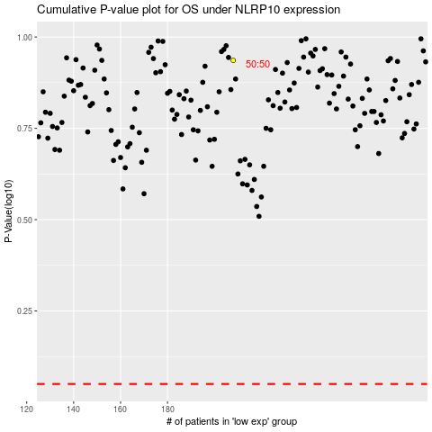

 |  |  |  |  |  | cases_OS | p_OS | rank | exp
 |  |  |  |  |  |  | cases_RFS | p_RFS | rank | exp

