NLRP12 _multivariate
Reported by Tex Li-Hsing Chi. tex@gate.sinica.edu.tw 2019-08-17

Table 2. The clinicopathological features of HNSCC cohort and NLRP12 expression. (Chi square test)
Cutoff at -0.33 (50.0%)
 |  | NLRP12 expression |  | NLRP12 expression |  | (Optimised)
 | Features | Low | (%) | High | (%) | Case no | P-value | Remark | Matthews
Gender | Female | 155 | 37.3 | 151 | 36.4 | 415 | 0.6768 | 0 | 0
2 | Male | 52 | 12.5 | 57 | 13.7
Age at diagnosis | <=65y | 136 | 32.8 | 138 | 33.3 | 415 | 0.9719 | 0 | 0
4 | >65y | 71 | 17.1 | 70 | 16.9
Clinical T Status | T1+T2 | 79 | 19 | 70 | 16.9 | 415 | 0.3924 | 0 | 0
6 | T3+T4 | 128 | 30.8 | 138 | 33.3
Clinical N Status | N0 | 103 | 24.8 | 113 | 27.2 | 415 | 0.4047 | 0 | 0
8 | N1-3 | 104 | 25.1 | 95 | 22.9
Clinical M Status | M0 | 205 | 49.4 | 207 | 49.9 | 415 | 0.6232 | 0 | 0
10 | M1 | 2 | 0.5 | 1 | 0.2
Clinical Stage | Stage I+II | 49 | 11.8 | 53 | 12.8 | 415 | 0.7535 | 0 | 0
12 | Stage III+IV | 158 | 38.1 | 155 | 37.3
Surgical Margin status | Negative | 159 | 38.3 | 159 | 38.3 | 415 | 1 | 0 | 0
14 | Positive | 48 | 11.6 | 49 | 11.8
Tobacco Exposure | Low | 77 | 18.6 | 84 | 20.2 | 415 | 0.5459 | 0 | 0
16 | High | 130 | 31.3 | 124 | 29.9

Table 3. Univariate/Multivariate Cox's proportional hazards regression analyses on OS time of NLRP12 gene expression in HNSCC

 |  | Univariate |  |  |  | Multivariate
 | Features | HR | CI95%(L) | CI95%(H) | P-value | HR | CI95%(L) | CI95%(H) | P-value
1 | Female | 1 |  |  |  | 1
Gender | Male | 1.157 | 0.843 | 1.587 | 0.367 | 1.196 | 0.856 | 1.671 | 0.295
11 | <=65y | 1 |  |  |  | 1
Age at diagnosis | >65y | 1.329 | 0.99 | 1.784 | 0.058 | 1.389 | 1.022 | 1.888 | 0.036
12 | T1+T2 | 1 |  |  |  | 1
Clinical T Status | T3+T4 | 1.409 | 1.028 | 1.931 | 0.033 | 2.252 | 1.189 | 4.265 | 0.013
13 | N0 | 1 |  |  |  | 1
Clinical N Status | N1-3 | 1.185 | 0.89 | 1.577 | 0.246 | 1.228 | 0.86 | 1.752 | 0.258
14 | M0 | 1 |  |  |  | 1
Clinical M Status | M1 | 4.097 | 1.009 | 16.644 | 0.049 | 9.48 | 2.068 | 43.456 | 0.004
15 | Stage I+II | 1 |  |  |  | 1
Clinical Stage | Stage III+IV | 1.245 | 0.882 | 1.759 | 0.213 | 0.502 | 0.234 | 1.076 | 0.077
16 | Negative | 1 |  |  |  | 1
Surgical Margin status | Positive | 1.591 | 1.155 | 2.191 | 0.004 | 1.666 | 1.206 | 2.301 | 0.002
17 | Low | 1 |  |  |  | 1
Tobacco Exposure | High | 1.364 | 1.008 | 1.844 | 0.044 | 1.44 | 1.044 | 1.984 | 0.026
18 | Low | 1 |  |  |  | 1
RNAseq(z-score) | High | 0.856 | 0.641 | 1.144 | 0.293 | 0.863 | 0.645 | 1.154 | 0.32

Table 4. Univariate/Multivariate Cox's proportional hazards regression analyses on RFS time of NLRP12 gene expression in HNSCC

 |  | Univariate |  |  |  | Multivariate
 | Features | HR | CI95%(L) | CI95%(H) | P-value | HR | CI95%(L) | CI95%(H) | P-value
1 | Female | 1 |  |  |  | 1
Gender | Male | 1.157 | 0.843 | 1.587 | 0.367 | 1.196 | 0.856 | 1.671 | 0.295
11 | <=65y | 1 |  |  |  | 1
Age at diagnosis | >65y | 1.329 | 0.99 | 1.784 | 0.058 | 1.389 | 1.022 | 1.888 | 0.036
12 | T1+T2 | 1 |  |  |  | 1
Clinical T Status | T3+T4 | 1.409 | 1.028 | 1.931 | 0.033 | 2.252 | 1.189 | 4.265 | 0.013
13 | N0 | 1 |  |  |  | 1
Clinical N Status | N1-3 | 1.185 | 0.89 | 1.577 | 0.246 | 1.228 | 0.86 | 1.752 | 0.258
14 | M0 | 1 |  |  |  | 1
Clinical M Status | M1 | 4.097 | 1.009 | 16.644 | 0.049 | 9.48 | 2.068 | 43.456 | 0.004
15 | Stage I+II | 1 |  |  |  | 1
Clinical Stage | Stage III+IV | 1.245 | 0.882 | 1.759 | 0.213 | 0.502 | 0.234 | 1.076 | 0.077
16 | Negative | 1 |  |  |  | 1
Surgical Margin status | Positive | 1.591 | 1.155 | 2.191 | 0.004 | 1.666 | 1.206 | 2.301 | 0.002
17 | Low | 1 |  |  |  | 1
Tobacco Exposure | High | 1.364 | 1.008 | 1.844 | 0.044 | 1.44 | 1.044 | 1.984 | 0.026
18 | Low | 1 |  |  |  | 1
RNAseq(z-score) | High | 0.856 | 0.641 | 1.144 | 0.293 | 0.863 | 0.645 | 1.154 | 0.32

Kaplan-Meier survival estimate: Cutoff at -0.33 (50.0%)



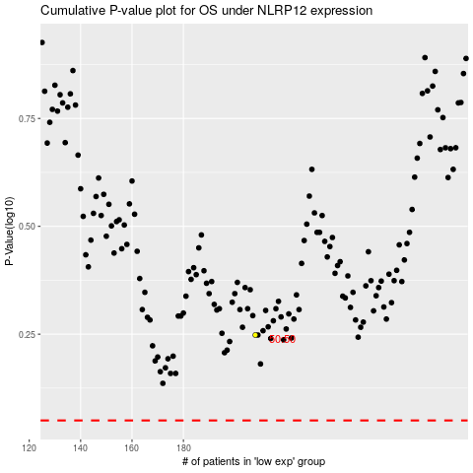

 |  |  |  |  |  | cases_OS | p_OS | rank | exp
 |  |  |  |  |  |  | cases_RFS | p_RFS | rank | exp

