NLRP7 _multivariate
Reported by Tex Li-Hsing Chi. tex@gate.sinica.edu.tw 2019-08-17

Table 2. The clinicopathological features of HNSCC cohort and NLRP7 expression. (Chi square test)
Cutoff at -0.238 (50.0%)
 |  | NLRP7 expression |  | NLRP7 expression |  | (Optimised)
 | Features | Low | (%) | High | (%) | Case no | P-value | Remark | Matthews
Gender | Female | 159 | 38.3 | 147 | 35.4 | 415 | 0.1905 | 0 | 0
2 | Male | 48 | 11.6 | 61 | 14.7
Age at diagnosis | <=65y | 140 | 33.7 | 134 | 32.3 | 415 | 0.5574 | 0 | 0
4 | >65y | 67 | 16.1 | 74 | 17.8
Clinical T Status | T1+T2 | 69 | 16.6 | 80 | 19.3 | 415 | 0.3239 | 0 | 0
6 | T3+T4 | 138 | 33.3 | 128 | 30.8
Clinical N Status | N0 | 101 | 24.3 | 115 | 27.7 | 415 | 0.2201 | 0 | 0
8 | N1-3 | 106 | 25.5 | 93 | 22.4
Clinical M Status | M0 | 206 | 49.6 | 206 | 49.6 | 415 | 1 | 0 | 0
10 | M1 | 1 | 0.2 | 2 | 0.5
Clinical Stage | Stage I+II | 43 | 10.4 | 59 | 14.2 | 415 | 0.0925 | 0 | 0
12 | Stage III+IV | 164 | 39.5 | 149 | 35.9
Surgical Margin status | Negative | 157 | 37.8 | 161 | 38.8 | 415 | 0.729 | 0 | 0
14 | Positive | 50 | 12 | 47 | 11.3
Tobacco Exposure | Low | 70 | 16.9 | 91 | 21.9 | 415 | 0.0439 | 1 | 0
16 | High | 137 | 33 | 117 | 28.2

Table 3. Univariate/Multivariate Cox's proportional hazards regression analyses on OS time of NLRP7 gene expression in HNSCC

 |  | Univariate |  |  |  | Multivariate
 | Features | HR | CI95%(L) | CI95%(H) | P-value | HR | CI95%(L) | CI95%(H) | P-value
1 | Female | 1 |  |  |  | 1
Gender | Male | 1.157 | 0.843 | 1.587 | 0.367 | 1.198 | 0.857 | 1.674 | 0.29
11 | <=65y | 1 |  |  |  | 1
Age at diagnosis | >65y | 1.329 | 0.99 | 1.784 | 0.058 | 1.384 | 1.017 | 1.882 | 0.038
12 | T1+T2 | 1 |  |  |  | 1
Clinical T Status | T3+T4 | 1.409 | 1.028 | 1.931 | 0.033 | 2.192 | 1.159 | 4.145 | 0.016
13 | N0 | 1 |  |  |  | 1
Clinical N Status | N1-3 | 1.185 | 0.89 | 1.577 | 0.246 | 1.248 | 0.874 | 1.782 | 0.222
14 | M0 | 1 |  |  |  | 1
Clinical M Status | M1 | 4.097 | 1.009 | 16.644 | 0.049 | 9.051 | 1.964 | 41.705 | 0.005
15 | Stage I+II | 1 |  |  |  | 1
Clinical Stage | Stage III+IV | 1.245 | 0.882 | 1.759 | 0.213 | 0.512 | 0.238 | 1.101 | 0.087
16 | Negative | 1 |  |  |  | 1
Surgical Margin status | Positive | 1.591 | 1.155 | 2.191 | 0.004 | 1.665 | 1.204 | 2.301 | 0.002
17 | Low | 1 |  |  |  | 1
Tobacco Exposure | High | 1.364 | 1.008 | 1.844 | 0.044 | 1.455 | 1.056 | 2.004 | 0.022
18 | Low | 1 |  |  |  | 1
RNAseq(z-score) | High | 1.103 | 0.828 | 1.469 | 0.502 | 1.094 | 0.817 | 1.465 | 0.548

Table 4. Univariate/Multivariate Cox's proportional hazards regression analyses on RFS time of NLRP7 gene expression in HNSCC

 |  | Univariate |  |  |  | Multivariate
 | Features | HR | CI95%(L) | CI95%(H) | P-value | HR | CI95%(L) | CI95%(H) | P-value
1 | Female | 1 |  |  |  | 1
Gender | Male | 1.157 | 0.843 | 1.587 | 0.367 | 1.198 | 0.857 | 1.674 | 0.29
11 | <=65y | 1 |  |  |  | 1
Age at diagnosis | >65y | 1.329 | 0.99 | 1.784 | 0.058 | 1.384 | 1.017 | 1.882 | 0.038
12 | T1+T2 | 1 |  |  |  | 1
Clinical T Status | T3+T4 | 1.409 | 1.028 | 1.931 | 0.033 | 2.192 | 1.159 | 4.145 | 0.016
13 | N0 | 1 |  |  |  | 1
Clinical N Status | N1-3 | 1.185 | 0.89 | 1.577 | 0.246 | 1.248 | 0.874 | 1.782 | 0.222
14 | M0 | 1 |  |  |  | 1
Clinical M Status | M1 | 4.097 | 1.009 | 16.644 | 0.049 | 9.051 | 1.964 | 41.705 | 0.005
15 | Stage I+II | 1 |  |  |  | 1
Clinical Stage | Stage III+IV | 1.245 | 0.882 | 1.759 | 0.213 | 0.512 | 0.238 | 1.101 | 0.087
16 | Negative | 1 |  |  |  | 1
Surgical Margin status | Positive | 1.591 | 1.155 | 2.191 | 0.004 | 1.665 | 1.204 | 2.301 | 0.002
17 | Low | 1 |  |  |  | 1
Tobacco Exposure | High | 1.364 | 1.008 | 1.844 | 0.044 | 1.455 | 1.056 | 2.004 | 0.022
18 | Low | 1 |  |  |  | 1
RNAseq(z-score) | High | 1.103 | 0.828 | 1.469 | 0.502 | 1.094 | 0.817 | 1.465 | 0.548

Kaplan-Meier survival estimate: Cutoff at -0.238 (50.0%)



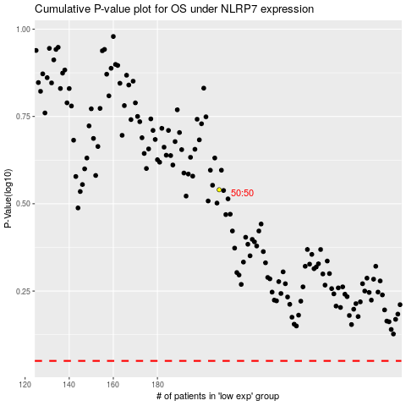

 |  |  |  |  |  | cases_OS | p_OS | rank | exp
 |  |  |  |  |  |  | cases_RFS | p_RFS | rank | exp

