NMD3 _multivariate
Reported by Tex Li-Hsing Chi. tex@gate.sinica.edu.tw 2019-08-17

Table 2. The clinicopathological features of HNSCC cohort and NMD3 expression. (Chi square test)
Cutoff at 0.245 (69.8%)
 |  | NMD3 expression |  | NMD3 expression |  | (Optimised)
 | Features | Low | (%) | High | (%) | Case no | P-value | Remark | Matthews
Gender | Female | 204 | 49.2 | 102 | 24.6 | 415 | 0.0233 | 1 | 0
2 | Male | 86 | 20.7 | 23 | 5.5
Age at diagnosis | <=65y | 191 | 46 | 83 | 20 | 415 | 1 | 0 | 0
4 | >65y | 99 | 23.9 | 42 | 10.1
Clinical T Status | T1+T2 | 108 | 26 | 41 | 9.9 | 415 | 0.451 | 0 | 0
6 | T3+T4 | 182 | 43.9 | 84 | 20.2
Clinical N Status | N0 | 152 | 36.6 | 64 | 15.4 | 415 | 0.9045 | 0 | 0
8 | N1-3 | 138 | 33.3 | 61 | 14.7
Clinical M Status | M0 | 289 | 69.6 | 123 | 29.6 | 415 | 0.2169 | 0 | 0
10 | M1 | 1 | 0.2 | 2 | 0.5
Clinical Stage | Stage I+II | 73 | 17.6 | 29 | 7 | 415 | 0.7612 | 0 | 0
12 | Stage III+IV | 217 | 52.3 | 96 | 23.1
Surgical Margin status | Negative | 229 | 55.2 | 89 | 21.4 | 415 | 0.1003 | 0 | 0
14 | Positive | 61 | 14.7 | 36 | 8.7
Tobacco Exposure | Low | 123 | 29.6 | 38 | 9.2 | 415 | 0.0216 | 1 | 0
16 | High | 167 | 40.2 | 87 | 21

Table 3. Univariate/Multivariate Cox's proportional hazards regression analyses on OS time of NMD3 gene expression in HNSCC

 |  | Univariate |  |  |  | Multivariate
 | Features | HR | CI95%(L) | CI95%(H) | P-value | HR | CI95%(L) | CI95%(H) | P-value
1 | Female | 1 |  |  |  | 1
Gender | Male | 1.157 | 0.843 | 1.587 | 0.367 | 1.213 | 0.868 | 1.694 | 0.258
11 | <=65y | 1 |  |  |  | 1
Age at diagnosis | >65y | 1.329 | 0.99 | 1.784 | 0.058 | 1.411 | 1.039 | 1.915 | 0.027
12 | T1+T2 | 1 |  |  |  | 1
Clinical T Status | T3+T4 | 1.409 | 1.028 | 1.931 | 0.033 | 2.14 | 1.129 | 4.056 | 0.02
13 | N0 | 1 |  |  |  | 1
Clinical N Status | N1-3 | 1.185 | 0.89 | 1.577 | 0.246 | 1.235 | 0.865 | 1.764 | 0.246
14 | M0 | 1 |  |  |  | 1
Clinical M Status | M1 | 4.097 | 1.009 | 16.644 | 0.049 | 8.196 | 1.78 | 37.738 | 0.007
15 | Stage I+II | 1 |  |  |  | 1
Clinical Stage | Stage III+IV | 1.245 | 0.882 | 1.759 | 0.213 | 0.515 | 0.24 | 1.107 | 0.089
16 | Negative | 1 |  |  |  | 1
Surgical Margin status | Positive | 1.591 | 1.155 | 2.191 | 0.004 | 1.671 | 1.208 | 2.31 | 0.002
17 | Low | 1 |  |  |  | 1
Tobacco Exposure | High | 1.364 | 1.008 | 1.844 | 0.044 | 1.42 | 1.031 | 1.956 | 0.032
18 | Low | 1 |  |  |  | 1
RNAseq(z-score) | High | 1.511 | 1.122 | 2.034 | 0.007 | 1.449 | 1.073 | 1.956 | 0.015

Table 4. Univariate/Multivariate Cox's proportional hazards regression analyses on RFS time of NMD3 gene expression in HNSCC

 |  | Univariate |  |  |  | Multivariate
 | Features | HR | CI95%(L) | CI95%(H) | P-value | HR | CI95%(L) | CI95%(H) | P-value
1 | Female | 1 |  |  |  | 1
Gender | Male | 1.157 | 0.843 | 1.587 | 0.367 | 1.213 | 0.868 | 1.694 | 0.258
11 | <=65y | 1 |  |  |  | 1
Age at diagnosis | >65y | 1.329 | 0.99 | 1.784 | 0.058 | 1.411 | 1.039 | 1.915 | 0.027
12 | T1+T2 | 1 |  |  |  | 1
Clinical T Status | T3+T4 | 1.409 | 1.028 | 1.931 | 0.033 | 2.14 | 1.129 | 4.056 | 0.02
13 | N0 | 1 |  |  |  | 1
Clinical N Status | N1-3 | 1.185 | 0.89 | 1.577 | 0.246 | 1.235 | 0.865 | 1.764 | 0.246
14 | M0 | 1 |  |  |  | 1
Clinical M Status | M1 | 4.097 | 1.009 | 16.644 | 0.049 | 8.196 | 1.78 | 37.738 | 0.007
15 | Stage I+II | 1 |  |  |  | 1
Clinical Stage | Stage III+IV | 1.245 | 0.882 | 1.759 | 0.213 | 0.515 | 0.24 | 1.107 | 0.089
16 | Negative | 1 |  |  |  | 1
Surgical Margin status | Positive | 1.591 | 1.155 | 2.191 | 0.004 | 1.671 | 1.208 | 2.31 | 0.002
17 | Low | 1 |  |  |  | 1
Tobacco Exposure | High | 1.364 | 1.008 | 1.844 | 0.044 | 1.42 | 1.031 | 1.956 | 0.032
18 | Low | 1 |  |  |  | 1
RNAseq(z-score) | High | 1.511 | 1.122 | 2.034 | 0.007 | 1.449 | 1.073 | 1.956 | 0.015

Kaplan-Meier survival estimate: Cutoff at 0.245 (69.8%)

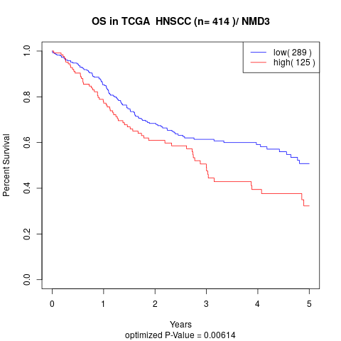

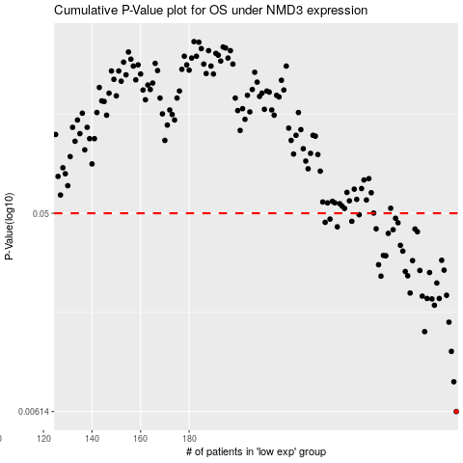

 |  |  |  |  |  | cases_OS | p_OS | rank | exp
 |  |  |  |  |  | 290 | 0.00614 | 124 | 0.24505695061
 |  |  |  |  |  | 289 | 0.00841 | 34 | 0.23276541994
 |  |  |  |  |  | 288 | 0.0116 | 60 | 0.23145298286
 |  |  |  |  |  | 277 | 0.0143 | 66 | 0.17196828819
 |  |  |  |  |  | 287 | 0.0158 | 400 | 0.23046073349
 |  |  |  |  |  | 281 | 0.0189 | 74 | 0.19715651799
 |  |  |  |  |  | 280 | 0.0202 | 304 | 0.19262772989
 |  |  |  |  |  | 278 | 0.0203 | 237 | 0.1767323761
 |  |  |  |  |  | 283 | 0.0203 | 241 | 0.20108854817
 |  |  |  |  |  | 276 | 0.0208 | 190 | 0.16538517422
 |  |  |  |  |  | 286 | 0.021 | 402 | 0.21664024296
 |  |  |  |  |  | 271 | 0.0215 | 196 | 0.156295325
 |  |  |  |  |  | 282 | 0.0239 | 383 | 0.19947489603
 |  |  |  |  |  | 259 | 0.0257 | 405 | 0.11196194379
 |  |  |  |  |  | 270 | 0.0258 | 102 | 0.14875888491
 |  |  |  |  |  | 279 | 0.0267 | 151 | 0.17925026023
 |  |  |  |  |  | 269 | 0.027 | 356 | 0.14769485246
 |  |  |  |  |  | 275 | 0.0273 | 112 | 0.16140815737
 |  |  |  |  |  | 285 | 0.0274 | 132 | 0.21613052448
 |  |  |  |  |  | 258 | 0.029 | 307 | 0.10977128875
 |  |  |  |  |  | 272 | 0.0303 | 79 | 0.15755456045
 |  |  |  |  |  | 284 | 0.0304 | 343 | 0.21247584686
 |  |  |  |  |  | 261 | 0.0319 | 77 | 0.11495062315
 |  |  |  |  |  | 260 | 0.032 | 342 | 0.11204448454
 |  |  |  |  |  | 268 | 0.0335 | 164 | 0.13480969339
 |  |  |  |  |  | 267 | 0.0356 | 81 | 0.13478700447
 |  |  |  |  |  | 262 | 0.0404 | 253 | 0.11532538164
 |  |  |  |  |  | 274 | 0.0411 | 131 | 0.15864128183
 |  |  |  |  |  | 264 | 0.042 | 240 | 0.12578360788
 |  |  |  |  |  | 273 | 0.0423 | 173 | 0.15779787964
 |  |  |  |  |  | 257 | 0.0424 | 362 | 0.10555721173
 |  |  |  |  |  | 241 | 0.0433 | 65 | 0.015987390887
 |  |  |  |  |  | 266 | 0.0452 | 152 | 0.13048608362
 |  |  |  |  |  | 236 | 0.0454 | 107 | -0.021759551259
 |  |  |  |  |  | 247 | 0.0459 | 99 | 0.033339725871
 |  |  |  |  |  | 238 | 0.047 | 4 | 0.0069548507631
 |  |  |  |  |  | 265 | 0.0474 | 27 | 0.12859155821
 |  |  |  |  |  | 250 | 0.0492 | 97 | 0.060831468554
 |  |  |  |  |  |  | cases_RFS | p_RFS | rank | exp
 |  |  |  |  |  |  | 289 | 0.00614 | 34 | 0.23276541994
 |  |  |  |  |  |  | 288 | 0.00841 | 60 | 0.23145298286
 |  |  |  |  |  |  | 287 | 0.0116 | 400 | 0.23046073349
 |  |  |  |  |  |  | 276 | 0.0143 | 190 | 0.16538517422
 |  |  |  |  |  |  | 286 | 0.0158 | 402 | 0.21664024296
 |  |  |  |  |  |  | 280 | 0.0189 | 304 | 0.19262772989
 |  |  |  |  |  |  | 279 | 0.0202 | 151 | 0.17925026023
 |  |  |  |  |  |  | 277 | 0.0203 | 66 | 0.17196828819
 |  |  |  |  |  |  | 282 | 0.0203 | 383 | 0.19947489603
 |  |  |  |  |  |  | 275 | 0.0208 | 112 | 0.16140815737
 |  |  |  |  |  |  | 285 | 0.021 | 132 | 0.21613052448
 |  |  |  |  |  |  | 270 | 0.0215 | 102 | 0.14875888491
 |  |  |  |  |  |  | 281 | 0.0239 | 74 | 0.19715651799
 |  |  |  |  |  |  | 258 | 0.0257 | 307 | 0.10977128875
 |  |  |  |  |  |  | 269 | 0.0258 | 356 | 0.14769485246
 |  |  |  |  |  |  | 278 | 0.0267 | 237 | 0.1767323761
 |  |  |  |  |  |  | 268 | 0.027 | 164 | 0.13480969339
 |  |  |  |  |  |  | 274 | 0.0273 | 131 | 0.15864128183
 |  |  |  |  |  |  | 284 | 0.0274 | 343 | 0.21247584686
 |  |  |  |  |  |  | 257 | 0.029 | 362 | 0.10555721173
 |  |  |  |  |  |  | 271 | 0.0303 | 196 | 0.156295325
 |  |  |  |  |  |  | 283 | 0.0304 | 241 | 0.20108854817
 |  |  |  |  |  |  | 260 | 0.0319 | 342 | 0.11204448454
 |  |  |  |  |  |  | 259 | 0.032 | 405 | 0.11196194379
 |  |  |  |  |  |  | 267 | 0.0335 | 81 | 0.13478700447
 |  |  |  |  |  |  | 266 | 0.0356 | 152 | 0.13048608362
 |  |  |  |  |  |  | 261 | 0.0404 | 77 | 0.11495062315
 |  |  |  |  |  |  | 273 | 0.0411 | 173 | 0.15779787964
 |  |  |  |  |  |  | 263 | 0.042 | 84 | 0.12179759369
 |  |  |  |  |  |  | 272 | 0.0423 | 79 | 0.15755456045
 |  |  |  |  |  |  | 256 | 0.0424 | 162 | 0.093094536133
 |  |  |  |  |  |  | 240 | 0.0433 | 397 | 0.01267774144
 |  |  |  |  |  |  | 265 | 0.0452 | 27 | 0.12859155821
 |  |  |  |  |  |  | 235 | 0.0454 | 14 | -0.022271421278
 |  |  |  |  |  |  | 246 | 0.0459 | 150 | 0.032215646008
 |  |  |  |  |  |  | 237 | 0.047 | 136 | -0.016195483072
 |  |  |  |  |  |  | 264 | 0.0474 | 240 | 0.12578360788
 |  |  |  |  |  |  | 249 | 0.0492 | 381 | 0.042348794691

