NME5 _multivariate
Reported by Tex Li-Hsing Chi. tex@gate.sinica.edu.tw 2019-08-17

Table 2. The clinicopathological features of HNSCC cohort and NME5 expression. (Chi square test)
Cutoff at -0.114 (50.0%)
 |  | NME5 expression |  | NME5 expression |  | (Optimised)
 | Features | Low | (%) | High | (%) | Case no | P-value | Remark | Matthews
Gender | Female | 158 | 38.1 | 148 | 35.7 | 415 | 0.2774 | 0 | 0
2 | Male | 49 | 11.8 | 60 | 14.5
Age at diagnosis | <=65y | 132 | 31.8 | 142 | 34.2 | 415 | 0.3874 | 0 | 0
4 | >65y | 75 | 18.1 | 66 | 15.9
Clinical T Status | T1+T2 | 76 | 18.3 | 73 | 17.6 | 415 | 0.8092 | 0 | 0
6 | T3+T4 | 131 | 31.6 | 135 | 32.5
Clinical N Status | N0 | 105 | 25.3 | 111 | 26.7 | 415 | 0.6598 | 0 | 0
8 | N1-3 | 102 | 24.6 | 97 | 23.4
Clinical M Status | M0 | 204 | 49.2 | 208 | 50.1 | 415 | 0.1232 | 0 | 0
10 | M1 | 3 | 0.7 | 0 | 0
Clinical Stage | Stage I+II | 51 | 12.3 | 51 | 12.3 | 415 | 1 | 0 | 0
12 | Stage III+IV | 156 | 37.6 | 157 | 37.8
Surgical Margin status | Negative | 157 | 37.8 | 161 | 38.8 | 415 | 0.729 | 0 | 0
14 | Positive | 50 | 12 | 47 | 11.3
Tobacco Exposure | Low | 84 | 20.2 | 77 | 18.6 | 415 | 0.4816 | 0 | 0
16 | High | 123 | 29.6 | 131 | 31.6

Table 3. Univariate/Multivariate Cox's proportional hazards regression analyses on OS time of NME5 gene expression in HNSCC

 |  | Univariate |  |  |  | Multivariate
 | Features | HR | CI95%(L) | CI95%(H) | P-value | HR | CI95%(L) | CI95%(H) | P-value
1 | Female | 1 |  |  |  | 1
Gender | Male | 1.157 | 0.843 | 1.587 | 0.367 | 1.19 | 0.852 | 1.661 | 0.308
11 | <=65y | 1 |  |  |  | 1
Age at diagnosis | >65y | 1.329 | 0.99 | 1.784 | 0.058 | 1.413 | 1.038 | 1.924 | 0.028
12 | T1+T2 | 1 |  |  |  | 1
Clinical T Status | T3+T4 | 1.409 | 1.028 | 1.931 | 0.033 | 2.177 | 1.151 | 4.117 | 0.017
13 | N0 | 1 |  |  |  | 1
Clinical N Status | N1-3 | 1.185 | 0.89 | 1.577 | 0.246 | 1.251 | 0.876 | 1.786 | 0.218
14 | M0 | 1 |  |  |  | 1
Clinical M Status | M1 | 4.097 | 1.009 | 16.644 | 0.049 | 9.978 | 2.165 | 45.974 | 0.003
15 | Stage I+II | 1 |  |  |  | 1
Clinical Stage | Stage III+IV | 1.245 | 0.882 | 1.759 | 0.213 | 0.504 | 0.235 | 1.082 | 0.079
16 | Negative | 1 |  |  |  | 1
Surgical Margin status | Positive | 1.591 | 1.155 | 2.191 | 0.004 | 1.673 | 1.21 | 2.312 | 0.002
17 | Low | 1 |  |  |  | 1
Tobacco Exposure | High | 1.364 | 1.008 | 1.844 | 0.044 | 1.442 | 1.046 | 1.987 | 0.025
18 | Low | 1 |  |  |  | 1
RNAseq(z-score) | High | 1.13 | 0.848 | 1.506 | 0.405 | 1.151 | 0.859 | 1.541 | 0.346

Table 4. Univariate/Multivariate Cox's proportional hazards regression analyses on RFS time of NME5 gene expression in HNSCC

 |  | Univariate |  |  |  | Multivariate
 | Features | HR | CI95%(L) | CI95%(H) | P-value | HR | CI95%(L) | CI95%(H) | P-value
1 | Female | 1 |  |  |  | 1
Gender | Male | 1.157 | 0.843 | 1.587 | 0.367 | 1.19 | 0.852 | 1.661 | 0.308
11 | <=65y | 1 |  |  |  | 1
Age at diagnosis | >65y | 1.329 | 0.99 | 1.784 | 0.058 | 1.413 | 1.038 | 1.924 | 0.028
12 | T1+T2 | 1 |  |  |  | 1
Clinical T Status | T3+T4 | 1.409 | 1.028 | 1.931 | 0.033 | 2.177 | 1.151 | 4.117 | 0.017
13 | N0 | 1 |  |  |  | 1
Clinical N Status | N1-3 | 1.185 | 0.89 | 1.577 | 0.246 | 1.251 | 0.876 | 1.786 | 0.218
14 | M0 | 1 |  |  |  | 1
Clinical M Status | M1 | 4.097 | 1.009 | 16.644 | 0.049 | 9.978 | 2.165 | 45.974 | 0.003
15 | Stage I+II | 1 |  |  |  | 1
Clinical Stage | Stage III+IV | 1.245 | 0.882 | 1.759 | 0.213 | 0.504 | 0.235 | 1.082 | 0.079
16 | Negative | 1 |  |  |  | 1
Surgical Margin status | Positive | 1.591 | 1.155 | 2.191 | 0.004 | 1.673 | 1.21 | 2.312 | 0.002
17 | Low | 1 |  |  |  | 1
Tobacco Exposure | High | 1.364 | 1.008 | 1.844 | 0.044 | 1.442 | 1.046 | 1.987 | 0.025
18 | Low | 1 |  |  |  | 1
RNAseq(z-score) | High | 1.13 | 0.848 | 1.506 | 0.405 | 1.151 | 0.859 | 1.541 | 0.346

Kaplan-Meier survival estimate: Cutoff at -0.114 (50.0%)



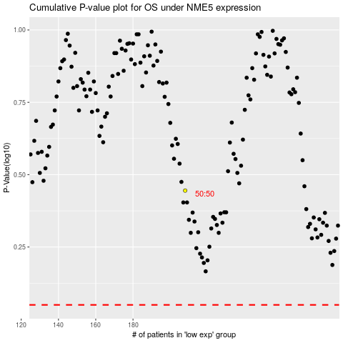

 |  |  |  |  |  | cases_OS | p_OS | rank | exp
 |  |  |  |  |  |  | cases_RFS | p_RFS | rank | exp

