NME7 _multivariate
Reported by Tex Li-Hsing Chi. tex@gate.sinica.edu.tw 2019-08-17

Table 2. The clinicopathological features of HNSCC cohort and NME7 expression. (Chi square test)
Cutoff at -0.322 (41.8%)
 |  | NME7 expression |  | NME7 expression |  | (Optimised)
 | Features | Low | (%) | High | (%) | Case no | P-value | Remark | Matthews
Gender | Female | 125 | 30.1 | 181 | 43.6 | 415 | 0.6409 | 0 | 0
2 | Male | 48 | 11.6 | 61 | 14.7
Age at diagnosis | <=65y | 108 | 26 | 166 | 40 | 415 | 0.2291 | 0 | 0
4 | >65y | 65 | 15.7 | 76 | 18.3
Clinical T Status | T1+T2 | 55 | 13.3 | 94 | 22.7 | 415 | 0.1699 | 0 | 0
6 | T3+T4 | 118 | 28.4 | 148 | 35.7
Clinical N Status | N0 | 98 | 23.6 | 118 | 28.4 | 415 | 0.1373 | 0 | 0
8 | N1-3 | 75 | 18.1 | 124 | 29.9
Clinical M Status | M0 | 173 | 41.7 | 239 | 57.6 | 415 | 0.269 | 0 | 0
10 | M1 | 0 | 0 | 3 | 0.7
Clinical Stage | Stage I+II | 41 | 9.9 | 61 | 14.7 | 415 | 0.8134 | 0 | 0
12 | Stage III+IV | 132 | 31.8 | 181 | 43.6
Surgical Margin status | Negative | 131 | 31.6 | 187 | 45.1 | 415 | 0.7254 | 0 | 0
14 | Positive | 42 | 10.1 | 55 | 13.3
Tobacco Exposure | Low | 63 | 15.2 | 98 | 23.6 | 415 | 0.4154 | 0 | 0
16 | High | 110 | 26.5 | 144 | 34.7

Table 3. Univariate/Multivariate Cox's proportional hazards regression analyses on OS time of NME7 gene expression in HNSCC

 |  | Univariate |  |  |  | Multivariate
 | Features | HR | CI95%(L) | CI95%(H) | P-value | HR | CI95%(L) | CI95%(H) | P-value
1 | Female | 1 |  |  |  | 1
Gender | Male | 1.157 | 0.843 | 1.587 | 0.367 | 1.175 | 0.84 | 1.641 | 0.346
11 | <=65y | 1 |  |  |  | 1
Age at diagnosis | >65y | 1.329 | 0.99 | 1.784 | 0.058 | 1.4 | 1.03 | 1.904 | 0.032
12 | T1+T2 | 1 |  |  |  | 1
Clinical T Status | T3+T4 | 1.409 | 1.028 | 1.931 | 0.033 | 2.244 | 1.186 | 4.244 | 0.013
13 | N0 | 1 |  |  |  | 1
Clinical N Status | N1-3 | 1.185 | 0.89 | 1.577 | 0.246 | 1.222 | 0.857 | 1.744 | 0.268
14 | M0 | 1 |  |  |  | 1
Clinical M Status | M1 | 4.097 | 1.009 | 16.644 | 0.049 | 8.447 | 1.837 | 38.837 | 0.006
15 | Stage I+II | 1 |  |  |  | 1
Clinical Stage | Stage III+IV | 1.245 | 0.882 | 1.759 | 0.213 | 0.51 | 0.238 | 1.093 | 0.083
16 | Negative | 1 |  |  |  | 1
Surgical Margin status | Positive | 1.591 | 1.155 | 2.191 | 0.004 | 1.673 | 1.211 | 2.31 | 0.002
17 | Low | 1 |  |  |  | 1
Tobacco Exposure | High | 1.364 | 1.008 | 1.844 | 0.044 | 1.446 | 1.05 | 1.991 | 0.024
18 | Low | 1 |  |  |  | 1
RNAseq(z-score) | High | 1.343 | 1 | 1.806 | 0.05 | 1.346 | 0.999 | 1.814 | 0.051

Table 4. Univariate/Multivariate Cox's proportional hazards regression analyses on RFS time of NME7 gene expression in HNSCC

 |  | Univariate |  |  |  | Multivariate
 | Features | HR | CI95%(L) | CI95%(H) | P-value | HR | CI95%(L) | CI95%(H) | P-value
1 | Female | 1 |  |  |  | 1
Gender | Male | 1.157 | 0.843 | 1.587 | 0.367 | 1.175 | 0.84 | 1.641 | 0.346
11 | <=65y | 1 |  |  |  | 1
Age at diagnosis | >65y | 1.329 | 0.99 | 1.784 | 0.058 | 1.4 | 1.03 | 1.904 | 0.032
12 | T1+T2 | 1 |  |  |  | 1
Clinical T Status | T3+T4 | 1.409 | 1.028 | 1.931 | 0.033 | 2.244 | 1.186 | 4.244 | 0.013
13 | N0 | 1 |  |  |  | 1
Clinical N Status | N1-3 | 1.185 | 0.89 | 1.577 | 0.246 | 1.222 | 0.857 | 1.744 | 0.268
14 | M0 | 1 |  |  |  | 1
Clinical M Status | M1 | 4.097 | 1.009 | 16.644 | 0.049 | 8.447 | 1.837 | 38.837 | 0.006
15 | Stage I+II | 1 |  |  |  | 1
Clinical Stage | Stage III+IV | 1.245 | 0.882 | 1.759 | 0.213 | 0.51 | 0.238 | 1.093 | 0.083
16 | Negative | 1 |  |  |  | 1
Surgical Margin status | Positive | 1.591 | 1.155 | 2.191 | 0.004 | 1.673 | 1.211 | 2.31 | 0.002
17 | Low | 1 |  |  |  | 1
Tobacco Exposure | High | 1.364 | 1.008 | 1.844 | 0.044 | 1.446 | 1.05 | 1.991 | 0.024
18 | Low | 1 |  |  |  | 1
RNAseq(z-score) | High | 1.343 | 1 | 1.806 | 0.05 | 1.346 | 0.999 | 1.814 | 0.051

Kaplan-Meier survival estimate: Cutoff at -0.322 (41.8%)



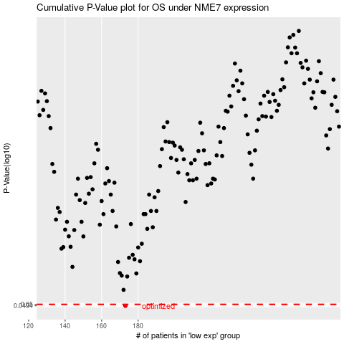

 |  |  |  |  |  | cases_OS | p_OS | rank | exp
 |  |  |  |  |  | 173 | 0.0494 | 54 | -0.32219839679
 |  |  |  |  |  |  | cases_RFS | p_RFS | rank | exp
 |  |  |  |  |  |  | 172 | 0.0494 | 305 | -0.3228882537

