NMI _multivariate
Reported by Tex Li-Hsing Chi. tex@gate.sinica.edu.tw 2019-08-17

Table 2. The clinicopathological features of HNSCC cohort and NMI expression. (Chi square test)
Cutoff at -0.173 (50.0%)
 |  | NMI expression |  | NMI expression |  | (Optimised)
 | Features | Low | (%) | High | (%) | Case no | P-value | Remark | Matthews
Gender | Female | 162 | 39 | 144 | 34.7 | 415 | 0.0479 | 1 | 0
2 | Male | 45 | 10.8 | 64 | 15.4
Age at diagnosis | <=65y | 144 | 34.7 | 130 | 31.3 | 415 | 0.1568 | 0 | 0
4 | >65y | 63 | 15.2 | 78 | 18.8
Clinical T Status | T1+T2 | 63 | 15.2 | 86 | 20.7 | 415 | 0.0268 | 1 | 0
6 | T3+T4 | 144 | 34.7 | 122 | 29.4
Clinical N Status | N0 | 108 | 26 | 108 | 26 | 415 | 1 | 0 | 0
8 | N1-3 | 99 | 23.9 | 100 | 24.1
Clinical M Status | M0 | 207 | 49.9 | 205 | 49.4 | 415 | 0.2482 | 0 | 0
10 | M1 | 0 | 0 | 3 | 0.7
Clinical Stage | Stage I+II | 45 | 10.8 | 57 | 13.7 | 415 | 0.2202 | 0 | 0
12 | Stage III+IV | 162 | 39 | 151 | 36.4
Surgical Margin status | Negative | 157 | 37.8 | 161 | 38.8 | 415 | 0.729 | 0 | 0
14 | Positive | 50 | 12 | 47 | 11.3
Tobacco Exposure | Low | 64 | 15.4 | 97 | 23.4 | 415 | 0.0012 | 1 | 0
16 | High | 143 | 34.5 | 111 | 26.7

Table 3. Univariate/Multivariate Cox's proportional hazards regression analyses on OS time of NMI gene expression in HNSCC

 |  | Univariate |  |  |  | Multivariate
 | Features | HR | CI95%(L) | CI95%(H) | P-value | HR | CI95%(L) | CI95%(H) | P-value
1 | Female | 1 |  |  |  | 1
Gender | Male | 1.157 | 0.843 | 1.587 | 0.367 | 1.183 | 0.845 | 1.657 | 0.329
11 | <=65y | 1 |  |  |  | 1
Age at diagnosis | >65y | 1.329 | 0.99 | 1.784 | 0.058 | 1.382 | 1.016 | 1.88 | 0.039
12 | T1+T2 | 1 |  |  |  | 1
Clinical T Status | T3+T4 | 1.409 | 1.028 | 1.931 | 0.033 | 2.214 | 1.17 | 4.188 | 0.015
13 | N0 | 1 |  |  |  | 1
Clinical N Status | N1-3 | 1.185 | 0.89 | 1.577 | 0.246 | 1.221 | 0.855 | 1.745 | 0.273
14 | M0 | 1 |  |  |  | 1
Clinical M Status | M1 | 4.097 | 1.009 | 16.644 | 0.049 | 8.879 | 1.926 | 40.936 | 0.005
15 | Stage I+II | 1 |  |  |  | 1
Clinical Stage | Stage III+IV | 1.245 | 0.882 | 1.759 | 0.213 | 0.512 | 0.238 | 1.101 | 0.087
16 | Negative | 1 |  |  |  | 1
Surgical Margin status | Positive | 1.591 | 1.155 | 2.191 | 0.004 | 1.667 | 1.207 | 2.303 | 0.002
17 | Low | 1 |  |  |  | 1
Tobacco Exposure | High | 1.364 | 1.008 | 1.844 | 0.044 | 1.487 | 1.073 | 2.059 | 0.017
18 | Low | 1 |  |  |  | 1
RNAseq(z-score) | High | 1.124 | 0.843 | 1.498 | 0.426 | 1.134 | 0.838 | 1.533 | 0.415

Table 4. Univariate/Multivariate Cox's proportional hazards regression analyses on RFS time of NMI gene expression in HNSCC

 |  | Univariate |  |  |  | Multivariate
 | Features | HR | CI95%(L) | CI95%(H) | P-value | HR | CI95%(L) | CI95%(H) | P-value
1 | Female | 1 |  |  |  | 1
Gender | Male | 1.157 | 0.843 | 1.587 | 0.367 | 1.183 | 0.845 | 1.657 | 0.329
11 | <=65y | 1 |  |  |  | 1
Age at diagnosis | >65y | 1.329 | 0.99 | 1.784 | 0.058 | 1.382 | 1.016 | 1.88 | 0.039
12 | T1+T2 | 1 |  |  |  | 1
Clinical T Status | T3+T4 | 1.409 | 1.028 | 1.931 | 0.033 | 2.214 | 1.17 | 4.188 | 0.015
13 | N0 | 1 |  |  |  | 1
Clinical N Status | N1-3 | 1.185 | 0.89 | 1.577 | 0.246 | 1.221 | 0.855 | 1.745 | 0.273
14 | M0 | 1 |  |  |  | 1
Clinical M Status | M1 | 4.097 | 1.009 | 16.644 | 0.049 | 8.879 | 1.926 | 40.936 | 0.005
15 | Stage I+II | 1 |  |  |  | 1
Clinical Stage | Stage III+IV | 1.245 | 0.882 | 1.759 | 0.213 | 0.512 | 0.238 | 1.101 | 0.087
16 | Negative | 1 |  |  |  | 1
Surgical Margin status | Positive | 1.591 | 1.155 | 2.191 | 0.004 | 1.667 | 1.207 | 2.303 | 0.002
17 | Low | 1 |  |  |  | 1
Tobacco Exposure | High | 1.364 | 1.008 | 1.844 | 0.044 | 1.487 | 1.073 | 2.059 | 0.017
18 | Low | 1 |  |  |  | 1
RNAseq(z-score) | High | 1.124 | 0.843 | 1.498 | 0.426 | 1.134 | 0.838 | 1.533 | 0.415

Kaplan-Meier survival estimate: Cutoff at -0.173 (50.0%)



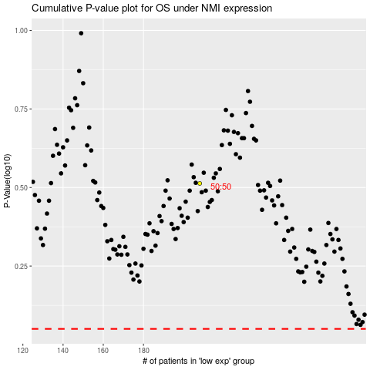

 |  |  |  |  |  | cases_OS | p_OS | rank | exp
 |  |  |  |  |  |  | cases_RFS | p_RFS | rank | exp

