NMNAT2 _multivariate
Reported by Tex Li-Hsing Chi. tex@gate.sinica.edu.tw 2019-08-17

Table 2. The clinicopathological features of HNSCC cohort and NMNAT2 expression. (Chi square test)
Cutoff at -0.167 (50.0%)
 |  | NMNAT2 expression |  | NMNAT2 expression |  | (Optimised)
 | Features | Low | (%) | High | (%) | Case no | P-value | Remark | Matthews
Gender | Female | 157 | 37.8 | 149 | 35.9 | 415 | 0.3881 | 0 | 0
2 | Male | 50 | 12 | 59 | 14.2
Age at diagnosis | <=65y | 134 | 32.3 | 140 | 33.7 | 415 | 0.6529 | 0 | 0
4 | >65y | 73 | 17.6 | 68 | 16.4
Clinical T Status | T1+T2 | 66 | 15.9 | 83 | 20 | 415 | 0.1095 | 0 | 0
6 | T3+T4 | 141 | 34 | 125 | 30.1
Clinical N Status | N0 | 108 | 26 | 108 | 26 | 415 | 1 | 0 | 0
8 | N1-3 | 99 | 23.9 | 100 | 24.1
Clinical M Status | M0 | 205 | 49.4 | 207 | 49.9 | 415 | 0.6232 | 0 | 0
10 | M1 | 2 | 0.5 | 1 | 0.2
Clinical Stage | Stage I+II | 44 | 10.6 | 58 | 14 | 415 | 0.1459 | 0 | 0
12 | Stage III+IV | 163 | 39.3 | 150 | 36.1
Surgical Margin status | Negative | 152 | 36.6 | 166 | 40 | 415 | 0.1329 | 0 | 0
14 | Positive | 55 | 13.3 | 42 | 10.1
Tobacco Exposure | Low | 66 | 15.9 | 95 | 22.9 | 415 | 0.0048 | 1 | 0
16 | High | 141 | 34 | 113 | 27.2

Table 3. Univariate/Multivariate Cox's proportional hazards regression analyses on OS time of NMNAT2 gene expression in HNSCC

 |  | Univariate |  |  |  | Multivariate
 | Features | HR | CI95%(L) | CI95%(H) | P-value | HR | CI95%(L) | CI95%(H) | P-value
1 | Female | 1 |  |  |  | 1
Gender | Male | 1.157 | 0.843 | 1.587 | 0.367 | 1.201 | 0.86 | 1.677 | 0.282
11 | <=65y | 1 |  |  |  | 1
Age at diagnosis | >65y | 1.329 | 0.99 | 1.784 | 0.058 | 1.384 | 1.018 | 1.882 | 0.038
12 | T1+T2 | 1 |  |  |  | 1
Clinical T Status | T3+T4 | 1.409 | 1.028 | 1.931 | 0.033 | 2.21 | 1.168 | 4.18 | 0.015
13 | N0 | 1 |  |  |  | 1
Clinical N Status | N1-3 | 1.185 | 0.89 | 1.577 | 0.246 | 1.246 | 0.873 | 1.778 | 0.226
14 | M0 | 1 |  |  |  | 1
Clinical M Status | M1 | 4.097 | 1.009 | 16.644 | 0.049 | 9.334 | 2.035 | 42.807 | 0.004
15 | Stage I+II | 1 |  |  |  | 1
Clinical Stage | Stage III+IV | 1.245 | 0.882 | 1.759 | 0.213 | 0.497 | 0.231 | 1.069 | 0.074
16 | Negative | 1 |  |  |  | 1
Surgical Margin status | Positive | 1.591 | 1.155 | 2.191 | 0.004 | 1.664 | 1.203 | 2.3 | 0.002
17 | Low | 1 |  |  |  | 1
Tobacco Exposure | High | 1.364 | 1.008 | 1.844 | 0.044 | 1.439 | 1.043 | 1.986 | 0.027
18 | Low | 1 |  |  |  | 1
RNAseq(z-score) | High | 0.85 | 0.637 | 1.134 | 0.27 | 0.922 | 0.688 | 1.235 | 0.586

Table 4. Univariate/Multivariate Cox's proportional hazards regression analyses on RFS time of NMNAT2 gene expression in HNSCC

 |  | Univariate |  |  |  | Multivariate
 | Features | HR | CI95%(L) | CI95%(H) | P-value | HR | CI95%(L) | CI95%(H) | P-value
1 | Female | 1 |  |  |  | 1
Gender | Male | 1.157 | 0.843 | 1.587 | 0.367 | 1.201 | 0.86 | 1.677 | 0.282
11 | <=65y | 1 |  |  |  | 1
Age at diagnosis | >65y | 1.329 | 0.99 | 1.784 | 0.058 | 1.384 | 1.018 | 1.882 | 0.038
12 | T1+T2 | 1 |  |  |  | 1
Clinical T Status | T3+T4 | 1.409 | 1.028 | 1.931 | 0.033 | 2.21 | 1.168 | 4.18 | 0.015
13 | N0 | 1 |  |  |  | 1
Clinical N Status | N1-3 | 1.185 | 0.89 | 1.577 | 0.246 | 1.246 | 0.873 | 1.778 | 0.226
14 | M0 | 1 |  |  |  | 1
Clinical M Status | M1 | 4.097 | 1.009 | 16.644 | 0.049 | 9.334 | 2.035 | 42.807 | 0.004
15 | Stage I+II | 1 |  |  |  | 1
Clinical Stage | Stage III+IV | 1.245 | 0.882 | 1.759 | 0.213 | 0.497 | 0.231 | 1.069 | 0.074
16 | Negative | 1 |  |  |  | 1
Surgical Margin status | Positive | 1.591 | 1.155 | 2.191 | 0.004 | 1.664 | 1.203 | 2.3 | 0.002
17 | Low | 1 |  |  |  | 1
Tobacco Exposure | High | 1.364 | 1.008 | 1.844 | 0.044 | 1.439 | 1.043 | 1.986 | 0.027
18 | Low | 1 |  |  |  | 1
RNAseq(z-score) | High | 0.85 | 0.637 | 1.134 | 0.27 | 0.922 | 0.688 | 1.235 | 0.586

Kaplan-Meier survival estimate: Cutoff at -0.167 (50.0%)



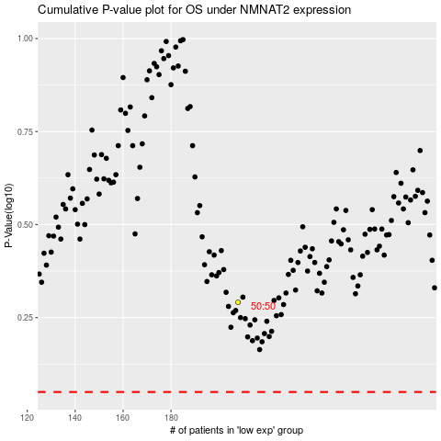

 |  |  |  |  |  | cases_OS | p_OS | rank | exp
 |  |  |  |  |  |  | cases_RFS | p_RFS | rank | exp

