NMNAT3 _multivariate
Reported by Tex Li-Hsing Chi. tex@gate.sinica.edu.tw 2019-08-17

Table 2. The clinicopathological features of HNSCC cohort and NMNAT3 expression. (Chi square test)
Cutoff at -0.351 (49.8%)
 |  | NMNAT3 expression |  | NMNAT3 expression |  | (Optimised)
 | Features | Low | (%) | High | (%) | Case no | P-value | Remark | Matthews
Gender | Female | 138 | 33.3 | 168 | 40.5 | 415 | 0.0016 | 1 | 0
2 | Male | 69 | 16.6 | 40 | 9.6
Age at diagnosis | <=65y | 134 | 32.3 | 140 | 33.7 | 415 | 0.6529 | 0 | 0
4 | >65y | 73 | 17.6 | 68 | 16.4
Clinical T Status | T1+T2 | 79 | 19 | 70 | 16.9 | 415 | 0.3924 | 0 | 0
6 | T3+T4 | 128 | 30.8 | 138 | 33.3
Clinical N Status | N0 | 110 | 26.5 | 106 | 25.5 | 415 | 0.7294 | 0 | 0
8 | N1-3 | 97 | 23.4 | 102 | 24.6
Clinical M Status | M0 | 206 | 49.6 | 206 | 49.6 | 415 | 1 | 0 | 0
10 | M1 | 1 | 0.2 | 2 | 0.5
Clinical Stage | Stage I+II | 64 | 15.4 | 38 | 9.2 | 415 | 0.004 | 1 | 0
12 | Stage III+IV | 143 | 34.5 | 170 | 41
Surgical Margin status | Negative | 163 | 39.3 | 155 | 37.3 | 415 | 0.3537 | 0 | 0
14 | Positive | 44 | 10.6 | 53 | 12.8
Tobacco Exposure | Low | 98 | 23.6 | 63 | 15.2 | 415 | 4e-04 | 1 | 0
16 | High | 109 | 26.3 | 145 | 34.9

Table 3. Univariate/Multivariate Cox's proportional hazards regression analyses on OS time of NMNAT3 gene expression in HNSCC

 |  | Univariate |  |  |  | Multivariate
 | Features | HR | CI95%(L) | CI95%(H) | P-value | HR | CI95%(L) | CI95%(H) | P-value
1 | Female | 1 |  |  |  | 1
Gender | Male | 1.157 | 0.843 | 1.587 | 0.367 | 1.173 | 0.835 | 1.648 | 0.356
11 | <=65y | 1 |  |  |  | 1
Age at diagnosis | >65y | 1.329 | 0.99 | 1.784 | 0.058 | 1.394 | 1.026 | 1.895 | 0.034
12 | T1+T2 | 1 |  |  |  | 1
Clinical T Status | T3+T4 | 1.409 | 1.028 | 1.931 | 0.033 | 2.125 | 1.117 | 4.043 | 0.022
13 | N0 | 1 |  |  |  | 1
Clinical N Status | N1-3 | 1.185 | 0.89 | 1.577 | 0.246 | 1.219 | 0.852 | 1.743 | 0.278
14 | M0 | 1 |  |  |  | 1
Clinical M Status | M1 | 4.097 | 1.009 | 16.644 | 0.049 | 9.175 | 1.999 | 42.104 | 0.004
15 | Stage I+II | 1 |  |  |  | 1
Clinical Stage | Stage III+IV | 1.245 | 0.882 | 1.759 | 0.213 | 0.541 | 0.247 | 1.183 | 0.124
16 | Negative | 1 |  |  |  | 1
Surgical Margin status | Positive | 1.591 | 1.155 | 2.191 | 0.004 | 1.675 | 1.213 | 2.315 | 0.002
17 | Low | 1 |  |  |  | 1
Tobacco Exposure | High | 1.364 | 1.008 | 1.844 | 0.044 | 1.49 | 1.074 | 2.066 | 0.017
18 | Low | 1 |  |  |  | 1
RNAseq(z-score) | High | 0.912 | 0.685 | 1.215 | 0.53 | 0.881 | 0.646 | 1.201 | 0.422

Table 4. Univariate/Multivariate Cox's proportional hazards regression analyses on RFS time of NMNAT3 gene expression in HNSCC

 |  | Univariate |  |  |  | Multivariate
 | Features | HR | CI95%(L) | CI95%(H) | P-value | HR | CI95%(L) | CI95%(H) | P-value
1 | Female | 1 |  |  |  | 1
Gender | Male | 1.157 | 0.843 | 1.587 | 0.367 | 1.173 | 0.835 | 1.648 | 0.356
11 | <=65y | 1 |  |  |  | 1
Age at diagnosis | >65y | 1.329 | 0.99 | 1.784 | 0.058 | 1.394 | 1.026 | 1.895 | 0.034
12 | T1+T2 | 1 |  |  |  | 1
Clinical T Status | T3+T4 | 1.409 | 1.028 | 1.931 | 0.033 | 2.125 | 1.117 | 4.043 | 0.022
13 | N0 | 1 |  |  |  | 1
Clinical N Status | N1-3 | 1.185 | 0.89 | 1.577 | 0.246 | 1.219 | 0.852 | 1.743 | 0.278
14 | M0 | 1 |  |  |  | 1
Clinical M Status | M1 | 4.097 | 1.009 | 16.644 | 0.049 | 9.175 | 1.999 | 42.104 | 0.004
15 | Stage I+II | 1 |  |  |  | 1
Clinical Stage | Stage III+IV | 1.245 | 0.882 | 1.759 | 0.213 | 0.541 | 0.247 | 1.183 | 0.124
16 | Negative | 1 |  |  |  | 1
Surgical Margin status | Positive | 1.591 | 1.155 | 2.191 | 0.004 | 1.675 | 1.213 | 2.315 | 0.002
17 | Low | 1 |  |  |  | 1
Tobacco Exposure | High | 1.364 | 1.008 | 1.844 | 0.044 | 1.49 | 1.074 | 2.066 | 0.017
18 | Low | 1 |  |  |  | 1
RNAseq(z-score) | High | 0.912 | 0.685 | 1.215 | 0.53 | 0.881 | 0.646 | 1.201 | 0.422

Kaplan-Meier survival estimate: Cutoff at -0.351 (49.8%)



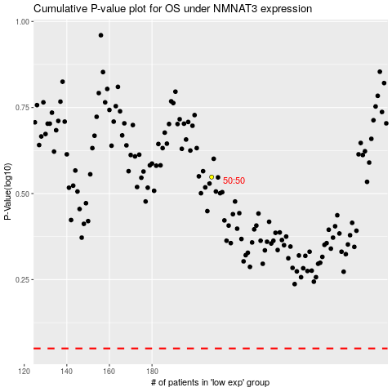

 |  |  |  |  |  | cases_OS | p_OS | rank | exp
 |  |  |  |  |  |  | cases_RFS | p_RFS | rank | exp

