NMRAL1 _multivariate
Reported by Tex Li-Hsing Chi. tex@gate.sinica.edu.tw 2019-08-17

Table 2. The clinicopathological features of HNSCC cohort and NMRAL1 expression. (Chi square test)
Cutoff at -0.179 (50.0%)
 |  | NMRAL1 expression |  | NMRAL1 expression |  | (Optimised)
 | Features | Low | (%) | High | (%) | Case no | P-value | Remark | Matthews
Gender | Female | 152 | 36.6 | 154 | 37.1 | 415 | 0.9766 | 0 | 0
2 | Male | 55 | 13.3 | 54 | 13
Age at diagnosis | <=65y | 132 | 31.8 | 142 | 34.2 | 415 | 0.3874 | 0 | 0
4 | >65y | 75 | 18.1 | 66 | 15.9
Clinical T Status | T1+T2 | 75 | 18.1 | 74 | 17.8 | 415 | 0.9707 | 0 | 0
6 | T3+T4 | 132 | 31.8 | 134 | 32.3
Clinical N Status | N0 | 100 | 24.1 | 116 | 28 | 415 | 0.1548 | 0 | 0
8 | N1-3 | 107 | 25.8 | 92 | 22.2
Clinical M Status | M0 | 206 | 49.6 | 206 | 49.6 | 415 | 1 | 0 | 0
10 | M1 | 1 | 0.2 | 2 | 0.5
Clinical Stage | Stage I+II | 50 | 12 | 52 | 12.5 | 415 | 0.9315 | 0 | 0
12 | Stage III+IV | 157 | 37.8 | 156 | 37.6
Surgical Margin status | Negative | 158 | 38.1 | 160 | 38.6 | 415 | 0.9081 | 0 | 0
14 | Positive | 49 | 11.8 | 48 | 11.6
Tobacco Exposure | Low | 80 | 19.3 | 81 | 19.5 | 415 | 1 | 0 | 0
16 | High | 127 | 30.6 | 127 | 30.6

Table 3. Univariate/Multivariate Cox's proportional hazards regression analyses on OS time of NMRAL1 gene expression in HNSCC

 |  | Univariate |  |  |  | Multivariate
 | Features | HR | CI95%(L) | CI95%(H) | P-value | HR | CI95%(L) | CI95%(H) | P-value
1 | Female | 1 |  |  |  | 1
Gender | Male | 1.157 | 0.843 | 1.587 | 0.367 | 1.218 | 0.869 | 1.706 | 0.252
11 | <=65y | 1 |  |  |  | 1
Age at diagnosis | >65y | 1.329 | 0.99 | 1.784 | 0.058 | 1.374 | 1.007 | 1.874 | 0.045
12 | T1+T2 | 1 |  |  |  | 1
Clinical T Status | T3+T4 | 1.409 | 1.028 | 1.931 | 0.033 | 2.198 | 1.162 | 4.158 | 0.015
13 | N0 | 1 |  |  |  | 1
Clinical N Status | N1-3 | 1.185 | 0.89 | 1.577 | 0.246 | 1.224 | 0.855 | 1.752 | 0.269
14 | M0 | 1 |  |  |  | 1
Clinical M Status | M1 | 4.097 | 1.009 | 16.644 | 0.049 | 9.7 | 2.108 | 44.646 | 0.004
15 | Stage I+II | 1 |  |  |  | 1
Clinical Stage | Stage III+IV | 1.245 | 0.882 | 1.759 | 0.213 | 0.509 | 0.237 | 1.094 | 0.084
16 | Negative | 1 |  |  |  | 1
Surgical Margin status | Positive | 1.591 | 1.155 | 2.191 | 0.004 | 1.683 | 1.217 | 2.328 | 0.002
17 | Low | 1 |  |  |  | 1
Tobacco Exposure | High | 1.364 | 1.008 | 1.844 | 0.044 | 1.451 | 1.053 | 1.998 | 0.023
18 | Low | 1 |  |  |  | 1
RNAseq(z-score) | High | 0.928 | 0.697 | 1.235 | 0.608 | 0.921 | 0.686 | 1.237 | 0.584

Table 4. Univariate/Multivariate Cox's proportional hazards regression analyses on RFS time of NMRAL1 gene expression in HNSCC

 |  | Univariate |  |  |  | Multivariate
 | Features | HR | CI95%(L) | CI95%(H) | P-value | HR | CI95%(L) | CI95%(H) | P-value
1 | Female | 1 |  |  |  | 1
Gender | Male | 1.157 | 0.843 | 1.587 | 0.367 | 1.218 | 0.869 | 1.706 | 0.252
11 | <=65y | 1 |  |  |  | 1
Age at diagnosis | >65y | 1.329 | 0.99 | 1.784 | 0.058 | 1.374 | 1.007 | 1.874 | 0.045
12 | T1+T2 | 1 |  |  |  | 1
Clinical T Status | T3+T4 | 1.409 | 1.028 | 1.931 | 0.033 | 2.198 | 1.162 | 4.158 | 0.015
13 | N0 | 1 |  |  |  | 1
Clinical N Status | N1-3 | 1.185 | 0.89 | 1.577 | 0.246 | 1.224 | 0.855 | 1.752 | 0.269
14 | M0 | 1 |  |  |  | 1
Clinical M Status | M1 | 4.097 | 1.009 | 16.644 | 0.049 | 9.7 | 2.108 | 44.646 | 0.004
15 | Stage I+II | 1 |  |  |  | 1
Clinical Stage | Stage III+IV | 1.245 | 0.882 | 1.759 | 0.213 | 0.509 | 0.237 | 1.094 | 0.084
16 | Negative | 1 |  |  |  | 1
Surgical Margin status | Positive | 1.591 | 1.155 | 2.191 | 0.004 | 1.683 | 1.217 | 2.328 | 0.002
17 | Low | 1 |  |  |  | 1
Tobacco Exposure | High | 1.364 | 1.008 | 1.844 | 0.044 | 1.451 | 1.053 | 1.998 | 0.023
18 | Low | 1 |  |  |  | 1
RNAseq(z-score) | High | 0.928 | 0.697 | 1.235 | 0.608 | 0.921 | 0.686 | 1.237 | 0.584

Kaplan-Meier survival estimate: Cutoff at -0.179 (50.0%)



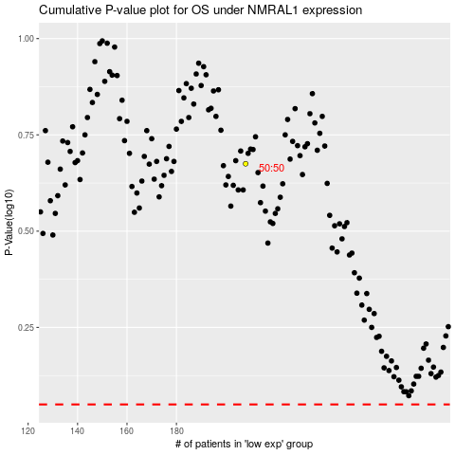

 |  |  |  |  |  | cases_OS | p_OS | rank | exp
 |  |  |  |  |  |  | cases_RFS | p_RFS | rank | exp

