NMT1 _multivariate
Reported by Tex Li-Hsing Chi. tex@gate.sinica.edu.tw 2019-08-17

Table 2. The clinicopathological features of HNSCC cohort and NMT1 expression. (Chi square test)
Cutoff at -0.052 (49.8%)
 |  | NMT1 expression |  | NMT1 expression |  | (Optimised)
 | Features | Low | (%) | High | (%) | Case no | P-value | Remark | Matthews
Gender | Female | 155 | 37.3 | 151 | 36.4 | 415 | 0.6768 | 0 | 0
2 | Male | 52 | 12.5 | 57 | 13.7
Age at diagnosis | <=65y | 138 | 33.3 | 136 | 32.8 | 415 | 0.8634 | 0 | 0
4 | >65y | 69 | 16.6 | 72 | 17.3
Clinical T Status | T1+T2 | 63 | 15.2 | 86 | 20.7 | 415 | 0.0268 | 1 | 0
6 | T3+T4 | 144 | 34.7 | 122 | 29.4
Clinical N Status | N0 | 105 | 25.3 | 111 | 26.7 | 415 | 0.6598 | 0 | 0
8 | N1-3 | 102 | 24.6 | 97 | 23.4
Clinical M Status | M0 | 207 | 49.9 | 205 | 49.4 | 415 | 0.2482 | 0 | 0
10 | M1 | 0 | 0 | 3 | 0.7
Clinical Stage | Stage I+II | 39 | 9.4 | 63 | 15.2 | 415 | 0.0095 | 1 | 0
12 | Stage III+IV | 168 | 40.5 | 145 | 34.9
Surgical Margin status | Negative | 155 | 37.3 | 163 | 39.3 | 415 | 0.4187 | 0 | 0
14 | Positive | 52 | 12.5 | 45 | 10.8
Tobacco Exposure | Low | 82 | 19.8 | 79 | 19 | 415 | 0.763 | 0 | 0
16 | High | 125 | 30.1 | 129 | 31.1

Table 3. Univariate/Multivariate Cox's proportional hazards regression analyses on OS time of NMT1 gene expression in HNSCC

 |  | Univariate |  |  |  | Multivariate
 | Features | HR | CI95%(L) | CI95%(H) | P-value | HR | CI95%(L) | CI95%(H) | P-value
1 | Female | 1 |  |  |  | 1
Gender | Male | 1.157 | 0.843 | 1.587 | 0.367 | 1.203 | 0.861 | 1.68 | 0.28
11 | <=65y | 1 |  |  |  | 1
Age at diagnosis | >65y | 1.329 | 0.99 | 1.784 | 0.058 | 1.392 | 1.024 | 1.892 | 0.035
12 | T1+T2 | 1 |  |  |  | 1
Clinical T Status | T3+T4 | 1.409 | 1.028 | 1.931 | 0.033 | 2.201 | 1.164 | 4.163 | 0.015
13 | N0 | 1 |  |  |  | 1
Clinical N Status | N1-3 | 1.185 | 0.89 | 1.577 | 0.246 | 1.237 | 0.867 | 1.765 | 0.242
14 | M0 | 1 |  |  |  | 1
Clinical M Status | M1 | 4.097 | 1.009 | 16.644 | 0.049 | 9.086 | 1.968 | 41.945 | 0.005
15 | Stage I+II | 1 |  |  |  | 1
Clinical Stage | Stage III+IV | 1.245 | 0.882 | 1.759 | 0.213 | 0.511 | 0.238 | 1.098 | 0.086
16 | Negative | 1 |  |  |  | 1
Surgical Margin status | Positive | 1.591 | 1.155 | 2.191 | 0.004 | 1.671 | 1.209 | 2.308 | 0.002
17 | Low | 1 |  |  |  | 1
Tobacco Exposure | High | 1.364 | 1.008 | 1.844 | 0.044 | 1.448 | 1.05 | 1.997 | 0.024
18 | Low | 1 |  |  |  | 1
RNAseq(z-score) | High | 1.092 | 0.82 | 1.454 | 0.549 | 1.07 | 0.8 | 1.43 | 0.65

Table 4. Univariate/Multivariate Cox's proportional hazards regression analyses on RFS time of NMT1 gene expression in HNSCC

 |  | Univariate |  |  |  | Multivariate
 | Features | HR | CI95%(L) | CI95%(H) | P-value | HR | CI95%(L) | CI95%(H) | P-value
1 | Female | 1 |  |  |  | 1
Gender | Male | 1.157 | 0.843 | 1.587 | 0.367 | 1.203 | 0.861 | 1.68 | 0.28
11 | <=65y | 1 |  |  |  | 1
Age at diagnosis | >65y | 1.329 | 0.99 | 1.784 | 0.058 | 1.392 | 1.024 | 1.892 | 0.035
12 | T1+T2 | 1 |  |  |  | 1
Clinical T Status | T3+T4 | 1.409 | 1.028 | 1.931 | 0.033 | 2.201 | 1.164 | 4.163 | 0.015
13 | N0 | 1 |  |  |  | 1
Clinical N Status | N1-3 | 1.185 | 0.89 | 1.577 | 0.246 | 1.237 | 0.867 | 1.765 | 0.242
14 | M0 | 1 |  |  |  | 1
Clinical M Status | M1 | 4.097 | 1.009 | 16.644 | 0.049 | 9.086 | 1.968 | 41.945 | 0.005
15 | Stage I+II | 1 |  |  |  | 1
Clinical Stage | Stage III+IV | 1.245 | 0.882 | 1.759 | 0.213 | 0.511 | 0.238 | 1.098 | 0.086
16 | Negative | 1 |  |  |  | 1
Surgical Margin status | Positive | 1.591 | 1.155 | 2.191 | 0.004 | 1.671 | 1.209 | 2.308 | 0.002
17 | Low | 1 |  |  |  | 1
Tobacco Exposure | High | 1.364 | 1.008 | 1.844 | 0.044 | 1.448 | 1.05 | 1.997 | 0.024
18 | Low | 1 |  |  |  | 1
RNAseq(z-score) | High | 1.092 | 0.82 | 1.454 | 0.549 | 1.07 | 0.8 | 1.43 | 0.65

Kaplan-Meier survival estimate: Cutoff at -0.052 (49.8%)



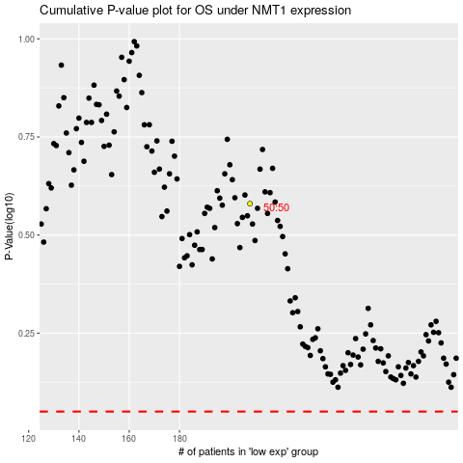

 |  |  |  |  |  | cases_OS | p_OS | rank | exp
 |  |  |  |  |  |  | cases_RFS | p_RFS | rank | exp

