NMU _multivariate
Reported by Tex Li-Hsing Chi. tex@gate.sinica.edu.tw 2019-08-17

Table 2. The clinicopathological features of HNSCC cohort and NMU expression. (Chi square test)
Cutoff at -0.295 (50.0%)
 |  | NMU expression |  | NMU expression |  | (Optimised)
 | Features | Low | (%) | High | (%) | Case no | P-value | Remark | Matthews
Gender | Female | 152 | 36.6 | 154 | 37.1 | 415 | 0.9766 | 0 | 0
2 | Male | 55 | 13.3 | 54 | 13
Age at diagnosis | <=65y | 137 | 33 | 137 | 33 | 415 | 1 | 0 | 0
4 | >65y | 70 | 16.9 | 71 | 17.1
Clinical T Status | T1+T2 | 69 | 16.6 | 80 | 19.3 | 415 | 0.3239 | 0 | 0
6 | T3+T4 | 138 | 33.3 | 128 | 30.8
Clinical N Status | N0 | 110 | 26.5 | 106 | 25.5 | 415 | 0.7294 | 0 | 0
8 | N1-3 | 97 | 23.4 | 102 | 24.6
Clinical M Status | M0 | 205 | 49.4 | 207 | 49.9 | 415 | 0.6232 | 0 | 0
10 | M1 | 2 | 0.5 | 1 | 0.2
Clinical Stage | Stage I+II | 52 | 12.5 | 50 | 12 | 415 | 0.8871 | 0 | 0
12 | Stage III+IV | 155 | 37.3 | 158 | 38.1
Surgical Margin status | Negative | 160 | 38.6 | 158 | 38.1 | 415 | 0.8167 | 0 | 0
14 | Positive | 47 | 11.3 | 50 | 12
Tobacco Exposure | Low | 88 | 21.2 | 73 | 17.6 | 415 | 0.1314 | 0 | 0
16 | High | 119 | 28.7 | 135 | 32.5

Table 3. Univariate/Multivariate Cox's proportional hazards regression analyses on OS time of NMU gene expression in HNSCC

 |  | Univariate |  |  |  | Multivariate
 | Features | HR | CI95%(L) | CI95%(H) | P-value | HR | CI95%(L) | CI95%(H) | P-value
1 | Female | 1 |  |  |  | 1
Gender | Male | 1.157 | 0.843 | 1.587 | 0.367 | 1.222 | 0.874 | 1.708 | 0.241
11 | <=65y | 1 |  |  |  | 1
Age at diagnosis | >65y | 1.329 | 0.99 | 1.784 | 0.058 | 1.401 | 1.031 | 1.903 | 0.031
12 | T1+T2 | 1 |  |  |  | 1
Clinical T Status | T3+T4 | 1.409 | 1.028 | 1.931 | 0.033 | 2.086 | 1.101 | 3.955 | 0.024
13 | N0 | 1 |  |  |  | 1
Clinical N Status | N1-3 | 1.185 | 0.89 | 1.577 | 0.246 | 1.253 | 0.878 | 1.788 | 0.214
14 | M0 | 1 |  |  |  | 1
Clinical M Status | M1 | 4.097 | 1.009 | 16.644 | 0.049 | 8.727 | 1.899 | 40.106 | 0.005
15 | Stage I+II | 1 |  |  |  | 1
Clinical Stage | Stage III+IV | 1.245 | 0.882 | 1.759 | 0.213 | 0.535 | 0.249 | 1.152 | 0.11
16 | Negative | 1 |  |  |  | 1
Surgical Margin status | Positive | 1.591 | 1.155 | 2.191 | 0.004 | 1.706 | 1.234 | 2.36 | 0.001
17 | Low | 1 |  |  |  | 1
Tobacco Exposure | High | 1.364 | 1.008 | 1.844 | 0.044 | 1.503 | 1.088 | 2.076 | 0.014
18 | Low | 1 |  |  |  | 1
RNAseq(z-score) | High | 0.831 | 0.623 | 1.108 | 0.207 | 0.78 | 0.581 | 1.047 | 0.099

Table 4. Univariate/Multivariate Cox's proportional hazards regression analyses on RFS time of NMU gene expression in HNSCC

 |  | Univariate |  |  |  | Multivariate
 | Features | HR | CI95%(L) | CI95%(H) | P-value | HR | CI95%(L) | CI95%(H) | P-value
1 | Female | 1 |  |  |  | 1
Gender | Male | 1.157 | 0.843 | 1.587 | 0.367 | 1.222 | 0.874 | 1.708 | 0.241
11 | <=65y | 1 |  |  |  | 1
Age at diagnosis | >65y | 1.329 | 0.99 | 1.784 | 0.058 | 1.401 | 1.031 | 1.903 | 0.031
12 | T1+T2 | 1 |  |  |  | 1
Clinical T Status | T3+T4 | 1.409 | 1.028 | 1.931 | 0.033 | 2.086 | 1.101 | 3.955 | 0.024
13 | N0 | 1 |  |  |  | 1
Clinical N Status | N1-3 | 1.185 | 0.89 | 1.577 | 0.246 | 1.253 | 0.878 | 1.788 | 0.214
14 | M0 | 1 |  |  |  | 1
Clinical M Status | M1 | 4.097 | 1.009 | 16.644 | 0.049 | 8.727 | 1.899 | 40.106 | 0.005
15 | Stage I+II | 1 |  |  |  | 1
Clinical Stage | Stage III+IV | 1.245 | 0.882 | 1.759 | 0.213 | 0.535 | 0.249 | 1.152 | 0.11
16 | Negative | 1 |  |  |  | 1
Surgical Margin status | Positive | 1.591 | 1.155 | 2.191 | 0.004 | 1.706 | 1.234 | 2.36 | 0.001
17 | Low | 1 |  |  |  | 1
Tobacco Exposure | High | 1.364 | 1.008 | 1.844 | 0.044 | 1.503 | 1.088 | 2.076 | 0.014
18 | Low | 1 |  |  |  | 1
RNAseq(z-score) | High | 0.831 | 0.623 | 1.108 | 0.207 | 0.78 | 0.581 | 1.047 | 0.099

Kaplan-Meier survival estimate: Cutoff at -0.295 (50.0%)



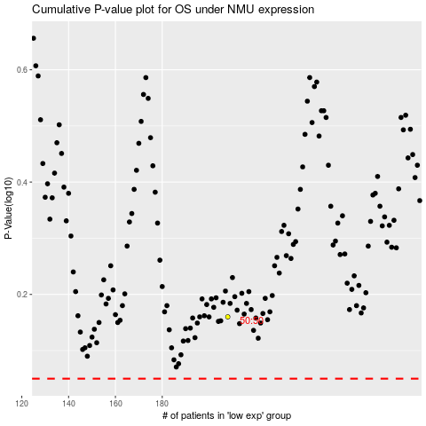

 |  |  |  |  |  | cases_OS | p_OS | rank | exp
 |  |  |  |  |  |  | cases_RFS | p_RFS | rank | exp

