NNAT _multivariate
Reported by Tex Li-Hsing Chi. tex@gate.sinica.edu.tw 2019-08-17

Table 2. The clinicopathological features of HNSCC cohort and NNAT expression. (Chi square test)
Cutoff at -0.219 (50.0%)
 |  | NNAT expression |  | NNAT expression |  | (Optimised)
 | Features | Low | (%) | High | (%) | Case no | P-value | Remark | Matthews
Gender | Female | 148 | 35.7 | 158 | 38.1 | 415 | 0.3567 | 0 | 0
2 | Male | 59 | 14.2 | 50 | 12
Age at diagnosis | <=65y | 126 | 30.4 | 148 | 35.7 | 415 | 0.035 | 1 | 0
4 | >65y | 81 | 19.5 | 60 | 14.5
Clinical T Status | T1+T2 | 64 | 15.4 | 85 | 20.5 | 415 | 0.0445 | 1 | 0
6 | T3+T4 | 143 | 34.5 | 123 | 29.6
Clinical N Status | N0 | 113 | 27.2 | 103 | 24.8 | 415 | 0.3495 | 1 | 0
8 | N1-3 | 94 | 22.7 | 105 | 25.3
Clinical M Status | M0 | 205 | 49.4 | 207 | 49.9 | 415 | 0.6232 | 0 | 0
10 | M1 | 2 | 0.5 | 1 | 0.2
Clinical Stage | Stage I+II | 43 | 10.4 | 59 | 14.2 | 415 | 0.0925 | 0 | 0
12 | Stage III+IV | 164 | 39.5 | 149 | 35.9
Surgical Margin status | Negative | 159 | 38.3 | 159 | 38.3 | 415 | 1 | 0 | 0
14 | Positive | 48 | 11.6 | 49 | 11.8
Tobacco Exposure | Low | 80 | 19.3 | 81 | 19.5 | 415 | 1 | 0 | 0
16 | High | 127 | 30.6 | 127 | 30.6

Table 3. Univariate/Multivariate Cox's proportional hazards regression analyses on OS time of NNAT gene expression in HNSCC

 |  | Univariate |  |  |  | Multivariate
 | Features | HR | CI95%(L) | CI95%(H) | P-value | HR | CI95%(L) | CI95%(H) | P-value
1 | Female | 1 |  |  |  | 1
Gender | Male | 1.157 | 0.843 | 1.587 | 0.367 | 1.202 | 0.86 | 1.678 | 0.281
11 | <=65y | 1 |  |  |  | 1
Age at diagnosis | >65y | 1.329 | 0.99 | 1.784 | 0.058 | 1.382 | 1.016 | 1.88 | 0.039
12 | T1+T2 | 1 |  |  |  | 1
Clinical T Status | T3+T4 | 1.409 | 1.028 | 1.931 | 0.033 | 2.187 | 1.157 | 4.135 | 0.016
13 | N0 | 1 |  |  |  | 1
Clinical N Status | N1-3 | 1.185 | 0.89 | 1.577 | 0.246 | 1.254 | 0.878 | 1.79 | 0.213
14 | M0 | 1 |  |  |  | 1
Clinical M Status | M1 | 4.097 | 1.009 | 16.644 | 0.049 | 9.003 | 1.957 | 41.41 | 0.005
15 | Stage I+II | 1 |  |  |  | 1
Clinical Stage | Stage III+IV | 1.245 | 0.882 | 1.759 | 0.213 | 0.498 | 0.232 | 1.07 | 0.074
16 | Negative | 1 |  |  |  | 1
Surgical Margin status | Positive | 1.591 | 1.155 | 2.191 | 0.004 | 1.671 | 1.209 | 2.309 | 0.002
17 | Low | 1 |  |  |  | 1
Tobacco Exposure | High | 1.364 | 1.008 | 1.844 | 0.044 | 1.462 | 1.06 | 2.017 | 0.021
18 | Low | 1 |  |  |  | 1
RNAseq(z-score) | High | 0.848 | 0.636 | 1.13 | 0.261 | 0.882 | 0.66 | 1.18 | 0.398

Table 4. Univariate/Multivariate Cox's proportional hazards regression analyses on RFS time of NNAT gene expression in HNSCC

 |  | Univariate |  |  |  | Multivariate
 | Features | HR | CI95%(L) | CI95%(H) | P-value | HR | CI95%(L) | CI95%(H) | P-value
1 | Female | 1 |  |  |  | 1
Gender | Male | 1.157 | 0.843 | 1.587 | 0.367 | 1.202 | 0.86 | 1.678 | 0.281
11 | <=65y | 1 |  |  |  | 1
Age at diagnosis | >65y | 1.329 | 0.99 | 1.784 | 0.058 | 1.382 | 1.016 | 1.88 | 0.039
12 | T1+T2 | 1 |  |  |  | 1
Clinical T Status | T3+T4 | 1.409 | 1.028 | 1.931 | 0.033 | 2.187 | 1.157 | 4.135 | 0.016
13 | N0 | 1 |  |  |  | 1
Clinical N Status | N1-3 | 1.185 | 0.89 | 1.577 | 0.246 | 1.254 | 0.878 | 1.79 | 0.213
14 | M0 | 1 |  |  |  | 1
Clinical M Status | M1 | 4.097 | 1.009 | 16.644 | 0.049 | 9.003 | 1.957 | 41.41 | 0.005
15 | Stage I+II | 1 |  |  |  | 1
Clinical Stage | Stage III+IV | 1.245 | 0.882 | 1.759 | 0.213 | 0.498 | 0.232 | 1.07 | 0.074
16 | Negative | 1 |  |  |  | 1
Surgical Margin status | Positive | 1.591 | 1.155 | 2.191 | 0.004 | 1.671 | 1.209 | 2.309 | 0.002
17 | Low | 1 |  |  |  | 1
Tobacco Exposure | High | 1.364 | 1.008 | 1.844 | 0.044 | 1.462 | 1.06 | 2.017 | 0.021
18 | Low | 1 |  |  |  | 1
RNAseq(z-score) | High | 0.848 | 0.636 | 1.13 | 0.261 | 0.882 | 0.66 | 1.18 | 0.398

Kaplan-Meier survival estimate: Cutoff at -0.219 (50.0%)



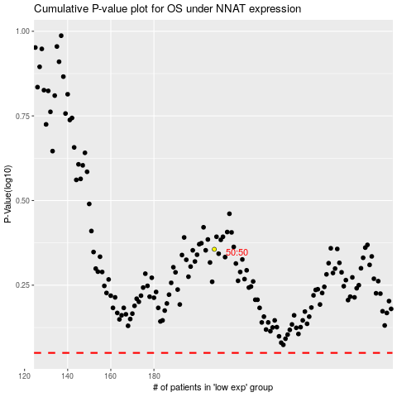

 |  |  |  |  |  | cases_OS | p_OS | rank | exp
 |  |  |  |  |  |  | cases_RFS | p_RFS | rank | exp

