NOC4L _multivariate
Reported by Tex Li-Hsing Chi. tex@gate.sinica.edu.tw 2019-08-17

Table 2. The clinicopathological features of HNSCC cohort and NOC4L expression. (Chi square test)
Cutoff at -0.329 (40.6%)
 |  | NOC4L expression |  | NOC4L expression |  | (Optimised)
 | Features | Low | (%) | High | (%) | Case no | P-value | Remark | Matthews
Gender | Female | 120 | 28.9 | 186 | 44.8 | 415 | 0.3505 | 0 | 0
2 | Male | 49 | 11.8 | 60 | 14.5
Age at diagnosis | <=65y | 108 | 26 | 166 | 40 | 415 | 0.5158 | 0 | 0
4 | >65y | 61 | 14.7 | 80 | 19.3
Clinical T Status | T1+T2 | 64 | 15.4 | 85 | 20.5 | 415 | 0.5566 | 0 | 0
6 | T3+T4 | 105 | 25.3 | 161 | 38.8
Clinical N Status | N0 | 92 | 22.2 | 124 | 29.9 | 415 | 0.4791 | 0 | 0
8 | N1-3 | 77 | 18.6 | 122 | 29.4
Clinical M Status | M0 | 169 | 40.7 | 243 | 58.6 | 415 | 0.2741 | 0 | 0
10 | M1 | 0 | 0 | 3 | 0.7
Clinical Stage | Stage I+II | 43 | 10.4 | 59 | 14.2 | 415 | 0.8232 | 0 | 0
12 | Stage III+IV | 126 | 30.4 | 187 | 45.1
Surgical Margin status | Negative | 128 | 30.8 | 190 | 45.8 | 415 | 0.7249 | 0 | 0
14 | Positive | 41 | 9.9 | 56 | 13.5
Tobacco Exposure | Low | 65 | 15.7 | 96 | 23.1 | 415 | 0.9187 | 0 | 0
16 | High | 104 | 25.1 | 150 | 36.1

Table 3. Univariate/Multivariate Cox's proportional hazards regression analyses on OS time of NOC4L gene expression in HNSCC

 |  | Univariate |  |  |  | Multivariate
 | Features | HR | CI95%(L) | CI95%(H) | P-value | HR | CI95%(L) | CI95%(H) | P-value
1 | Female | 1 |  |  |  | 1
Gender | Male | 1.157 | 0.843 | 1.587 | 0.367 | 1.219 | 0.871 | 1.706 | 0.248
11 | <=65y | 1 |  |  |  | 1
Age at diagnosis | >65y | 1.329 | 0.99 | 1.784 | 0.058 | 1.394 | 1.025 | 1.896 | 0.034
12 | T1+T2 | 1 |  |  |  | 1
Clinical T Status | T3+T4 | 1.409 | 1.028 | 1.931 | 0.033 | 2.135 | 1.128 | 4.039 | 0.02
13 | N0 | 1 |  |  |  | 1
Clinical N Status | N1-3 | 1.185 | 0.89 | 1.577 | 0.246 | 1.214 | 0.85 | 1.734 | 0.286
14 | M0 | 1 |  |  |  | 1
Clinical M Status | M1 | 4.097 | 1.009 | 16.644 | 0.049 | 8.384 | 1.819 | 38.641 | 0.006
15 | Stage I+II | 1 |  |  |  | 1
Clinical Stage | Stage III+IV | 1.245 | 0.882 | 1.759 | 0.213 | 0.527 | 0.245 | 1.132 | 0.101
16 | Negative | 1 |  |  |  | 1
Surgical Margin status | Positive | 1.591 | 1.155 | 2.191 | 0.004 | 1.657 | 1.199 | 2.288 | 0.002
17 | Low | 1 |  |  |  | 1
Tobacco Exposure | High | 1.364 | 1.008 | 1.844 | 0.044 | 1.482 | 1.074 | 2.046 | 0.017
18 | Low | 1 |  |  |  | 1
RNAseq(z-score) | High | 1.347 | 1 | 1.814 | 0.05 | 1.293 | 0.957 | 1.748 | 0.094

Table 4. Univariate/Multivariate Cox's proportional hazards regression analyses on RFS time of NOC4L gene expression in HNSCC

 |  | Univariate |  |  |  | Multivariate
 | Features | HR | CI95%(L) | CI95%(H) | P-value | HR | CI95%(L) | CI95%(H) | P-value
1 | Female | 1 |  |  |  | 1
Gender | Male | 1.157 | 0.843 | 1.587 | 0.367 | 1.219 | 0.871 | 1.706 | 0.248
11 | <=65y | 1 |  |  |  | 1
Age at diagnosis | >65y | 1.329 | 0.99 | 1.784 | 0.058 | 1.394 | 1.025 | 1.896 | 0.034
12 | T1+T2 | 1 |  |  |  | 1
Clinical T Status | T3+T4 | 1.409 | 1.028 | 1.931 | 0.033 | 2.135 | 1.128 | 4.039 | 0.02
13 | N0 | 1 |  |  |  | 1
Clinical N Status | N1-3 | 1.185 | 0.89 | 1.577 | 0.246 | 1.214 | 0.85 | 1.734 | 0.286
14 | M0 | 1 |  |  |  | 1
Clinical M Status | M1 | 4.097 | 1.009 | 16.644 | 0.049 | 8.384 | 1.819 | 38.641 | 0.006
15 | Stage I+II | 1 |  |  |  | 1
Clinical Stage | Stage III+IV | 1.245 | 0.882 | 1.759 | 0.213 | 0.527 | 0.245 | 1.132 | 0.101
16 | Negative | 1 |  |  |  | 1
Surgical Margin status | Positive | 1.591 | 1.155 | 2.191 | 0.004 | 1.657 | 1.199 | 2.288 | 0.002
17 | Low | 1 |  |  |  | 1
Tobacco Exposure | High | 1.364 | 1.008 | 1.844 | 0.044 | 1.482 | 1.074 | 2.046 | 0.017
18 | Low | 1 |  |  |  | 1
RNAseq(z-score) | High | 1.347 | 1 | 1.814 | 0.05 | 1.293 | 0.957 | 1.748 | 0.094

Kaplan-Meier survival estimate: Cutoff at -0.329 (40.6%)



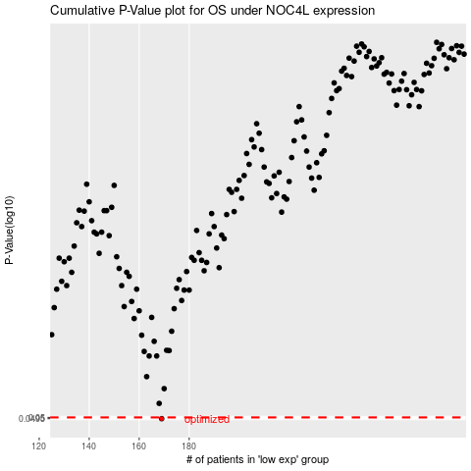

 |  |  |  |  |  | cases_OS | p_OS | rank | exp
 |  |  |  |  |  | 169 | 0.0495 | 65 | -0.32879929584
 |  |  |  |  |  |  | cases_RFS | p_RFS | rank | exp
 |  |  |  |  |  |  | 168 | 0.0495 | 383 | -0.32963442708

