NOG _multivariate
Reported by Tex Li-Hsing Chi. tex@gate.sinica.edu.tw 2019-08-17

Table 2. The clinicopathological features of HNSCC cohort and NOG expression. (Chi square test)
Cutoff at -0.144 (31.6%)
 |  | NOG expression |  | NOG expression |  | (Optimised)
 | Features | Low | (%) | High | (%) | Case no | P-value | Remark | Matthews
Gender | Female | 98 | 23.6 | 208 | 50.1 | 415 | 0.8276 | 0 | 0
2 | Male | 33 | 8 | 76 | 18.3
Age at diagnosis | <=65y | 78 | 18.8 | 196 | 47.2 | 415 | 0.0747 | 0 | 0
4 | >65y | 53 | 12.8 | 88 | 21.2
Clinical T Status | T1+T2 | 46 | 11.1 | 103 | 24.8 | 415 | 0.9065 | 0 | 0
6 | T3+T4 | 85 | 20.5 | 181 | 43.6
Clinical N Status | N0 | 74 | 17.8 | 142 | 34.2 | 415 | 0.261 | 0 | 0
8 | N1-3 | 57 | 13.7 | 142 | 34.2
Clinical M Status | M0 | 129 | 31.1 | 283 | 68.2 | 415 | 0.2354 | 0 | 0
10 | M1 | 2 | 0.5 | 1 | 0.2
Clinical Stage | Stage I+II | 30 | 7.2 | 72 | 17.3 | 415 | 0.6771 | 0 | 0
12 | Stage III+IV | 101 | 24.3 | 212 | 51.1
Surgical Margin status | Negative | 102 | 24.6 | 216 | 52 | 415 | 0.7102 | 0 | 0
14 | Positive | 29 | 7 | 68 | 16.4
Tobacco Exposure | Low | 46 | 11.1 | 115 | 27.7 | 415 | 0.3299 | 0 | 0
16 | High | 85 | 20.5 | 169 | 40.7

Table 3. Univariate/Multivariate Cox's proportional hazards regression analyses on OS time of NOG gene expression in HNSCC

 |  | Univariate |  |  |  | Multivariate
 | Features | HR | CI95%(L) | CI95%(H) | P-value | HR | CI95%(L) | CI95%(H) | P-value
1 | Female | 1 |  |  |  | 1
Gender | Male | 1.157 | 0.843 | 1.587 | 0.367 | 1.202 | 0.863 | 1.675 | 0.277
11 | <=65y | 1 |  |  |  | 1
Age at diagnosis | >65y | 1.329 | 0.99 | 1.784 | 0.058 | 1.495 | 1.093 | 2.044 | 0.012
12 | T1+T2 | 1 |  |  |  | 1
Clinical T Status | T3+T4 | 1.409 | 1.028 | 1.931 | 0.033 | 2.126 | 1.124 | 4.023 | 0.02
13 | N0 | 1 |  |  |  | 1
Clinical N Status | N1-3 | 1.185 | 0.89 | 1.577 | 0.246 | 1.209 | 0.846 | 1.727 | 0.297
14 | M0 | 1 |  |  |  | 1
Clinical M Status | M1 | 4.097 | 1.009 | 16.644 | 0.049 | 10.206 | 2.222 | 46.874 | 0.003
15 | Stage I+II | 1 |  |  |  | 1
Clinical Stage | Stage III+IV | 1.245 | 0.882 | 1.759 | 0.213 | 0.534 | 0.248 | 1.147 | 0.108
16 | Negative | 1 |  |  |  | 1
Surgical Margin status | Positive | 1.591 | 1.155 | 2.191 | 0.004 | 1.613 | 1.167 | 2.231 | 0.004
17 | Low | 1 |  |  |  | 1
Tobacco Exposure | High | 1.364 | 1.008 | 1.844 | 0.044 | 1.471 | 1.069 | 2.023 | 0.018
18 | Low | 1 |  |  |  | 1
RNAseq(z-score) | High | 1.405 | 1.016 | 1.942 | 0.04 | 1.461 | 1.047 | 2.038 | 0.026

Table 4. Univariate/Multivariate Cox's proportional hazards regression analyses on RFS time of NOG gene expression in HNSCC

 |  | Univariate |  |  |  | Multivariate
 | Features | HR | CI95%(L) | CI95%(H) | P-value | HR | CI95%(L) | CI95%(H) | P-value
1 | Female | 1 |  |  |  | 1
Gender | Male | 1.157 | 0.843 | 1.587 | 0.367 | 1.202 | 0.863 | 1.675 | 0.277
11 | <=65y | 1 |  |  |  | 1
Age at diagnosis | >65y | 1.329 | 0.99 | 1.784 | 0.058 | 1.495 | 1.093 | 2.044 | 0.012
12 | T1+T2 | 1 |  |  |  | 1
Clinical T Status | T3+T4 | 1.409 | 1.028 | 1.931 | 0.033 | 2.126 | 1.124 | 4.023 | 0.02
13 | N0 | 1 |  |  |  | 1
Clinical N Status | N1-3 | 1.185 | 0.89 | 1.577 | 0.246 | 1.209 | 0.846 | 1.727 | 0.297
14 | M0 | 1 |  |  |  | 1
Clinical M Status | M1 | 4.097 | 1.009 | 16.644 | 0.049 | 10.206 | 2.222 | 46.874 | 0.003
15 | Stage I+II | 1 |  |  |  | 1
Clinical Stage | Stage III+IV | 1.245 | 0.882 | 1.759 | 0.213 | 0.534 | 0.248 | 1.147 | 0.108
16 | Negative | 1 |  |  |  | 1
Surgical Margin status | Positive | 1.591 | 1.155 | 2.191 | 0.004 | 1.613 | 1.167 | 2.231 | 0.004
17 | Low | 1 |  |  |  | 1
Tobacco Exposure | High | 1.364 | 1.008 | 1.844 | 0.044 | 1.471 | 1.069 | 2.023 | 0.018
18 | Low | 1 |  |  |  | 1
RNAseq(z-score) | High | 1.405 | 1.016 | 1.942 | 0.04 | 1.461 | 1.047 | 2.038 | 0.026

Kaplan-Meier survival estimate: Cutoff at -0.144 (31.6%)



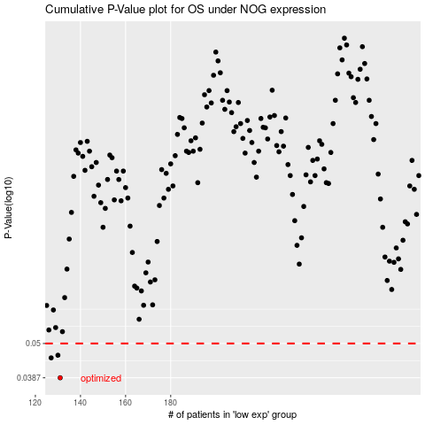

 |  |  |  |  |  | cases_OS | p_OS | rank | exp
 |  |  |  |  |  | 131 | 0.0387 | 201 | -0.1435769288
 |  |  |  |  |  | 127 | 0.0449 | 349 | -0.14444043112
 |  |  |  |  |  | 130 | 0.0458 | 334 | -0.14404401289
 |  |  |  |  |  |  | cases_RFS | p_RFS | rank | exp
 |  |  |  |  |  |  | 130 | 0.0387 | 334 | -0.14404401289
 |  |  |  |  |  |  | 126 | 0.0449 | 129 | -0.144534365
 |  |  |  |  |  |  | 129 | 0.0458 | 128 | -0.14411295519

