NOL12 _multivariate
Reported by Tex Li-Hsing Chi. tex@gate.sinica.edu.tw 2019-08-17

Table 2. The clinicopathological features of HNSCC cohort and NOL12 expression. (Chi square test)
Cutoff at -0.262 (49.8%)
 |  | NOL12 expression |  | NOL12 expression |  | (Optimised)
 | Features | Low | (%) | High | (%) | Case no | P-value | Remark | Matthews
Gender | Female | 145 | 34.9 | 161 | 38.8 | 415 | 0.1116 | 0 | 0
2 | Male | 62 | 14.9 | 47 | 11.3
Age at diagnosis | <=65y | 138 | 33.3 | 136 | 32.8 | 415 | 0.8634 | 0 | 0
4 | >65y | 69 | 16.6 | 72 | 17.3
Clinical T Status | T1+T2 | 74 | 17.8 | 75 | 18.1 | 415 | 1 | 0 | 0
6 | T3+T4 | 133 | 32 | 133 | 32
Clinical N Status | N0 | 104 | 25.1 | 112 | 27 | 415 | 0.5243 | 0 | 0
8 | N1-3 | 103 | 24.8 | 96 | 23.1
Clinical M Status | M0 | 207 | 49.9 | 205 | 49.4 | 415 | 0.2482 | 0 | 0
10 | M1 | 0 | 0 | 3 | 0.7
Clinical Stage | Stage I+II | 55 | 13.3 | 47 | 11.3 | 415 | 0.4087 | 0 | 0
12 | Stage III+IV | 152 | 36.6 | 161 | 38.8
Surgical Margin status | Negative | 166 | 40 | 152 | 36.6 | 415 | 0.1042 | 0 | 0
14 | Positive | 41 | 9.9 | 56 | 13.5
Tobacco Exposure | Low | 84 | 20.2 | 77 | 18.6 | 415 | 0.4816 | 0 | 0
16 | High | 123 | 29.6 | 131 | 31.6

Table 3. Univariate/Multivariate Cox's proportional hazards regression analyses on OS time of NOL12 gene expression in HNSCC

 |  | Univariate |  |  |  | Multivariate
 | Features | HR | CI95%(L) | CI95%(H) | P-value | HR | CI95%(L) | CI95%(H) | P-value
1 | Female | 1 |  |  |  | 1
Gender | Male | 1.157 | 0.843 | 1.587 | 0.367 | 1.197 | 0.857 | 1.671 | 0.292
11 | <=65y | 1 |  |  |  | 1
Age at diagnosis | >65y | 1.329 | 0.99 | 1.784 | 0.058 | 1.395 | 1.026 | 1.897 | 0.034
12 | T1+T2 | 1 |  |  |  | 1
Clinical T Status | T3+T4 | 1.409 | 1.028 | 1.931 | 0.033 | 2.177 | 1.15 | 4.121 | 0.017
13 | N0 | 1 |  |  |  | 1
Clinical N Status | N1-3 | 1.185 | 0.89 | 1.577 | 0.246 | 1.229 | 0.86 | 1.755 | 0.257
14 | M0 | 1 |  |  |  | 1
Clinical M Status | M1 | 4.097 | 1.009 | 16.644 | 0.049 | 9.837 | 2.134 | 45.353 | 0.003
15 | Stage I+II | 1 |  |  |  | 1
Clinical Stage | Stage III+IV | 1.245 | 0.882 | 1.759 | 0.213 | 0.516 | 0.24 | 1.11 | 0.09
16 | Negative | 1 |  |  |  | 1
Surgical Margin status | Positive | 1.591 | 1.155 | 2.191 | 0.004 | 1.701 | 1.226 | 2.361 | 0.001
17 | Low | 1 |  |  |  | 1
Tobacco Exposure | High | 1.364 | 1.008 | 1.844 | 0.044 | 1.47 | 1.065 | 2.028 | 0.019
18 | Low | 1 |  |  |  | 1
RNAseq(z-score) | High | 0.986 | 0.74 | 1.313 | 0.921 | 0.902 | 0.671 | 1.214 | 0.497

Table 4. Univariate/Multivariate Cox's proportional hazards regression analyses on RFS time of NOL12 gene expression in HNSCC

 |  | Univariate |  |  |  | Multivariate
 | Features | HR | CI95%(L) | CI95%(H) | P-value | HR | CI95%(L) | CI95%(H) | P-value
1 | Female | 1 |  |  |  | 1
Gender | Male | 1.157 | 0.843 | 1.587 | 0.367 | 1.197 | 0.857 | 1.671 | 0.292
11 | <=65y | 1 |  |  |  | 1
Age at diagnosis | >65y | 1.329 | 0.99 | 1.784 | 0.058 | 1.395 | 1.026 | 1.897 | 0.034
12 | T1+T2 | 1 |  |  |  | 1
Clinical T Status | T3+T4 | 1.409 | 1.028 | 1.931 | 0.033 | 2.177 | 1.15 | 4.121 | 0.017
13 | N0 | 1 |  |  |  | 1
Clinical N Status | N1-3 | 1.185 | 0.89 | 1.577 | 0.246 | 1.229 | 0.86 | 1.755 | 0.257
14 | M0 | 1 |  |  |  | 1
Clinical M Status | M1 | 4.097 | 1.009 | 16.644 | 0.049 | 9.837 | 2.134 | 45.353 | 0.003
15 | Stage I+II | 1 |  |  |  | 1
Clinical Stage | Stage III+IV | 1.245 | 0.882 | 1.759 | 0.213 | 0.516 | 0.24 | 1.11 | 0.09
16 | Negative | 1 |  |  |  | 1
Surgical Margin status | Positive | 1.591 | 1.155 | 2.191 | 0.004 | 1.701 | 1.226 | 2.361 | 0.001
17 | Low | 1 |  |  |  | 1
Tobacco Exposure | High | 1.364 | 1.008 | 1.844 | 0.044 | 1.47 | 1.065 | 2.028 | 0.019
18 | Low | 1 |  |  |  | 1
RNAseq(z-score) | High | 0.986 | 0.74 | 1.313 | 0.921 | 0.902 | 0.671 | 1.214 | 0.497

Kaplan-Meier survival estimate: Cutoff at -0.262 (49.8%)



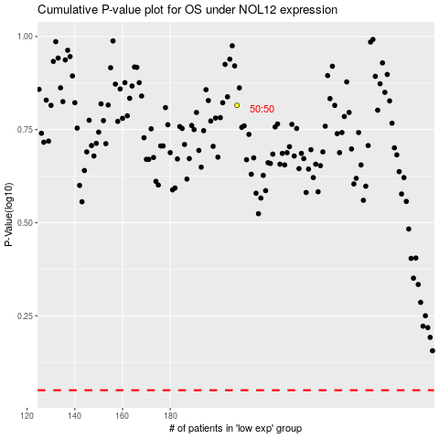

 |  |  |  |  |  | cases_OS | p_OS | rank | exp
 |  |  |  |  |  |  | cases_RFS | p_RFS | rank | exp

