NOMO1 _multivariate
Reported by Tex Li-Hsing Chi. tex@gate.sinica.edu.tw 2019-08-17

Table 2. The clinicopathological features of HNSCC cohort and NOMO1 expression. (Chi square test)
Cutoff at -0.046 (50.0%)
 |  | NOMO1 expression |  | NOMO1 expression |  | (Optimised)
 | Features | Low | (%) | High | (%) | Case no | P-value | Remark | Matthews
Gender | Female | 148 | 35.7 | 158 | 38.1 | 415 | 0.3567 | 0 | 0
2 | Male | 59 | 14.2 | 50 | 12
Age at diagnosis | <=65y | 125 | 30.1 | 149 | 35.9 | 415 | 0.0206 | 1 | 0
4 | >65y | 82 | 19.8 | 59 | 14.2
Clinical T Status | T1+T2 | 73 | 17.6 | 76 | 18.3 | 415 | 0.8666 | 0 | 0
6 | T3+T4 | 134 | 32.3 | 132 | 31.8
Clinical N Status | N0 | 102 | 24.6 | 114 | 27.5 | 415 | 0.3031 | 0 | 0
8 | N1-3 | 105 | 25.3 | 94 | 22.7
Clinical M Status | M0 | 205 | 49.4 | 207 | 49.9 | 415 | 0.6232 | 0 | 0
10 | M1 | 2 | 0.5 | 1 | 0.2
Clinical Stage | Stage I+II | 52 | 12.5 | 50 | 12 | 415 | 0.8871 | 0 | 0
12 | Stage III+IV | 155 | 37.3 | 158 | 38.1
Surgical Margin status | Negative | 160 | 38.6 | 158 | 38.1 | 415 | 0.8167 | 0 | 0
14 | Positive | 47 | 11.3 | 50 | 12
Tobacco Exposure | Low | 88 | 21.2 | 73 | 17.6 | 415 | 0.1314 | 0 | 0
16 | High | 119 | 28.7 | 135 | 32.5

Table 3. Univariate/Multivariate Cox's proportional hazards regression analyses on OS time of NOMO1 gene expression in HNSCC

 |  | Univariate |  |  |  | Multivariate
 | Features | HR | CI95%(L) | CI95%(H) | P-value | HR | CI95%(L) | CI95%(H) | P-value
1 | Female | 1 |  |  |  | 1
Gender | Male | 1.157 | 0.843 | 1.587 | 0.367 | 1.196 | 0.856 | 1.672 | 0.294
11 | <=65y | 1 |  |  |  | 1
Age at diagnosis | >65y | 1.329 | 0.99 | 1.784 | 0.058 | 1.434 | 1.054 | 1.952 | 0.022
12 | T1+T2 | 1 |  |  |  | 1
Clinical T Status | T3+T4 | 1.409 | 1.028 | 1.931 | 0.033 | 2.277 | 1.203 | 4.311 | 0.012
13 | N0 | 1 |  |  |  | 1
Clinical N Status | N1-3 | 1.185 | 0.89 | 1.577 | 0.246 | 1.3 | 0.908 | 1.86 | 0.152
14 | M0 | 1 |  |  |  | 1
Clinical M Status | M1 | 4.097 | 1.009 | 16.644 | 0.049 | 9.627 | 2.101 | 44.121 | 0.004
15 | Stage I+II | 1 |  |  |  | 1
Clinical Stage | Stage III+IV | 1.245 | 0.882 | 1.759 | 0.213 | 0.485 | 0.226 | 1.043 | 0.064
16 | Negative | 1 |  |  |  | 1
Surgical Margin status | Positive | 1.591 | 1.155 | 2.191 | 0.004 | 1.644 | 1.189 | 2.272 | 0.003
17 | Low | 1 |  |  |  | 1
Tobacco Exposure | High | 1.364 | 1.008 | 1.844 | 0.044 | 1.4 | 1.013 | 1.934 | 0.041
18 | Low | 1 |  |  |  | 1
RNAseq(z-score) | High | 1.236 | 0.926 | 1.648 | 0.151 | 1.29 | 0.959 | 1.736 | 0.093

Table 4. Univariate/Multivariate Cox's proportional hazards regression analyses on RFS time of NOMO1 gene expression in HNSCC

 |  | Univariate |  |  |  | Multivariate
 | Features | HR | CI95%(L) | CI95%(H) | P-value | HR | CI95%(L) | CI95%(H) | P-value
1 | Female | 1 |  |  |  | 1
Gender | Male | 1.157 | 0.843 | 1.587 | 0.367 | 1.196 | 0.856 | 1.672 | 0.294
11 | <=65y | 1 |  |  |  | 1
Age at diagnosis | >65y | 1.329 | 0.99 | 1.784 | 0.058 | 1.434 | 1.054 | 1.952 | 0.022
12 | T1+T2 | 1 |  |  |  | 1
Clinical T Status | T3+T4 | 1.409 | 1.028 | 1.931 | 0.033 | 2.277 | 1.203 | 4.311 | 0.012
13 | N0 | 1 |  |  |  | 1
Clinical N Status | N1-3 | 1.185 | 0.89 | 1.577 | 0.246 | 1.3 | 0.908 | 1.86 | 0.152
14 | M0 | 1 |  |  |  | 1
Clinical M Status | M1 | 4.097 | 1.009 | 16.644 | 0.049 | 9.627 | 2.101 | 44.121 | 0.004
15 | Stage I+II | 1 |  |  |  | 1
Clinical Stage | Stage III+IV | 1.245 | 0.882 | 1.759 | 0.213 | 0.485 | 0.226 | 1.043 | 0.064
16 | Negative | 1 |  |  |  | 1
Surgical Margin status | Positive | 1.591 | 1.155 | 2.191 | 0.004 | 1.644 | 1.189 | 2.272 | 0.003
17 | Low | 1 |  |  |  | 1
Tobacco Exposure | High | 1.364 | 1.008 | 1.844 | 0.044 | 1.4 | 1.013 | 1.934 | 0.041
18 | Low | 1 |  |  |  | 1
RNAseq(z-score) | High | 1.236 | 0.926 | 1.648 | 0.151 | 1.29 | 0.959 | 1.736 | 0.093

Kaplan-Meier survival estimate: Cutoff at -0.046 (50.0%)



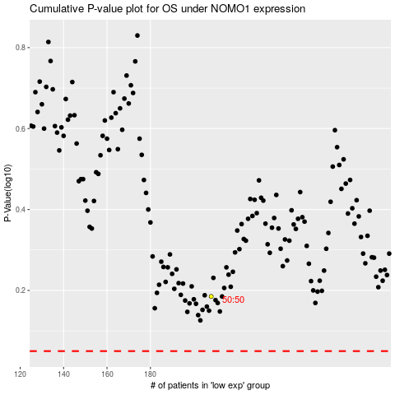

 |  |  |  |  |  | cases_OS | p_OS | rank | exp
 |  |  |  |  |  |  | cases_RFS | p_RFS | rank | exp

